SLC35C1 _multivariate
Reported by Tex Li-Hsing Chi. tex@gate.sinica.edu.tw 2019-08-16

Table 2. The clinicopathological features of HNSCC cohort and SLC35C1 expression. (Chi square test)
Cutoff at -0.23 (49.8%)
 |  | SLC35C1 expression |  | SLC35C1 expression |  | (Optimised)
 | Features | Low | (%) | High | (%) | Case no | P-value | Remark | Matthews
Gender | Female | 158 | 38.1 | 148 | 35.7 | 415 | 0.2774 | 0 | 0
2 | Male | 49 | 11.8 | 60 | 14.5
Age at diagnosis | <=65y | 148 | 35.7 | 126 | 30.4 | 415 | 0.0248 | 1 | 0
4 | >65y | 59 | 14.2 | 82 | 19.8
Clinical T Status | T1+T2 | 67 | 16.1 | 82 | 19.8 | 415 | 0.1628 | 0 | 0
6 | T3+T4 | 140 | 33.7 | 126 | 30.4
Clinical N Status | N0 | 92 | 22.2 | 124 | 29.9 | 415 | 0.0027 | 1 | 0
8 | N1-3 | 115 | 27.7 | 84 | 20.2
Clinical M Status | M0 | 204 | 49.2 | 208 | 50.1 | 415 | 0.1232 | 0 | 0
10 | M1 | 3 | 0.7 | 0 | 0
Clinical Stage | Stage I+II | 33 | 8 | 69 | 16.6 | 415 | 1e-04 | 1 | 0
12 | Stage III+IV | 174 | 41.9 | 139 | 33.5
Surgical Margin status | Negative | 156 | 37.6 | 162 | 39 | 415 | 0.5636 | 0 | 0
14 | Positive | 51 | 12.3 | 46 | 11.1
Tobacco Exposure | Low | 69 | 16.6 | 92 | 22.2 | 415 | 0.0266 | 1 | 0
16 | High | 138 | 33.3 | 116 | 28

Table 3. Univariate/Multivariate Cox's proportional hazards regression analyses on OS time of SLC35C1 gene expression in HNSCC

 |  | Univariate |  |  |  | Multivariate
 | Features | HR | CI95%(L) | CI95%(H) | P-value | HR | CI95%(L) | CI95%(H) | P-value
1 | Female | 1 |  |  |  | 1
Gender | Male | 1.157 | 0.843 | 1.587 | 0.367 | 1.205 | 0.862 | 1.684 | 0.275
11 | <=65y | 1 |  |  |  | 1
Age at diagnosis | >65y | 1.329 | 0.99 | 1.784 | 0.058 | 1.383 | 1.016 | 1.882 | 0.039
12 | T1+T2 | 1 |  |  |  | 1
Clinical T Status | T3+T4 | 1.409 | 1.028 | 1.931 | 0.033 | 2.175 | 1.148 | 4.122 | 0.017
13 | N0 | 1 |  |  |  | 1
Clinical N Status | N1-3 | 1.185 | 0.89 | 1.577 | 0.246 | 1.241 | 0.87 | 1.771 | 0.233
14 | M0 | 1 |  |  |  | 1
Clinical M Status | M1 | 4.097 | 1.009 | 16.644 | 0.049 | 9.579 | 2.085 | 44.003 | 0.004
15 | Stage I+II | 1 |  |  |  | 1
Clinical Stage | Stage III+IV | 1.245 | 0.882 | 1.759 | 0.213 | 0.521 | 0.24 | 1.132 | 0.099
16 | Negative | 1 |  |  |  | 1
Surgical Margin status | Positive | 1.591 | 1.155 | 2.191 | 0.004 | 1.669 | 1.208 | 2.307 | 0.002
17 | Low | 1 |  |  |  | 1
Tobacco Exposure | High | 1.364 | 1.008 | 1.844 | 0.044 | 1.452 | 1.054 | 2 | 0.023
18 | Low | 1 |  |  |  | 1
RNAseq(z-score) | High | 1.06 | 0.795 | 1.414 | 0.692 | 1.071 | 0.793 | 1.447 | 0.655

Table 4. Univariate/Multivariate Cox's proportional hazards regression analyses on RFS time of SLC35C1 gene expression in HNSCC

 |  | Univariate |  |  |  | Multivariate
 | Features | HR | CI95%(L) | CI95%(H) | P-value | HR | CI95%(L) | CI95%(H) | P-value
1 | Female | 1 |  |  |  | 1
Gender | Male | 1.157 | 0.843 | 1.587 | 0.367 | 1.205 | 0.862 | 1.684 | 0.275
11 | <=65y | 1 |  |  |  | 1
Age at diagnosis | >65y | 1.329 | 0.99 | 1.784 | 0.058 | 1.383 | 1.016 | 1.882 | 0.039
12 | T1+T2 | 1 |  |  |  | 1
Clinical T Status | T3+T4 | 1.409 | 1.028 | 1.931 | 0.033 | 2.175 | 1.148 | 4.122 | 0.017
13 | N0 | 1 |  |  |  | 1
Clinical N Status | N1-3 | 1.185 | 0.89 | 1.577 | 0.246 | 1.241 | 0.87 | 1.771 | 0.233
14 | M0 | 1 |  |  |  | 1
Clinical M Status | M1 | 4.097 | 1.009 | 16.644 | 0.049 | 9.579 | 2.085 | 44.003 | 0.004
15 | Stage I+II | 1 |  |  |  | 1
Clinical Stage | Stage III+IV | 1.245 | 0.882 | 1.759 | 0.213 | 0.521 | 0.24 | 1.132 | 0.099
16 | Negative | 1 |  |  |  | 1
Surgical Margin status | Positive | 1.591 | 1.155 | 2.191 | 0.004 | 1.669 | 1.208 | 2.307 | 0.002
17 | Low | 1 |  |  |  | 1
Tobacco Exposure | High | 1.364 | 1.008 | 1.844 | 0.044 | 1.452 | 1.054 | 2 | 0.023
18 | Low | 1 |  |  |  | 1
RNAseq(z-score) | High | 1.06 | 0.795 | 1.414 | 0.692 | 1.071 | 0.793 | 1.447 | 0.655

Kaplan-Meier survival estimate: Cutoff at -0.23 (49.8%)



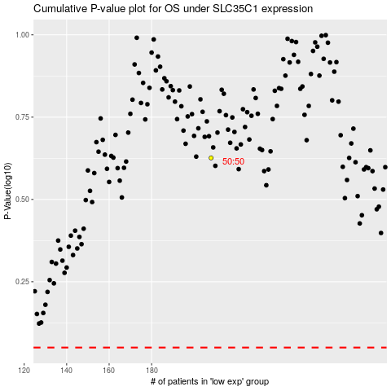

 |  |  |  |  |  | cases_OS | p_OS | rank | exp
 |  |  |  |  |  |  | cases_RFS | p_RFS | rank | exp

