SLC35D1 _multivariate
Reported by Tex Li-Hsing Chi. tex@gate.sinica.edu.tw 2019-08-16

Table 2. The clinicopathological features of HNSCC cohort and SLC35D1 expression. (Chi square test)
Cutoff at -0.153 (50.0%)
 |  | SLC35D1 expression |  | SLC35D1 expression |  | (Optimised)
 | Features | Low | (%) | High | (%) | Case no | P-value | Remark | Matthews
Gender | Female | 166 | 40 | 140 | 33.7 | 415 | 0.0041 | 1 | 0
2 | Male | 41 | 9.9 | 68 | 16.4
Age at diagnosis | <=65y | 137 | 33 | 137 | 33 | 415 | 1 | 0 | 0
4 | >65y | 70 | 16.9 | 71 | 17.1
Clinical T Status | T1+T2 | 71 | 17.1 | 78 | 18.8 | 415 | 0.5638 | 0 | 0
6 | T3+T4 | 136 | 32.8 | 130 | 31.3
Clinical N Status | N0 | 99 | 23.9 | 117 | 28.2 | 415 | 0.1054 | 0 | 0
8 | N1-3 | 108 | 26 | 91 | 21.9
Clinical M Status | M0 | 207 | 49.9 | 205 | 49.4 | 415 | 0.2482 | 0 | 0
10 | M1 | 0 | 0 | 3 | 0.7
Clinical Stage | Stage I+II | 41 | 9.9 | 61 | 14.7 | 415 | 0.0325 | 1 | 0
12 | Stage III+IV | 166 | 40 | 147 | 35.4
Surgical Margin status | Negative | 154 | 37.1 | 164 | 39.5 | 415 | 0.2984 | 0 | 0
14 | Positive | 53 | 12.8 | 44 | 10.6
Tobacco Exposure | Low | 65 | 15.7 | 96 | 23.1 | 415 | 0.0025 | 1 | 0
16 | High | 142 | 34.2 | 112 | 27

Table 3. Univariate/Multivariate Cox's proportional hazards regression analyses on OS time of SLC35D1 gene expression in HNSCC

 |  | Univariate |  |  |  | Multivariate
 | Features | HR | CI95%(L) | CI95%(H) | P-value | HR | CI95%(L) | CI95%(H) | P-value
1 | Female | 1 |  |  |  | 1
Gender | Male | 1.157 | 0.843 | 1.587 | 0.367 | 1.225 | 0.874 | 1.717 | 0.239
11 | <=65y | 1 |  |  |  | 1
Age at diagnosis | >65y | 1.329 | 0.99 | 1.784 | 0.058 | 1.377 | 1.013 | 1.873 | 0.041
12 | T1+T2 | 1 |  |  |  | 1
Clinical T Status | T3+T4 | 1.409 | 1.028 | 1.931 | 0.033 | 2.265 | 1.194 | 4.294 | 0.012
13 | N0 | 1 |  |  |  | 1
Clinical N Status | N1-3 | 1.185 | 0.89 | 1.577 | 0.246 | 1.231 | 0.862 | 1.757 | 0.253
14 | M0 | 1 |  |  |  | 1
Clinical M Status | M1 | 4.097 | 1.009 | 16.644 | 0.049 | 10.511 | 2.25 | 49.106 | 0.003
15 | Stage I+II | 1 |  |  |  | 1
Clinical Stage | Stage III+IV | 1.245 | 0.882 | 1.759 | 0.213 | 0.481 | 0.223 | 1.039 | 0.063
16 | Negative | 1 |  |  |  | 1
Surgical Margin status | Positive | 1.591 | 1.155 | 2.191 | 0.004 | 1.673 | 1.211 | 2.313 | 0.002
17 | Low | 1 |  |  |  | 1
Tobacco Exposure | High | 1.364 | 1.008 | 1.844 | 0.044 | 1.433 | 1.039 | 1.978 | 0.029
18 | Low | 1 |  |  |  | 1
RNAseq(z-score) | High | 0.866 | 0.65 | 1.155 | 0.327 | 0.868 | 0.643 | 1.173 | 0.357

Table 4. Univariate/Multivariate Cox's proportional hazards regression analyses on RFS time of SLC35D1 gene expression in HNSCC

 |  | Univariate |  |  |  | Multivariate
 | Features | HR | CI95%(L) | CI95%(H) | P-value | HR | CI95%(L) | CI95%(H) | P-value
1 | Female | 1 |  |  |  | 1
Gender | Male | 1.157 | 0.843 | 1.587 | 0.367 | 1.225 | 0.874 | 1.717 | 0.239
11 | <=65y | 1 |  |  |  | 1
Age at diagnosis | >65y | 1.329 | 0.99 | 1.784 | 0.058 | 1.377 | 1.013 | 1.873 | 0.041
12 | T1+T2 | 1 |  |  |  | 1
Clinical T Status | T3+T4 | 1.409 | 1.028 | 1.931 | 0.033 | 2.265 | 1.194 | 4.294 | 0.012
13 | N0 | 1 |  |  |  | 1
Clinical N Status | N1-3 | 1.185 | 0.89 | 1.577 | 0.246 | 1.231 | 0.862 | 1.757 | 0.253
14 | M0 | 1 |  |  |  | 1
Clinical M Status | M1 | 4.097 | 1.009 | 16.644 | 0.049 | 10.511 | 2.25 | 49.106 | 0.003
15 | Stage I+II | 1 |  |  |  | 1
Clinical Stage | Stage III+IV | 1.245 | 0.882 | 1.759 | 0.213 | 0.481 | 0.223 | 1.039 | 0.063
16 | Negative | 1 |  |  |  | 1
Surgical Margin status | Positive | 1.591 | 1.155 | 2.191 | 0.004 | 1.673 | 1.211 | 2.313 | 0.002
17 | Low | 1 |  |  |  | 1
Tobacco Exposure | High | 1.364 | 1.008 | 1.844 | 0.044 | 1.433 | 1.039 | 1.978 | 0.029
18 | Low | 1 |  |  |  | 1
RNAseq(z-score) | High | 0.866 | 0.65 | 1.155 | 0.327 | 0.868 | 0.643 | 1.173 | 0.357

Kaplan-Meier survival estimate: Cutoff at -0.153 (50.0%)



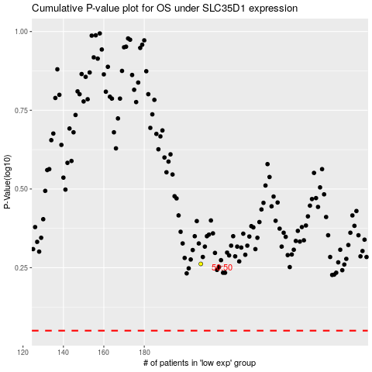

 |  |  |  |  |  | cases_OS | p_OS | rank | exp
 |  |  |  |  |  |  | cases_RFS | p_RFS | rank | exp

