SLC35E3 _multivariate
Reported by Tex Li-Hsing Chi. tex@gate.sinica.edu.tw 2019-08-16

Table 2. The clinicopathological features of HNSCC cohort and SLC35E3 expression. (Chi square test)
Cutoff at -0.212 (49.8%)
 |  | SLC35E3 expression |  | SLC35E3 expression |  | (Optimised)
 | Features | Low | (%) | High | (%) | Case no | P-value | Remark | Matthews
Gender | Female | 158 | 38.1 | 148 | 35.7 | 415 | 0.2774 | 0 | 0
2 | Male | 49 | 11.8 | 60 | 14.5
Age at diagnosis | <=65y | 131 | 31.6 | 143 | 34.5 | 415 | 0.2839 | 0 | 0
4 | >65y | 76 | 18.3 | 65 | 15.7
Clinical T Status | T1+T2 | 71 | 17.1 | 78 | 18.8 | 415 | 0.5638 | 0 | 0
6 | T3+T4 | 136 | 32.8 | 130 | 31.3
Clinical N Status | N0 | 100 | 24.1 | 116 | 28 | 415 | 0.1548 | 0 | 0
8 | N1-3 | 107 | 25.8 | 92 | 22.2
Clinical M Status | M0 | 206 | 49.6 | 206 | 49.6 | 415 | 1 | 0 | 0
10 | M1 | 1 | 0.2 | 2 | 0.5
Clinical Stage | Stage I+II | 43 | 10.4 | 59 | 14.2 | 415 | 0.0925 | 0 | 0
12 | Stage III+IV | 164 | 39.5 | 149 | 35.9
Surgical Margin status | Negative | 158 | 38.1 | 160 | 38.6 | 415 | 0.9081 | 0 | 0
14 | Positive | 49 | 11.8 | 48 | 11.6
Tobacco Exposure | Low | 84 | 20.2 | 77 | 18.6 | 415 | 0.4816 | 0 | 0
16 | High | 123 | 29.6 | 131 | 31.6

Table 3. Univariate/Multivariate Cox's proportional hazards regression analyses on OS time of SLC35E3 gene expression in HNSCC

 |  | Univariate |  |  |  | Multivariate
 | Features | HR | CI95%(L) | CI95%(H) | P-value | HR | CI95%(L) | CI95%(H) | P-value
1 | Female | 1 |  |  |  | 1
Gender | Male | 1.157 | 0.843 | 1.587 | 0.367 | 1.2 | 0.858 | 1.677 | 0.287
11 | <=65y | 1 |  |  |  | 1
Age at diagnosis | >65y | 1.329 | 0.99 | 1.784 | 0.058 | 1.375 | 1.01 | 1.871 | 0.043
12 | T1+T2 | 1 |  |  |  | 1
Clinical T Status | T3+T4 | 1.409 | 1.028 | 1.931 | 0.033 | 2.243 | 1.185 | 4.246 | 0.013
13 | N0 | 1 |  |  |  | 1
Clinical N Status | N1-3 | 1.185 | 0.89 | 1.577 | 0.246 | 1.226 | 0.859 | 1.749 | 0.262
14 | M0 | 1 |  |  |  | 1
Clinical M Status | M1 | 4.097 | 1.009 | 16.644 | 0.049 | 10.002 | 2.171 | 46.083 | 0.003
15 | Stage I+II | 1 |  |  |  | 1
Clinical Stage | Stage III+IV | 1.245 | 0.882 | 1.759 | 0.213 | 0.501 | 0.233 | 1.075 | 0.076
16 | Negative | 1 |  |  |  | 1
Surgical Margin status | Positive | 1.591 | 1.155 | 2.191 | 0.004 | 1.662 | 1.203 | 2.296 | 0.002
17 | Low | 1 |  |  |  | 1
Tobacco Exposure | High | 1.364 | 1.008 | 1.844 | 0.044 | 1.457 | 1.057 | 2.008 | 0.022
18 | Low | 1 |  |  |  | 1
RNAseq(z-score) | High | 0.867 | 0.65 | 1.155 | 0.329 | 0.865 | 0.647 | 1.157 | 0.33

Table 4. Univariate/Multivariate Cox's proportional hazards regression analyses on RFS time of SLC35E3 gene expression in HNSCC

 |  | Univariate |  |  |  | Multivariate
 | Features | HR | CI95%(L) | CI95%(H) | P-value | HR | CI95%(L) | CI95%(H) | P-value
1 | Female | 1 |  |  |  | 1
Gender | Male | 1.157 | 0.843 | 1.587 | 0.367 | 1.2 | 0.858 | 1.677 | 0.287
11 | <=65y | 1 |  |  |  | 1
Age at diagnosis | >65y | 1.329 | 0.99 | 1.784 | 0.058 | 1.375 | 1.01 | 1.871 | 0.043
12 | T1+T2 | 1 |  |  |  | 1
Clinical T Status | T3+T4 | 1.409 | 1.028 | 1.931 | 0.033 | 2.243 | 1.185 | 4.246 | 0.013
13 | N0 | 1 |  |  |  | 1
Clinical N Status | N1-3 | 1.185 | 0.89 | 1.577 | 0.246 | 1.226 | 0.859 | 1.749 | 0.262
14 | M0 | 1 |  |  |  | 1
Clinical M Status | M1 | 4.097 | 1.009 | 16.644 | 0.049 | 10.002 | 2.171 | 46.083 | 0.003
15 | Stage I+II | 1 |  |  |  | 1
Clinical Stage | Stage III+IV | 1.245 | 0.882 | 1.759 | 0.213 | 0.501 | 0.233 | 1.075 | 0.076
16 | Negative | 1 |  |  |  | 1
Surgical Margin status | Positive | 1.591 | 1.155 | 2.191 | 0.004 | 1.662 | 1.203 | 2.296 | 0.002
17 | Low | 1 |  |  |  | 1
Tobacco Exposure | High | 1.364 | 1.008 | 1.844 | 0.044 | 1.457 | 1.057 | 2.008 | 0.022
18 | Low | 1 |  |  |  | 1
RNAseq(z-score) | High | 0.867 | 0.65 | 1.155 | 0.329 | 0.865 | 0.647 | 1.157 | 0.33

Kaplan-Meier survival estimate: Cutoff at -0.212 (49.8%)



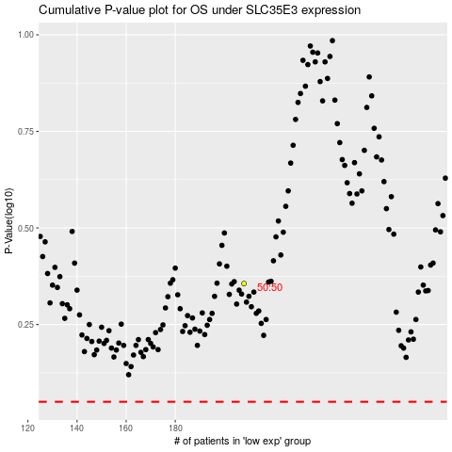

 |  |  |  |  |  | cases_OS | p_OS | rank | exp
 |  |  |  |  |  |  | cases_RFS | p_RFS | rank | exp

