SLC35F2 _multivariate
Reported by Tex Li-Hsing Chi. tex@gate.sinica.edu.tw 2019-08-16

Table 2. The clinicopathological features of HNSCC cohort and SLC35F2 expression. (Chi square test)
Cutoff at -0.007 (49.8%)
 |  | SLC35F2 expression |  | SLC35F2 expression |  | (Optimised)
 | Features | Low | (%) | High | (%) | Case no | P-value | Remark | Matthews
Gender | Female | 160 | 38.6 | 146 | 35.2 | 415 | 0.1254 | 0 | 0
2 | Male | 47 | 11.3 | 62 | 14.9
Age at diagnosis | <=65y | 138 | 33.3 | 136 | 32.8 | 415 | 0.8634 | 0 | 0
4 | >65y | 69 | 16.6 | 72 | 17.3
Clinical T Status | T1+T2 | 81 | 19.5 | 68 | 16.4 | 415 | 0.206 | 0 | 0
6 | T3+T4 | 126 | 30.4 | 140 | 33.7
Clinical N Status | N0 | 108 | 26 | 108 | 26 | 415 | 1 | 0 | 0
8 | N1-3 | 99 | 23.9 | 100 | 24.1
Clinical M Status | M0 | 206 | 49.6 | 206 | 49.6 | 415 | 1 | 0 | 0
10 | M1 | 1 | 0.2 | 2 | 0.5
Clinical Stage | Stage I+II | 51 | 12.3 | 51 | 12.3 | 415 | 1 | 0 | 0
12 | Stage III+IV | 156 | 37.6 | 157 | 37.8
Surgical Margin status | Negative | 156 | 37.6 | 162 | 39 | 415 | 0.5636 | 0 | 0
14 | Positive | 51 | 12.3 | 46 | 11.1
Tobacco Exposure | Low | 72 | 17.3 | 89 | 21.4 | 415 | 0.1071 | 0 | 0
16 | High | 135 | 32.5 | 119 | 28.7

Table 3. Univariate/Multivariate Cox's proportional hazards regression analyses on OS time of SLC35F2 gene expression in HNSCC

 |  | Univariate |  |  |  | Multivariate
 | Features | HR | CI95%(L) | CI95%(H) | P-value | HR | CI95%(L) | CI95%(H) | P-value
1 | Female | 1 |  |  |  | 1
Gender | Male | 1.157 | 0.843 | 1.587 | 0.367 | 1.173 | 0.837 | 1.644 | 0.354
11 | <=65y | 1 |  |  |  | 1
Age at diagnosis | >65y | 1.329 | 0.99 | 1.784 | 0.058 | 1.405 | 1.033 | 1.911 | 0.03
12 | T1+T2 | 1 |  |  |  | 1
Clinical T Status | T3+T4 | 1.409 | 1.028 | 1.931 | 0.033 | 2.165 | 1.144 | 4.098 | 0.018
13 | N0 | 1 |  |  |  | 1
Clinical N Status | N1-3 | 1.185 | 0.89 | 1.577 | 0.246 | 1.242 | 0.871 | 1.772 | 0.231
14 | M0 | 1 |  |  |  | 1
Clinical M Status | M1 | 4.097 | 1.009 | 16.644 | 0.049 | 9.07 | 1.975 | 41.658 | 0.005
15 | Stage I+II | 1 |  |  |  | 1
Clinical Stage | Stage III+IV | 1.245 | 0.882 | 1.759 | 0.213 | 0.512 | 0.239 | 1.1 | 0.086
16 | Negative | 1 |  |  |  | 1
Surgical Margin status | Positive | 1.591 | 1.155 | 2.191 | 0.004 | 1.684 | 1.218 | 2.328 | 0.002
17 | Low | 1 |  |  |  | 1
Tobacco Exposure | High | 1.364 | 1.008 | 1.844 | 0.044 | 1.471 | 1.067 | 2.028 | 0.019
18 | Low | 1 |  |  |  | 1
RNAseq(z-score) | High | 1.149 | 0.861 | 1.533 | 0.345 | 1.155 | 0.861 | 1.55 | 0.336

Table 4. Univariate/Multivariate Cox's proportional hazards regression analyses on RFS time of SLC35F2 gene expression in HNSCC

 |  | Univariate |  |  |  | Multivariate
 | Features | HR | CI95%(L) | CI95%(H) | P-value | HR | CI95%(L) | CI95%(H) | P-value
1 | Female | 1 |  |  |  | 1
Gender | Male | 1.157 | 0.843 | 1.587 | 0.367 | 1.173 | 0.837 | 1.644 | 0.354
11 | <=65y | 1 |  |  |  | 1
Age at diagnosis | >65y | 1.329 | 0.99 | 1.784 | 0.058 | 1.405 | 1.033 | 1.911 | 0.03
12 | T1+T2 | 1 |  |  |  | 1
Clinical T Status | T3+T4 | 1.409 | 1.028 | 1.931 | 0.033 | 2.165 | 1.144 | 4.098 | 0.018
13 | N0 | 1 |  |  |  | 1
Clinical N Status | N1-3 | 1.185 | 0.89 | 1.577 | 0.246 | 1.242 | 0.871 | 1.772 | 0.231
14 | M0 | 1 |  |  |  | 1
Clinical M Status | M1 | 4.097 | 1.009 | 16.644 | 0.049 | 9.07 | 1.975 | 41.658 | 0.005
15 | Stage I+II | 1 |  |  |  | 1
Clinical Stage | Stage III+IV | 1.245 | 0.882 | 1.759 | 0.213 | 0.512 | 0.239 | 1.1 | 0.086
16 | Negative | 1 |  |  |  | 1
Surgical Margin status | Positive | 1.591 | 1.155 | 2.191 | 0.004 | 1.684 | 1.218 | 2.328 | 0.002
17 | Low | 1 |  |  |  | 1
Tobacco Exposure | High | 1.364 | 1.008 | 1.844 | 0.044 | 1.471 | 1.067 | 2.028 | 0.019
18 | Low | 1 |  |  |  | 1
RNAseq(z-score) | High | 1.149 | 0.861 | 1.533 | 0.345 | 1.155 | 0.861 | 1.55 | 0.336

Kaplan-Meier survival estimate: Cutoff at -0.007 (49.8%)



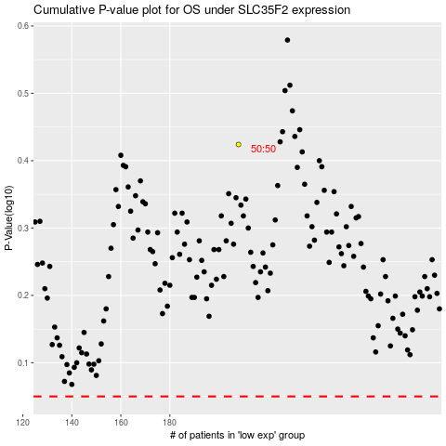

 |  |  |  |  |  | cases_OS | p_OS | rank | exp
 |  |  |  |  |  |  | cases_RFS | p_RFS | rank | exp

