SLC35F3 _multivariate
Reported by Tex Li-Hsing Chi. tex@gate.sinica.edu.tw 2019-08-16

Table 2. The clinicopathological features of HNSCC cohort and SLC35F3 expression. (Chi square test)
Cutoff at -0.299 (50.0%)
 |  | SLC35F3 expression |  | SLC35F3 expression |  | (Optimised)
 | Features | Low | (%) | High | (%) | Case no | P-value | Remark | Matthews
Gender | Female | 153 | 36.9 | 153 | 36.9 | 415 | 1 | 0 | 0
2 | Male | 54 | 13 | 55 | 13.3
Age at diagnosis | <=65y | 135 | 32.5 | 139 | 33.5 | 415 | 0.8084 | 0 | 0
4 | >65y | 72 | 17.3 | 69 | 16.6
Clinical T Status | T1+T2 | 71 | 17.1 | 78 | 18.8 | 415 | 0.5638 | 0 | 0
6 | T3+T4 | 136 | 32.8 | 130 | 31.3
Clinical N Status | N0 | 103 | 24.8 | 113 | 27.2 | 415 | 0.4047 | 0 | 0
8 | N1-3 | 104 | 25.1 | 95 | 22.9
Clinical M Status | M0 | 205 | 49.4 | 207 | 49.9 | 415 | 0.6232 | 0 | 0
10 | M1 | 2 | 0.5 | 1 | 0.2
Clinical Stage | Stage I+II | 40 | 9.6 | 62 | 14.9 | 415 | 0.018 | 1 | 0
12 | Stage III+IV | 167 | 40.2 | 146 | 35.2
Surgical Margin status | Negative | 151 | 36.4 | 167 | 40.2 | 415 | 0.0828 | 0 | 0
14 | Positive | 56 | 13.5 | 41 | 9.9
Tobacco Exposure | Low | 83 | 20 | 78 | 18.8 | 415 | 0.6152 | 0 | 0
16 | High | 124 | 29.9 | 130 | 31.3

Table 3. Univariate/Multivariate Cox's proportional hazards regression analyses on OS time of SLC35F3 gene expression in HNSCC

 |  | Univariate |  |  |  | Multivariate
 | Features | HR | CI95%(L) | CI95%(H) | P-value | HR | CI95%(L) | CI95%(H) | P-value
1 | Female | 1 |  |  |  | 1
Gender | Male | 1.157 | 0.843 | 1.587 | 0.367 | 1.204 | 0.862 | 1.683 | 0.276
11 | <=65y | 1 |  |  |  | 1
Age at diagnosis | >65y | 1.329 | 0.99 | 1.784 | 0.058 | 1.394 | 1.025 | 1.894 | 0.034
12 | T1+T2 | 1 |  |  |  | 1
Clinical T Status | T3+T4 | 1.409 | 1.028 | 1.931 | 0.033 | 2.183 | 1.153 | 4.132 | 0.017
13 | N0 | 1 |  |  |  | 1
Clinical N Status | N1-3 | 1.185 | 0.89 | 1.577 | 0.246 | 1.23 | 0.861 | 1.758 | 0.256
14 | M0 | 1 |  |  |  | 1
Clinical M Status | M1 | 4.097 | 1.009 | 16.644 | 0.049 | 9.401 | 2.051 | 43.097 | 0.004
15 | Stage I+II | 1 |  |  |  | 1
Clinical Stage | Stage III+IV | 1.245 | 0.882 | 1.759 | 0.213 | 0.518 | 0.24 | 1.121 | 0.095
16 | Negative | 1 |  |  |  | 1
Surgical Margin status | Positive | 1.591 | 1.155 | 2.191 | 0.004 | 1.679 | 1.215 | 2.321 | 0.002
17 | Low | 1 |  |  |  | 1
Tobacco Exposure | High | 1.364 | 1.008 | 1.844 | 0.044 | 1.442 | 1.045 | 1.989 | 0.026
18 | Low | 1 |  |  |  | 1
RNAseq(z-score) | High | 1.071 | 0.804 | 1.426 | 0.64 | 1.075 | 0.802 | 1.442 | 0.627

Table 4. Univariate/Multivariate Cox's proportional hazards regression analyses on RFS time of SLC35F3 gene expression in HNSCC

 |  | Univariate |  |  |  | Multivariate
 | Features | HR | CI95%(L) | CI95%(H) | P-value | HR | CI95%(L) | CI95%(H) | P-value
1 | Female | 1 |  |  |  | 1
Gender | Male | 1.157 | 0.843 | 1.587 | 0.367 | 1.204 | 0.862 | 1.683 | 0.276
11 | <=65y | 1 |  |  |  | 1
Age at diagnosis | >65y | 1.329 | 0.99 | 1.784 | 0.058 | 1.394 | 1.025 | 1.894 | 0.034
12 | T1+T2 | 1 |  |  |  | 1
Clinical T Status | T3+T4 | 1.409 | 1.028 | 1.931 | 0.033 | 2.183 | 1.153 | 4.132 | 0.017
13 | N0 | 1 |  |  |  | 1
Clinical N Status | N1-3 | 1.185 | 0.89 | 1.577 | 0.246 | 1.23 | 0.861 | 1.758 | 0.256
14 | M0 | 1 |  |  |  | 1
Clinical M Status | M1 | 4.097 | 1.009 | 16.644 | 0.049 | 9.401 | 2.051 | 43.097 | 0.004
15 | Stage I+II | 1 |  |  |  | 1
Clinical Stage | Stage III+IV | 1.245 | 0.882 | 1.759 | 0.213 | 0.518 | 0.24 | 1.121 | 0.095
16 | Negative | 1 |  |  |  | 1
Surgical Margin status | Positive | 1.591 | 1.155 | 2.191 | 0.004 | 1.679 | 1.215 | 2.321 | 0.002
17 | Low | 1 |  |  |  | 1
Tobacco Exposure | High | 1.364 | 1.008 | 1.844 | 0.044 | 1.442 | 1.045 | 1.989 | 0.026
18 | Low | 1 |  |  |  | 1
RNAseq(z-score) | High | 1.071 | 0.804 | 1.426 | 0.64 | 1.075 | 0.802 | 1.442 | 0.627

Kaplan-Meier survival estimate: Cutoff at -0.299 (50.0%)

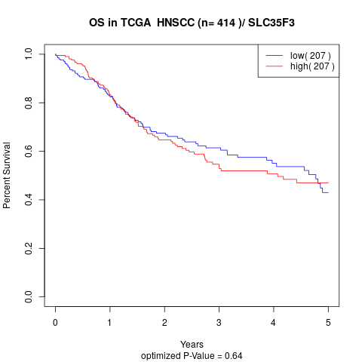

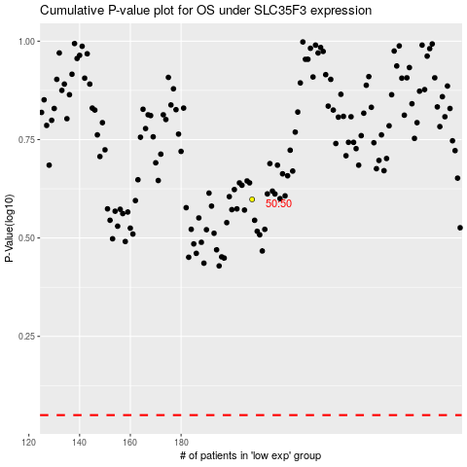

 |  |  |  |  |  | cases_OS | p_OS | rank | exp
 |  |  |  |  |  |  | cases_RFS | p_RFS | rank | exp

