SLC37A1 _multivariate
Reported by Tex Li-Hsing Chi. tex@gate.sinica.edu.tw 2019-08-15

Table 2. The clinicopathological features of HNSCC cohort and SLC37A1 expression. (Chi square test)
Cutoff at -0.378 (50.0%)
 |  | SLC37A1 expression |  | SLC37A1 expression |  | (Optimised)
 | Features | Low | (%) | High | (%) | Case no | P-value | Remark | Matthews
Gender | Female | 158 | 38.1 | 148 | 35.7 | 415 | 0.2774 | 0 | 0
2 | Male | 49 | 11.8 | 60 | 14.5
Age at diagnosis | <=65y | 143 | 34.5 | 131 | 31.6 | 415 | 0.2269 | 0 | 0
4 | >65y | 64 | 15.4 | 77 | 18.6
Clinical T Status | T1+T2 | 67 | 16.1 | 82 | 19.8 | 415 | 0.1628 | 0 | 0
6 | T3+T4 | 140 | 33.7 | 126 | 30.4
Clinical N Status | N0 | 105 | 25.3 | 111 | 26.7 | 415 | 0.6598 | 0 | 0
8 | N1-3 | 102 | 24.6 | 97 | 23.4
Clinical M Status | M0 | 205 | 49.4 | 207 | 49.9 | 415 | 0.6232 | 0 | 0
10 | M1 | 2 | 0.5 | 1 | 0.2
Clinical Stage | Stage I+II | 46 | 11.1 | 56 | 13.5 | 415 | 0.3182 | 0 | 0
12 | Stage III+IV | 161 | 38.8 | 152 | 36.6
Surgical Margin status | Negative | 165 | 39.8 | 153 | 36.9 | 415 | 0.1639 | 0 | 0
14 | Positive | 42 | 10.1 | 55 | 13.3
Tobacco Exposure | Low | 76 | 18.3 | 85 | 20.5 | 415 | 0.4207 | 0 | 0
16 | High | 131 | 31.6 | 123 | 29.6

Table 3. Univariate/Multivariate Cox's proportional hazards regression analyses on OS time of SLC37A1 gene expression in HNSCC

 |  | Univariate |  |  |  | Multivariate
 | Features | HR | CI95%(L) | CI95%(H) | P-value | HR | CI95%(L) | CI95%(H) | P-value
1 | Female | 1 |  |  |  | 1
Gender | Male | 1.157 | 0.843 | 1.587 | 0.367 | 1.203 | 0.861 | 1.681 | 0.278
11 | <=65y | 1 |  |  |  | 1
Age at diagnosis | >65y | 1.329 | 0.99 | 1.784 | 0.058 | 1.388 | 1.021 | 1.889 | 0.037
12 | T1+T2 | 1 |  |  |  | 1
Clinical T Status | T3+T4 | 1.409 | 1.028 | 1.931 | 0.033 | 2.212 | 1.168 | 4.188 | 0.015
13 | N0 | 1 |  |  |  | 1
Clinical N Status | N1-3 | 1.185 | 0.89 | 1.577 | 0.246 | 1.241 | 0.87 | 1.771 | 0.233
14 | M0 | 1 |  |  |  | 1
Clinical M Status | M1 | 4.097 | 1.009 | 16.644 | 0.049 | 9.522 | 2.069 | 43.832 | 0.004
15 | Stage I+II | 1 |  |  |  | 1
Clinical Stage | Stage III+IV | 1.245 | 0.882 | 1.759 | 0.213 | 0.504 | 0.235 | 1.082 | 0.079
16 | Negative | 1 |  |  |  | 1
Surgical Margin status | Positive | 1.591 | 1.155 | 2.191 | 0.004 | 1.667 | 1.206 | 2.306 | 0.002
17 | Low | 1 |  |  |  | 1
Tobacco Exposure | High | 1.364 | 1.008 | 1.844 | 0.044 | 1.451 | 1.053 | 1.999 | 0.023
18 | Low | 1 |  |  |  | 1
RNAseq(z-score) | High | 1.03 | 0.774 | 1.373 | 0.838 | 1.032 | 0.772 | 1.381 | 0.831

Table 4. Univariate/Multivariate Cox's proportional hazards regression analyses on RFS time of SLC37A1 gene expression in HNSCC

 |  | Univariate |  |  |  | Multivariate
 | Features | HR | CI95%(L) | CI95%(H) | P-value | HR | CI95%(L) | CI95%(H) | P-value
1 | Female | 1 |  |  |  | 1
Gender | Male | 1.157 | 0.843 | 1.587 | 0.367 | 1.203 | 0.861 | 1.681 | 0.278
11 | <=65y | 1 |  |  |  | 1
Age at diagnosis | >65y | 1.329 | 0.99 | 1.784 | 0.058 | 1.388 | 1.021 | 1.889 | 0.037
12 | T1+T2 | 1 |  |  |  | 1
Clinical T Status | T3+T4 | 1.409 | 1.028 | 1.931 | 0.033 | 2.212 | 1.168 | 4.188 | 0.015
13 | N0 | 1 |  |  |  | 1
Clinical N Status | N1-3 | 1.185 | 0.89 | 1.577 | 0.246 | 1.241 | 0.87 | 1.771 | 0.233
14 | M0 | 1 |  |  |  | 1
Clinical M Status | M1 | 4.097 | 1.009 | 16.644 | 0.049 | 9.522 | 2.069 | 43.832 | 0.004
15 | Stage I+II | 1 |  |  |  | 1
Clinical Stage | Stage III+IV | 1.245 | 0.882 | 1.759 | 0.213 | 0.504 | 0.235 | 1.082 | 0.079
16 | Negative | 1 |  |  |  | 1
Surgical Margin status | Positive | 1.591 | 1.155 | 2.191 | 0.004 | 1.667 | 1.206 | 2.306 | 0.002
17 | Low | 1 |  |  |  | 1
Tobacco Exposure | High | 1.364 | 1.008 | 1.844 | 0.044 | 1.451 | 1.053 | 1.999 | 0.023
18 | Low | 1 |  |  |  | 1
RNAseq(z-score) | High | 1.03 | 0.774 | 1.373 | 0.838 | 1.032 | 0.772 | 1.381 | 0.831

Kaplan-Meier survival estimate: Cutoff at -0.378 (50.0%)



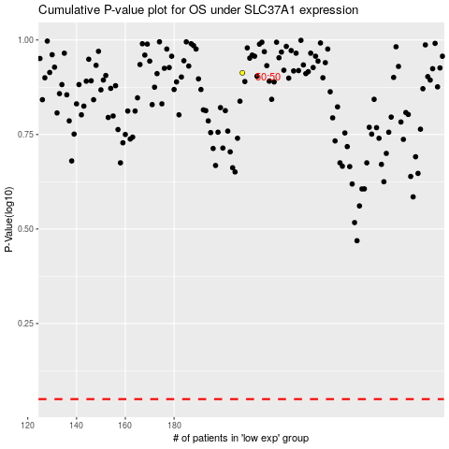

 |  |  |  |  |  | cases_OS | p_OS | rank | exp
 |  |  |  |  |  |  | cases_RFS | p_RFS | rank | exp

