SLC37A2 _multivariate
Reported by Tex Li-Hsing Chi. tex@gate.sinica.edu.tw 2019-08-15

Table 2. The clinicopathological features of HNSCC cohort and SLC37A2 expression. (Chi square test)
Cutoff at -0.181 (49.8%)
 |  | SLC37A2 expression |  | SLC37A2 expression |  | (Optimised)
 | Features | Low | (%) | High | (%) | Case no | P-value | Remark | Matthews
Gender | Female | 163 | 39.3 | 143 | 34.5 | 415 | 0.0277 | 1 | 0
2 | Male | 44 | 10.6 | 65 | 15.7
Age at diagnosis | <=65y | 136 | 32.8 | 138 | 33.3 | 415 | 0.9719 | 0 | 0
4 | >65y | 71 | 17.1 | 70 | 16.9
Clinical T Status | T1+T2 | 87 | 21 | 62 | 14.9 | 415 | 0.0127 | 1 | 0
6 | T3+T4 | 120 | 28.9 | 146 | 35.2
Clinical N Status | N0 | 100 | 24.1 | 116 | 28 | 415 | 0.1548 | 0 | 0
8 | N1-3 | 107 | 25.8 | 92 | 22.2
Clinical M Status | M0 | 205 | 49.4 | 207 | 49.9 | 415 | 0.6232 | 0 | 0
10 | M1 | 2 | 0.5 | 1 | 0.2
Clinical Stage | Stage I+II | 54 | 13 | 48 | 11.6 | 415 | 0.5498 | 0 | 0
12 | Stage III+IV | 153 | 36.9 | 160 | 38.6
Surgical Margin status | Negative | 153 | 36.9 | 165 | 39.8 | 415 | 0.2036 | 0 | 0
14 | Positive | 54 | 13 | 43 | 10.4
Tobacco Exposure | Low | 66 | 15.9 | 95 | 22.9 | 415 | 0.0048 | 1 | 0
16 | High | 141 | 34 | 113 | 27.2

Table 3. Univariate/Multivariate Cox's proportional hazards regression analyses on OS time of SLC37A2 gene expression in HNSCC

 |  | Univariate |  |  |  | Multivariate
 | Features | HR | CI95%(L) | CI95%(H) | P-value | HR | CI95%(L) | CI95%(H) | P-value
1 | Female | 1 |  |  |  | 1
Gender | Male | 1.157 | 0.843 | 1.587 | 0.367 | 1.181 | 0.842 | 1.656 | 0.335
11 | <=65y | 1 |  |  |  | 1
Age at diagnosis | >65y | 1.329 | 0.99 | 1.784 | 0.058 | 1.406 | 1.033 | 1.914 | 0.03
12 | T1+T2 | 1 |  |  |  | 1
Clinical T Status | T3+T4 | 1.409 | 1.028 | 1.931 | 0.033 | 2.149 | 1.133 | 4.076 | 0.019
13 | N0 | 1 |  |  |  | 1
Clinical N Status | N1-3 | 1.185 | 0.89 | 1.577 | 0.246 | 1.261 | 0.882 | 1.804 | 0.204
14 | M0 | 1 |  |  |  | 1
Clinical M Status | M1 | 4.097 | 1.009 | 16.644 | 0.049 | 9.23 | 2.012 | 42.341 | 0.004
15 | Stage I+II | 1 |  |  |  | 1
Clinical Stage | Stage III+IV | 1.245 | 0.882 | 1.759 | 0.213 | 0.509 | 0.237 | 1.093 | 0.083
16 | Negative | 1 |  |  |  | 1
Surgical Margin status | Positive | 1.591 | 1.155 | 2.191 | 0.004 | 1.675 | 1.212 | 2.314 | 0.002
17 | Low | 1 |  |  |  | 1
Tobacco Exposure | High | 1.364 | 1.008 | 1.844 | 0.044 | 1.478 | 1.069 | 2.044 | 0.018
18 | Low | 1 |  |  |  | 1
RNAseq(z-score) | High | 1.084 | 0.813 | 1.445 | 0.584 | 1.118 | 0.829 | 1.509 | 0.464

Table 4. Univariate/Multivariate Cox's proportional hazards regression analyses on RFS time of SLC37A2 gene expression in HNSCC

 |  | Univariate |  |  |  | Multivariate
 | Features | HR | CI95%(L) | CI95%(H) | P-value | HR | CI95%(L) | CI95%(H) | P-value
1 | Female | 1 |  |  |  | 1
Gender | Male | 1.157 | 0.843 | 1.587 | 0.367 | 1.181 | 0.842 | 1.656 | 0.335
11 | <=65y | 1 |  |  |  | 1
Age at diagnosis | >65y | 1.329 | 0.99 | 1.784 | 0.058 | 1.406 | 1.033 | 1.914 | 0.03
12 | T1+T2 | 1 |  |  |  | 1
Clinical T Status | T3+T4 | 1.409 | 1.028 | 1.931 | 0.033 | 2.149 | 1.133 | 4.076 | 0.019
13 | N0 | 1 |  |  |  | 1
Clinical N Status | N1-3 | 1.185 | 0.89 | 1.577 | 0.246 | 1.261 | 0.882 | 1.804 | 0.204
14 | M0 | 1 |  |  |  | 1
Clinical M Status | M1 | 4.097 | 1.009 | 16.644 | 0.049 | 9.23 | 2.012 | 42.341 | 0.004
15 | Stage I+II | 1 |  |  |  | 1
Clinical Stage | Stage III+IV | 1.245 | 0.882 | 1.759 | 0.213 | 0.509 | 0.237 | 1.093 | 0.083
16 | Negative | 1 |  |  |  | 1
Surgical Margin status | Positive | 1.591 | 1.155 | 2.191 | 0.004 | 1.675 | 1.212 | 2.314 | 0.002
17 | Low | 1 |  |  |  | 1
Tobacco Exposure | High | 1.364 | 1.008 | 1.844 | 0.044 | 1.478 | 1.069 | 2.044 | 0.018
18 | Low | 1 |  |  |  | 1
RNAseq(z-score) | High | 1.084 | 0.813 | 1.445 | 0.584 | 1.118 | 0.829 | 1.509 | 0.464

Kaplan-Meier survival estimate: Cutoff at -0.181 (49.8%)



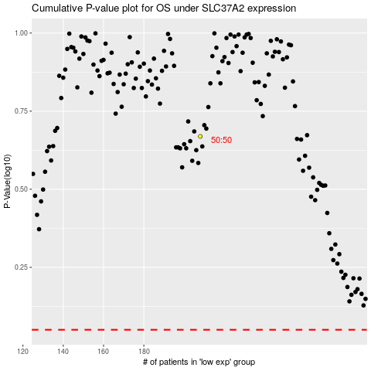

 |  |  |  |  |  | cases_OS | p_OS | rank | exp
 |  |  |  |  |  |  | cases_RFS | p_RFS | rank | exp

