SLC37A3 _multivariate
Reported by Tex Li-Hsing Chi. tex@gate.sinica.edu.tw 2019-08-15

Table 2. The clinicopathological features of HNSCC cohort and SLC37A3 expression. (Chi square test)
Cutoff at -0.069 (50.0%)
 |  | SLC37A3 expression |  | SLC37A3 expression |  | (Optimised)
 | Features | Low | (%) | High | (%) | Case no | P-value | Remark | Matthews
Gender | Female | 153 | 36.9 | 153 | 36.9 | 415 | 1 | 0 | 0
2 | Male | 54 | 13 | 55 | 13.3
Age at diagnosis | <=65y | 139 | 33.5 | 135 | 32.5 | 415 | 0.7044 | 0 | 0
4 | >65y | 68 | 16.4 | 73 | 17.6
Clinical T Status | T1+T2 | 74 | 17.8 | 75 | 18.1 | 415 | 1 | 0 | 0
6 | T3+T4 | 133 | 32 | 133 | 32
Clinical N Status | N0 | 108 | 26 | 108 | 26 | 415 | 1 | 0 | 0
8 | N1-3 | 99 | 23.9 | 100 | 24.1
Clinical M Status | M0 | 206 | 49.6 | 206 | 49.6 | 415 | 1 | 0 | 0
10 | M1 | 1 | 0.2 | 2 | 0.5
Clinical Stage | Stage I+II | 49 | 11.8 | 53 | 12.8 | 415 | 0.7535 | 0 | 0
12 | Stage III+IV | 158 | 38.1 | 155 | 37.3
Surgical Margin status | Negative | 160 | 38.6 | 158 | 38.1 | 415 | 0.8167 | 0 | 0
14 | Positive | 47 | 11.3 | 50 | 12
Tobacco Exposure | Low | 89 | 21.4 | 72 | 17.3 | 415 | 0.0872 | 0 | 0
16 | High | 118 | 28.4 | 136 | 32.8

Table 3. Univariate/Multivariate Cox's proportional hazards regression analyses on OS time of SLC37A3 gene expression in HNSCC

 |  | Univariate |  |  |  | Multivariate
 | Features | HR | CI95%(L) | CI95%(H) | P-value | HR | CI95%(L) | CI95%(H) | P-value
1 | Female | 1 |  |  |  | 1
Gender | Male | 1.157 | 0.843 | 1.587 | 0.367 | 1.209 | 0.865 | 1.688 | 0.267
11 | <=65y | 1 |  |  |  | 1
Age at diagnosis | >65y | 1.329 | 0.99 | 1.784 | 0.058 | 1.38 | 1.015 | 1.876 | 0.04
12 | T1+T2 | 1 |  |  |  | 1
Clinical T Status | T3+T4 | 1.409 | 1.028 | 1.931 | 0.033 | 2.218 | 1.173 | 4.192 | 0.014
13 | N0 | 1 |  |  |  | 1
Clinical N Status | N1-3 | 1.185 | 0.89 | 1.577 | 0.246 | 1.254 | 0.878 | 1.791 | 0.214
14 | M0 | 1 |  |  |  | 1
Clinical M Status | M1 | 4.097 | 1.009 | 16.644 | 0.049 | 9.288 | 2.026 | 42.582 | 0.004
15 | Stage I+II | 1 |  |  |  | 1
Clinical Stage | Stage III+IV | 1.245 | 0.882 | 1.759 | 0.213 | 0.508 | 0.236 | 1.09 | 0.082
16 | Negative | 1 |  |  |  | 1
Surgical Margin status | Positive | 1.591 | 1.155 | 2.191 | 0.004 | 1.685 | 1.219 | 2.329 | 0.002
17 | Low | 1 |  |  |  | 1
Tobacco Exposure | High | 1.364 | 1.008 | 1.844 | 0.044 | 1.447 | 1.05 | 1.993 | 0.024
18 | Low | 1 |  |  |  | 1
RNAseq(z-score) | High | 1.153 | 0.863 | 1.54 | 0.337 | 1.176 | 0.878 | 1.576 | 0.276

Table 4. Univariate/Multivariate Cox's proportional hazards regression analyses on RFS time of SLC37A3 gene expression in HNSCC

 |  | Univariate |  |  |  | Multivariate
 | Features | HR | CI95%(L) | CI95%(H) | P-value | HR | CI95%(L) | CI95%(H) | P-value
1 | Female | 1 |  |  |  | 1
Gender | Male | 1.157 | 0.843 | 1.587 | 0.367 | 1.209 | 0.865 | 1.688 | 0.267
11 | <=65y | 1 |  |  |  | 1
Age at diagnosis | >65y | 1.329 | 0.99 | 1.784 | 0.058 | 1.38 | 1.015 | 1.876 | 0.04
12 | T1+T2 | 1 |  |  |  | 1
Clinical T Status | T3+T4 | 1.409 | 1.028 | 1.931 | 0.033 | 2.218 | 1.173 | 4.192 | 0.014
13 | N0 | 1 |  |  |  | 1
Clinical N Status | N1-3 | 1.185 | 0.89 | 1.577 | 0.246 | 1.254 | 0.878 | 1.791 | 0.214
14 | M0 | 1 |  |  |  | 1
Clinical M Status | M1 | 4.097 | 1.009 | 16.644 | 0.049 | 9.288 | 2.026 | 42.582 | 0.004
15 | Stage I+II | 1 |  |  |  | 1
Clinical Stage | Stage III+IV | 1.245 | 0.882 | 1.759 | 0.213 | 0.508 | 0.236 | 1.09 | 0.082
16 | Negative | 1 |  |  |  | 1
Surgical Margin status | Positive | 1.591 | 1.155 | 2.191 | 0.004 | 1.685 | 1.219 | 2.329 | 0.002
17 | Low | 1 |  |  |  | 1
Tobacco Exposure | High | 1.364 | 1.008 | 1.844 | 0.044 | 1.447 | 1.05 | 1.993 | 0.024
18 | Low | 1 |  |  |  | 1
RNAseq(z-score) | High | 1.153 | 0.863 | 1.54 | 0.337 | 1.176 | 0.878 | 1.576 | 0.276

Kaplan-Meier survival estimate: Cutoff at -0.069 (50.0%)

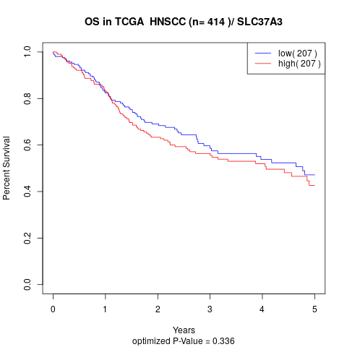

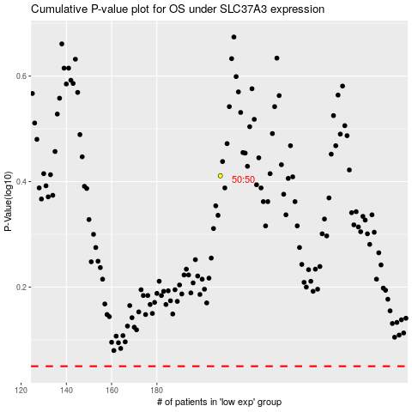

 |  |  |  |  |  | cases_OS | p_OS | rank | exp
 |  |  |  |  |  |  | cases_RFS | p_RFS | rank | exp

