SLC37A4 _multivariate
Reported by Tex Li-Hsing Chi. tex@gate.sinica.edu.tw 2019-08-15

Table 2. The clinicopathological features of HNSCC cohort and SLC37A4 expression. (Chi square test)
Cutoff at 0.168 (69.8%)
 |  | SLC37A4 expression |  | SLC37A4 expression |  | (Optimised)
 | Features | Low | (%) | High | (%) | Case no | P-value | Remark | Matthews
Gender | Female | 214 | 51.6 | 92 | 22.2 | 415 | 1 | 0 | 0
2 | Male | 76 | 18.3 | 33 | 8
Age at diagnosis | <=65y | 190 | 45.8 | 84 | 20.2 | 415 | 0.8266 | 0 | 0
4 | >65y | 100 | 24.1 | 41 | 9.9
Clinical T Status | T1+T2 | 110 | 26.5 | 39 | 9.4 | 415 | 0.2302 | 0 | 0
6 | T3+T4 | 180 | 43.4 | 86 | 20.7
Clinical N Status | N0 | 146 | 35.2 | 70 | 16.9 | 415 | 0.3417 | 0 | 0
8 | N1-3 | 144 | 34.7 | 55 | 13.3
Clinical M Status | M0 | 288 | 69.4 | 124 | 29.9 | 415 | 1 | 0 | 0
10 | M1 | 2 | 0.5 | 1 | 0.2
Clinical Stage | Stage I+II | 78 | 18.8 | 24 | 5.8 | 415 | 0.122 | 0 | 0
12 | Stage III+IV | 212 | 51.1 | 101 | 24.3
Surgical Margin status | Negative | 222 | 53.5 | 96 | 23.1 | 415 | 1 | 0 | 0
14 | Positive | 68 | 16.4 | 29 | 7
Tobacco Exposure | Low | 117 | 28.2 | 44 | 10.6 | 415 | 0.3798 | 0 | 0
16 | High | 173 | 41.7 | 81 | 19.5

Table 3. Univariate/Multivariate Cox's proportional hazards regression analyses on OS time of SLC37A4 gene expression in HNSCC

 |  | Univariate |  |  |  | Multivariate
 | Features | HR | CI95%(L) | CI95%(H) | P-value | HR | CI95%(L) | CI95%(H) | P-value
1 | Female | 1 |  |  |  | 1
Gender | Male | 1.157 | 0.843 | 1.587 | 0.367 | 1.217 | 0.871 | 1.701 | 0.25
11 | <=65y | 1 |  |  |  | 1
Age at diagnosis | >65y | 1.329 | 0.99 | 1.784 | 0.058 | 1.396 | 1.029 | 1.895 | 0.032
12 | T1+T2 | 1 |  |  |  | 1
Clinical T Status | T3+T4 | 1.409 | 1.028 | 1.931 | 0.033 | 2.287 | 1.208 | 4.329 | 0.011
13 | N0 | 1 |  |  |  | 1
Clinical N Status | N1-3 | 1.185 | 0.89 | 1.577 | 0.246 | 1.274 | 0.892 | 1.821 | 0.183
14 | M0 | 1 |  |  |  | 1
Clinical M Status | M1 | 4.097 | 1.009 | 16.644 | 0.049 | 9.263 | 2.018 | 42.522 | 0.004
15 | Stage I+II | 1 |  |  |  | 1
Clinical Stage | Stage III+IV | 1.245 | 0.882 | 1.759 | 0.213 | 0.471 | 0.219 | 1.014 | 0.054
16 | Negative | 1 |  |  |  | 1
Surgical Margin status | Positive | 1.591 | 1.155 | 2.191 | 0.004 | 1.678 | 1.213 | 2.321 | 0.002
17 | Low | 1 |  |  |  | 1
Tobacco Exposure | High | 1.364 | 1.008 | 1.844 | 0.044 | 1.425 | 1.034 | 1.963 | 0.03
18 | Low | 1 |  |  |  | 1
RNAseq(z-score) | High | 1.405 | 1.03 | 1.917 | 0.032 | 1.428 | 1.043 | 1.956 | 0.026

Table 4. Univariate/Multivariate Cox's proportional hazards regression analyses on RFS time of SLC37A4 gene expression in HNSCC

 |  | Univariate |  |  |  | Multivariate
 | Features | HR | CI95%(L) | CI95%(H) | P-value | HR | CI95%(L) | CI95%(H) | P-value
1 | Female | 1 |  |  |  | 1
Gender | Male | 1.157 | 0.843 | 1.587 | 0.367 | 1.217 | 0.871 | 1.701 | 0.25
11 | <=65y | 1 |  |  |  | 1
Age at diagnosis | >65y | 1.329 | 0.99 | 1.784 | 0.058 | 1.396 | 1.029 | 1.895 | 0.032
12 | T1+T2 | 1 |  |  |  | 1
Clinical T Status | T3+T4 | 1.409 | 1.028 | 1.931 | 0.033 | 2.287 | 1.208 | 4.329 | 0.011
13 | N0 | 1 |  |  |  | 1
Clinical N Status | N1-3 | 1.185 | 0.89 | 1.577 | 0.246 | 1.274 | 0.892 | 1.821 | 0.183
14 | M0 | 1 |  |  |  | 1
Clinical M Status | M1 | 4.097 | 1.009 | 16.644 | 0.049 | 9.263 | 2.018 | 42.522 | 0.004
15 | Stage I+II | 1 |  |  |  | 1
Clinical Stage | Stage III+IV | 1.245 | 0.882 | 1.759 | 0.213 | 0.471 | 0.219 | 1.014 | 0.054
16 | Negative | 1 |  |  |  | 1
Surgical Margin status | Positive | 1.591 | 1.155 | 2.191 | 0.004 | 1.678 | 1.213 | 2.321 | 0.002
17 | Low | 1 |  |  |  | 1
Tobacco Exposure | High | 1.364 | 1.008 | 1.844 | 0.044 | 1.425 | 1.034 | 1.963 | 0.03
18 | Low | 1 |  |  |  | 1
RNAseq(z-score) | High | 1.405 | 1.03 | 1.917 | 0.032 | 1.428 | 1.043 | 1.956 | 0.026

Kaplan-Meier survival estimate: Cutoff at 0.168 (69.8%)



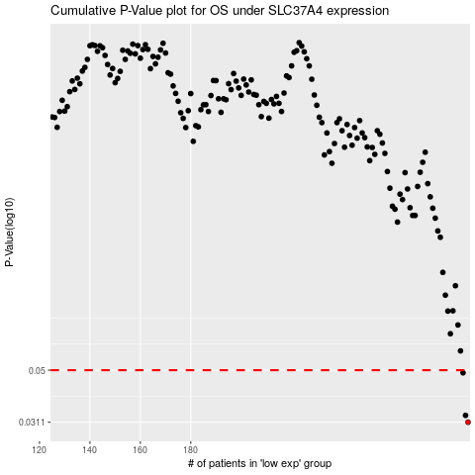

 |  |  |  |  |  | cases_OS | p_OS | rank | exp
 |  |  |  |  |  | 290 | 0.0311 | 109 | 0.1676887784
 |  |  |  |  |  | 289 | 0.0331 | 304 | 0.16262364018
 |  |  |  |  |  | 288 | 0.0488 | 32 | 0.16228401941
 |  |  |  |  |  |  | cases_RFS | p_RFS | rank | exp
 |  |  |  |  |  |  | 289 | 0.0311 | 304 | 0.16262364018
 |  |  |  |  |  |  | 288 | 0.0331 | 32 | 0.16228401941
 |  |  |  |  |  |  | 287 | 0.0488 | 157 | 0.15384634241

