SLC38A10 _multivariate
Reported by Tex Li-Hsing Chi. tex@gate.sinica.edu.tw 2019-08-15

Table 2. The clinicopathological features of HNSCC cohort and SLC38A10 expression. (Chi square test)
Cutoff at -0.066 (49.8%)
 |  | SLC38A10 expression |  | SLC38A10 expression |  | (Optimised)
 | Features | Low | (%) | High | (%) | Case no | P-value | Remark | Matthews
Gender | Female | 147 | 35.4 | 159 | 38.3 | 415 | 0.2523 | 0 | 0
2 | Male | 60 | 14.5 | 49 | 11.8
Age at diagnosis | <=65y | 134 | 32.3 | 140 | 33.7 | 415 | 0.6529 | 0 | 0
4 | >65y | 73 | 17.6 | 68 | 16.4
Clinical T Status | T1+T2 | 80 | 19.3 | 69 | 16.6 | 415 | 0.2891 | 0 | 0
6 | T3+T4 | 127 | 30.6 | 139 | 33.5
Clinical N Status | N0 | 113 | 27.2 | 103 | 24.8 | 415 | 0.3495 | 1 | 0
8 | N1-3 | 94 | 22.7 | 105 | 25.3
Clinical M Status | M0 | 206 | 49.6 | 206 | 49.6 | 415 | 1 | 0 | 0
10 | M1 | 1 | 0.2 | 2 | 0.5
Clinical Stage | Stage I+II | 56 | 13.5 | 46 | 11.1 | 415 | 0.2918 | 0 | 0
12 | Stage III+IV | 151 | 36.4 | 162 | 39
Surgical Margin status | Negative | 159 | 38.3 | 159 | 38.3 | 415 | 1 | 0 | 0
14 | Positive | 48 | 11.6 | 49 | 11.8
Tobacco Exposure | Low | 81 | 19.5 | 80 | 19.3 | 415 | 0.9199 | 0 | 0
16 | High | 126 | 30.4 | 128 | 30.8

Table 3. Univariate/Multivariate Cox's proportional hazards regression analyses on OS time of SLC38A10 gene expression in HNSCC

 |  | Univariate |  |  |  | Multivariate
 | Features | HR | CI95%(L) | CI95%(H) | P-value | HR | CI95%(L) | CI95%(H) | P-value
1 | Female | 1 |  |  |  | 1
Gender | Male | 1.157 | 0.843 | 1.587 | 0.367 | 1.21 | 0.865 | 1.693 | 0.266
11 | <=65y | 1 |  |  |  | 1
Age at diagnosis | >65y | 1.329 | 0.99 | 1.784 | 0.058 | 1.394 | 1.025 | 1.894 | 0.034
12 | T1+T2 | 1 |  |  |  | 1
Clinical T Status | T3+T4 | 1.409 | 1.028 | 1.931 | 0.033 | 2.173 | 1.146 | 4.12 | 0.017
13 | N0 | 1 |  |  |  | 1
Clinical N Status | N1-3 | 1.185 | 0.89 | 1.577 | 0.246 | 1.231 | 0.862 | 1.76 | 0.253
14 | M0 | 1 |  |  |  | 1
Clinical M Status | M1 | 4.097 | 1.009 | 16.644 | 0.049 | 9.273 | 2.02 | 42.555 | 0.004
15 | Stage I+II | 1 |  |  |  | 1
Clinical Stage | Stage III+IV | 1.245 | 0.882 | 1.759 | 0.213 | 0.51 | 0.237 | 1.096 | 0.085
16 | Negative | 1 |  |  |  | 1
Surgical Margin status | Positive | 1.591 | 1.155 | 2.191 | 0.004 | 1.67 | 1.208 | 2.307 | 0.002
17 | Low | 1 |  |  |  | 1
Tobacco Exposure | High | 1.364 | 1.008 | 1.844 | 0.044 | 1.455 | 1.056 | 2.006 | 0.022
18 | Low | 1 |  |  |  | 1
RNAseq(z-score) | High | 1.101 | 0.827 | 1.466 | 0.51 | 1.07 | 0.8 | 1.431 | 0.648

Table 4. Univariate/Multivariate Cox's proportional hazards regression analyses on RFS time of SLC38A10 gene expression in HNSCC

 |  | Univariate |  |  |  | Multivariate
 | Features | HR | CI95%(L) | CI95%(H) | P-value | HR | CI95%(L) | CI95%(H) | P-value
1 | Female | 1 |  |  |  | 1
Gender | Male | 1.157 | 0.843 | 1.587 | 0.367 | 1.21 | 0.865 | 1.693 | 0.266
11 | <=65y | 1 |  |  |  | 1
Age at diagnosis | >65y | 1.329 | 0.99 | 1.784 | 0.058 | 1.394 | 1.025 | 1.894 | 0.034
12 | T1+T2 | 1 |  |  |  | 1
Clinical T Status | T3+T4 | 1.409 | 1.028 | 1.931 | 0.033 | 2.173 | 1.146 | 4.12 | 0.017
13 | N0 | 1 |  |  |  | 1
Clinical N Status | N1-3 | 1.185 | 0.89 | 1.577 | 0.246 | 1.231 | 0.862 | 1.76 | 0.253
14 | M0 | 1 |  |  |  | 1
Clinical M Status | M1 | 4.097 | 1.009 | 16.644 | 0.049 | 9.273 | 2.02 | 42.555 | 0.004
15 | Stage I+II | 1 |  |  |  | 1
Clinical Stage | Stage III+IV | 1.245 | 0.882 | 1.759 | 0.213 | 0.51 | 0.237 | 1.096 | 0.085
16 | Negative | 1 |  |  |  | 1
Surgical Margin status | Positive | 1.591 | 1.155 | 2.191 | 0.004 | 1.67 | 1.208 | 2.307 | 0.002
17 | Low | 1 |  |  |  | 1
Tobacco Exposure | High | 1.364 | 1.008 | 1.844 | 0.044 | 1.455 | 1.056 | 2.006 | 0.022
18 | Low | 1 |  |  |  | 1
RNAseq(z-score) | High | 1.101 | 0.827 | 1.466 | 0.51 | 1.07 | 0.8 | 1.431 | 0.648

Kaplan-Meier survival estimate: Cutoff at -0.066 (49.8%)



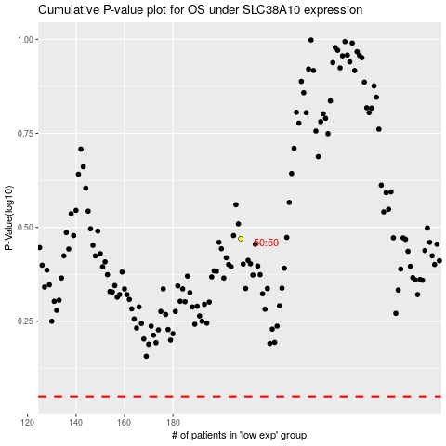

 |  |  |  |  |  | cases_OS | p_OS | rank | exp
 |  |  |  |  |  |  | cases_RFS | p_RFS | rank | exp

