SLC38A2 _multivariate
Reported by Tex Li-Hsing Chi. tex@gate.sinica.edu.tw 2019-08-15

Table 2. The clinicopathological features of HNSCC cohort and SLC38A2 expression. (Chi square test)
Cutoff at 0.397 (69.3%)
 |  | SLC38A2 expression |  | SLC38A2 expression |  | (Optimised)
 | Features | Low | (%) | High | (%) | Case no | P-value | Remark | Matthews
Gender | Female | 218 | 52.5 | 88 | 21.2 | 415 | 0.1555 | 0 | 0
2 | Male | 69 | 16.6 | 40 | 9.6
Age at diagnosis | <=65y | 186 | 44.8 | 88 | 21.2 | 415 | 0.5024 | 0 | 0
4 | >65y | 101 | 24.3 | 40 | 9.6
Clinical T Status | T1+T2 | 101 | 24.3 | 48 | 11.6 | 415 | 0.7324 | 0 | 0
6 | T3+T4 | 186 | 44.8 | 80 | 19.3
Clinical N Status | N0 | 145 | 34.9 | 71 | 17.1 | 415 | 0.4093 | 0 | 0
8 | N1-3 | 142 | 34.2 | 57 | 13.7
Clinical M Status | M0 | 285 | 68.7 | 127 | 30.6 | 415 | 1 | 0 | 0
10 | M1 | 2 | 0.5 | 1 | 0.2
Clinical Stage | Stage I+II | 64 | 15.4 | 38 | 9.2 | 415 | 0.136 | 0 | 0
12 | Stage III+IV | 223 | 53.7 | 90 | 21.7
Surgical Margin status | Negative | 223 | 53.7 | 95 | 22.9 | 415 | 0.4528 | 0 | 0
14 | Positive | 64 | 15.4 | 33 | 8
Tobacco Exposure | Low | 105 | 25.3 | 56 | 13.5 | 415 | 0.1907 | 0 | 0
16 | High | 182 | 43.9 | 72 | 17.3

Table 3. Univariate/Multivariate Cox's proportional hazards regression analyses on OS time of SLC38A2 gene expression in HNSCC

 |  | Univariate |  |  |  | Multivariate
 | Features | HR | CI95%(L) | CI95%(H) | P-value | HR | CI95%(L) | CI95%(H) | P-value
1 | Female | 1 |  |  |  | 1
Gender | Male | 1.157 | 0.843 | 1.587 | 0.367 | 1.18 | 0.845 | 1.647 | 0.332
11 | <=65y | 1 |  |  |  | 1
Age at diagnosis | >65y | 1.329 | 0.99 | 1.784 | 0.058 | 1.443 | 1.058 | 1.967 | 0.02
12 | T1+T2 | 1 |  |  |  | 1
Clinical T Status | T3+T4 | 1.409 | 1.028 | 1.931 | 0.033 | 2.189 | 1.159 | 4.134 | 0.016
13 | N0 | 1 |  |  |  | 1
Clinical N Status | N1-3 | 1.185 | 0.89 | 1.577 | 0.246 | 1.269 | 0.889 | 1.81 | 0.19
14 | M0 | 1 |  |  |  | 1
Clinical M Status | M1 | 4.097 | 1.009 | 16.644 | 0.049 | 9.598 | 2.093 | 44.021 | 0.004
15 | Stage I+II | 1 |  |  |  | 1
Clinical Stage | Stage III+IV | 1.245 | 0.882 | 1.759 | 0.213 | 0.524 | 0.244 | 1.124 | 0.097
16 | Negative | 1 |  |  |  | 1
Surgical Margin status | Positive | 1.591 | 1.155 | 2.191 | 0.004 | 1.631 | 1.179 | 2.257 | 0.003
17 | Low | 1 |  |  |  | 1
Tobacco Exposure | High | 1.364 | 1.008 | 1.844 | 0.044 | 1.507 | 1.092 | 2.08 | 0.013
18 | Low | 1 |  |  |  | 1
RNAseq(z-score) | High | 1.379 | 1.015 | 1.871 | 0.04 | 1.478 | 1.08 | 2.022 | 0.015

Table 4. Univariate/Multivariate Cox's proportional hazards regression analyses on RFS time of SLC38A2 gene expression in HNSCC

 |  | Univariate |  |  |  | Multivariate
 | Features | HR | CI95%(L) | CI95%(H) | P-value | HR | CI95%(L) | CI95%(H) | P-value
1 | Female | 1 |  |  |  | 1
Gender | Male | 1.157 | 0.843 | 1.587 | 0.367 | 1.18 | 0.845 | 1.647 | 0.332
11 | <=65y | 1 |  |  |  | 1
Age at diagnosis | >65y | 1.329 | 0.99 | 1.784 | 0.058 | 1.443 | 1.058 | 1.967 | 0.02
12 | T1+T2 | 1 |  |  |  | 1
Clinical T Status | T3+T4 | 1.409 | 1.028 | 1.931 | 0.033 | 2.189 | 1.159 | 4.134 | 0.016
13 | N0 | 1 |  |  |  | 1
Clinical N Status | N1-3 | 1.185 | 0.89 | 1.577 | 0.246 | 1.269 | 0.889 | 1.81 | 0.19
14 | M0 | 1 |  |  |  | 1
Clinical M Status | M1 | 4.097 | 1.009 | 16.644 | 0.049 | 9.598 | 2.093 | 44.021 | 0.004
15 | Stage I+II | 1 |  |  |  | 1
Clinical Stage | Stage III+IV | 1.245 | 0.882 | 1.759 | 0.213 | 0.524 | 0.244 | 1.124 | 0.097
16 | Negative | 1 |  |  |  | 1
Surgical Margin status | Positive | 1.591 | 1.155 | 2.191 | 0.004 | 1.631 | 1.179 | 2.257 | 0.003
17 | Low | 1 |  |  |  | 1
Tobacco Exposure | High | 1.364 | 1.008 | 1.844 | 0.044 | 1.507 | 1.092 | 2.08 | 0.013
18 | Low | 1 |  |  |  | 1
RNAseq(z-score) | High | 1.379 | 1.015 | 1.871 | 0.04 | 1.478 | 1.08 | 2.022 | 0.015

Kaplan-Meier survival estimate: Cutoff at 0.397 (69.3%)



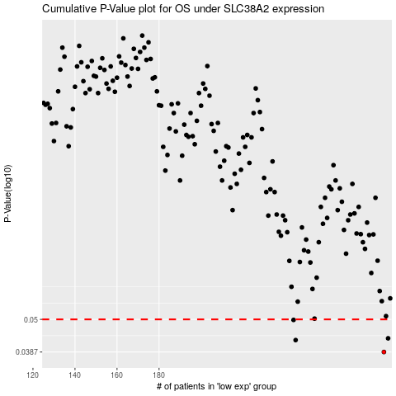

 |  |  |  |  |  | cases_OS | p_OS | rank | exp
 |  |  |  |  |  | 287 | 0.0387 | 208 | 0.39719221196
 |  |  |  |  |  | 245 | 0.0425 | 38 | 0.095133422688
 |  |  |  |  |  | 289 | 0.0431 | 68 | 0.40796472979
 |  |  |  |  |  | 244 | 0.0498 | 156 | 0.093041654745
 |  |  |  |  |  |  | cases_RFS | p_RFS | rank | exp
 |  |  |  |  |  |  | 286 | 0.0387 | 368 | 0.38824635122
 |  |  |  |  |  |  | 244 | 0.0425 | 156 | 0.093041654745
 |  |  |  |  |  |  | 288 | 0.0431 | 91 | 0.4028786131
 |  |  |  |  |  |  | 243 | 0.0498 | 50 | 0.069579473237

