SLC38A3 _multivariate
Reported by Tex Li-Hsing Chi. tex@gate.sinica.edu.tw 2019-08-15

Table 2. The clinicopathological features of HNSCC cohort and SLC38A3 expression. (Chi square test)
Cutoff at -0.206 (59.9%)
 |  | SLC38A3 expression |  | SLC38A3 expression |  | (Optimised)
 | Features | Low | (%) | High | (%) | Case no | P-value | Remark | Matthews
Gender | Female | 186 | 44.8 | 120 | 28.9 | 415 | 0.6653 | 0 | 0
2 | Male | 63 | 15.2 | 46 | 11.1
Age at diagnosis | <=65y | 168 | 40.5 | 106 | 25.5 | 415 | 0.5119 | 0 | 0
4 | >65y | 81 | 19.5 | 60 | 14.5
Clinical T Status | T1+T2 | 81 | 19.5 | 68 | 16.4 | 415 | 0.0989 | 0 | 0
6 | T3+T4 | 168 | 40.5 | 98 | 23.6
Clinical N Status | N0 | 117 | 28.2 | 99 | 23.9 | 415 | 0.0152 | 1 | 0
8 | N1-3 | 132 | 31.8 | 67 | 16.1
Clinical M Status | M0 | 246 | 59.3 | 166 | 40 | 415 | 0.2783 | 0 | 0
10 | M1 | 3 | 0.7 | 0 | 0
Clinical Stage | Stage I+II | 53 | 12.8 | 49 | 11.8 | 415 | 0.0731 | 0 | 0
12 | Stage III+IV | 196 | 47.2 | 117 | 28.2
Surgical Margin status | Negative | 187 | 45.1 | 131 | 31.6 | 415 | 0.4081 | 0 | 0
14 | Positive | 62 | 14.9 | 35 | 8.4
Tobacco Exposure | Low | 90 | 21.7 | 71 | 17.1 | 415 | 0.1827 | 0 | 0
16 | High | 159 | 38.3 | 95 | 22.9

Table 3. Univariate/Multivariate Cox's proportional hazards regression analyses on OS time of SLC38A3 gene expression in HNSCC

 |  | Univariate |  |  |  | Multivariate
 | Features | HR | CI95%(L) | CI95%(H) | P-value | HR | CI95%(L) | CI95%(H) | P-value
1 | Female | 1 |  |  |  | 1
Gender | Male | 1.157 | 0.843 | 1.587 | 0.367 | 1.219 | 0.87 | 1.707 | 0.25
11 | <=65y | 1 |  |  |  | 1
Age at diagnosis | >65y | 1.329 | 0.99 | 1.784 | 0.058 | 1.425 | 1.047 | 1.939 | 0.024
12 | T1+T2 | 1 |  |  |  | 1
Clinical T Status | T3+T4 | 1.409 | 1.028 | 1.931 | 0.033 | 2.163 | 1.144 | 4.088 | 0.018
13 | N0 | 1 |  |  |  | 1
Clinical N Status | N1-3 | 1.185 | 0.89 | 1.577 | 0.246 | 1.221 | 0.855 | 1.744 | 0.272
14 | M0 | 1 |  |  |  | 1
Clinical M Status | M1 | 4.097 | 1.009 | 16.644 | 0.049 | 8.384 | 1.823 | 38.565 | 0.006
15 | Stage I+II | 1 |  |  |  | 1
Clinical Stage | Stage III+IV | 1.245 | 0.882 | 1.759 | 0.213 | 0.511 | 0.238 | 1.097 | 0.085
16 | Negative | 1 |  |  |  | 1
Surgical Margin status | Positive | 1.591 | 1.155 | 2.191 | 0.004 | 1.668 | 1.207 | 2.305 | 0.002
17 | Low | 1 |  |  |  | 1
Tobacco Exposure | High | 1.364 | 1.008 | 1.844 | 0.044 | 1.47 | 1.063 | 2.033 | 0.02
18 | Low | 1 |  |  |  | 1
RNAseq(z-score) | High | 0.717 | 0.529 | 0.972 | 0.032 | 0.725 | 0.533 | 0.985 | 0.04

Table 4. Univariate/Multivariate Cox's proportional hazards regression analyses on RFS time of SLC38A3 gene expression in HNSCC

 |  | Univariate |  |  |  | Multivariate
 | Features | HR | CI95%(L) | CI95%(H) | P-value | HR | CI95%(L) | CI95%(H) | P-value
1 | Female | 1 |  |  |  | 1
Gender | Male | 1.157 | 0.843 | 1.587 | 0.367 | 1.219 | 0.87 | 1.707 | 0.25
11 | <=65y | 1 |  |  |  | 1
Age at diagnosis | >65y | 1.329 | 0.99 | 1.784 | 0.058 | 1.425 | 1.047 | 1.939 | 0.024
12 | T1+T2 | 1 |  |  |  | 1
Clinical T Status | T3+T4 | 1.409 | 1.028 | 1.931 | 0.033 | 2.163 | 1.144 | 4.088 | 0.018
13 | N0 | 1 |  |  |  | 1
Clinical N Status | N1-3 | 1.185 | 0.89 | 1.577 | 0.246 | 1.221 | 0.855 | 1.744 | 0.272
14 | M0 | 1 |  |  |  | 1
Clinical M Status | M1 | 4.097 | 1.009 | 16.644 | 0.049 | 8.384 | 1.823 | 38.565 | 0.006
15 | Stage I+II | 1 |  |  |  | 1
Clinical Stage | Stage III+IV | 1.245 | 0.882 | 1.759 | 0.213 | 0.511 | 0.238 | 1.097 | 0.085
16 | Negative | 1 |  |  |  | 1
Surgical Margin status | Positive | 1.591 | 1.155 | 2.191 | 0.004 | 1.668 | 1.207 | 2.305 | 0.002
17 | Low | 1 |  |  |  | 1
Tobacco Exposure | High | 1.364 | 1.008 | 1.844 | 0.044 | 1.47 | 1.063 | 2.033 | 0.02
18 | Low | 1 |  |  |  | 1
RNAseq(z-score) | High | 0.717 | 0.529 | 0.972 | 0.032 | 0.725 | 0.533 | 0.985 | 0.04

Kaplan-Meier survival estimate: Cutoff at -0.206 (59.9%)

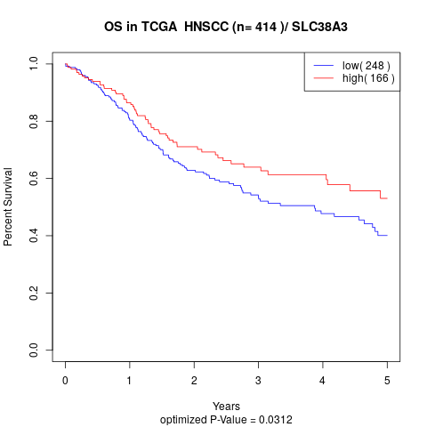

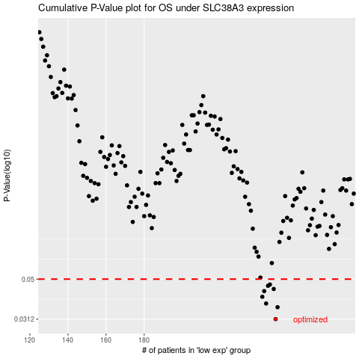

 |  |  |  |  |  | cases_OS | p_OS | rank | exp
 |  |  |  |  |  | 249 | 0.0312 | 103 | -0.2063724568
 |  |  |  |  |  | 250 | 0.0359 | 271 | -0.20600411597
 |  |  |  |  |  | 244 | 0.0375 | 152 | -0.21259182961
 |  |  |  |  |  | 242 | 0.0406 | 98 | -0.21334610057
 |  |  |  |  |  | 243 | 0.0434 | 142 | -0.21292085316
 |  |  |  |  |  | 248 | 0.0445 | 198 | -0.20839212336
 |  |  |  |  |  | 245 | 0.0462 | 345 | -0.21091981056
 |  |  |  |  |  | 246 | 0.0469 | 51 | -0.21086600797
 |  |  |  |  |  |  | cases_RFS | p_RFS | rank | exp
 |  |  |  |  |  |  | 248 | 0.0312 | 198 | -0.20839212336
 |  |  |  |  |  |  | 249 | 0.0359 | 103 | -0.2063724568
 |  |  |  |  |  |  | 243 | 0.0375 | 142 | -0.21292085316
 |  |  |  |  |  |  | 241 | 0.0406 | 260 | -0.21365132682
 |  |  |  |  |  |  | 242 | 0.0434 | 98 | -0.21334610057
 |  |  |  |  |  |  | 247 | 0.0445 | 61 | -0.21082255203
 |  |  |  |  |  |  | 244 | 0.0462 | 152 | -0.21259182961
 |  |  |  |  |  |  | 245 | 0.0469 | 345 | -0.21091981056

