SLC38A4 _multivariate
Reported by Tex Li-Hsing Chi. tex@gate.sinica.edu.tw 2019-08-15

Table 2. The clinicopathological features of HNSCC cohort and SLC38A4 expression. (Chi square test)
Cutoff at -0.313 (50.0%)
 |  | SLC38A4 expression |  | SLC38A4 expression |  | (Optimised)
 | Features | Low | (%) | High | (%) | Case no | P-value | Remark | Matthews
Gender | Female | 149 | 35.9 | 157 | 37.8 | 415 | 0.4848 | 0 | 0
2 | Male | 58 | 14 | 51 | 12.3
Age at diagnosis | <=65y | 134 | 32.3 | 140 | 33.7 | 415 | 0.6529 | 0 | 0
4 | >65y | 73 | 17.6 | 68 | 16.4
Clinical T Status | T1+T2 | 61 | 14.7 | 88 | 21.2 | 415 | 0.0087 | 1 | 0
6 | T3+T4 | 146 | 35.2 | 120 | 28.9
Clinical N Status | N0 | 102 | 24.6 | 114 | 27.5 | 415 | 0.3031 | 0 | 0
8 | N1-3 | 105 | 25.3 | 94 | 22.7
Clinical M Status | M0 | 206 | 49.6 | 206 | 49.6 | 415 | 1 | 0 | 0
10 | M1 | 1 | 0.2 | 2 | 0.5
Clinical Stage | Stage I+II | 37 | 8.9 | 65 | 15.7 | 415 | 0.0023 | 1 | 0
12 | Stage III+IV | 170 | 41 | 143 | 34.5
Surgical Margin status | Negative | 156 | 37.6 | 162 | 39 | 415 | 0.5636 | 0 | 0
14 | Positive | 51 | 12.3 | 46 | 11.1
Tobacco Exposure | Low | 74 | 17.8 | 87 | 21 | 415 | 0.227 | 0 | 0
16 | High | 133 | 32 | 121 | 29.2

Table 3. Univariate/Multivariate Cox's proportional hazards regression analyses on OS time of SLC38A4 gene expression in HNSCC

 |  | Univariate |  |  |  | Multivariate
 | Features | HR | CI95%(L) | CI95%(H) | P-value | HR | CI95%(L) | CI95%(H) | P-value
1 | Female | 1 |  |  |  | 1
Gender | Male | 1.157 | 0.843 | 1.587 | 0.367 | 1.214 | 0.867 | 1.702 | 0.259
11 | <=65y | 1 |  |  |  | 1
Age at diagnosis | >65y | 1.329 | 0.99 | 1.784 | 0.058 | 1.392 | 1.024 | 1.891 | 0.035
12 | T1+T2 | 1 |  |  |  | 1
Clinical T Status | T3+T4 | 1.409 | 1.028 | 1.931 | 0.033 | 2.205 | 1.166 | 4.17 | 0.015
13 | N0 | 1 |  |  |  | 1
Clinical N Status | N1-3 | 1.185 | 0.89 | 1.577 | 0.246 | 1.238 | 0.868 | 1.767 | 0.239
14 | M0 | 1 |  |  |  | 1
Clinical M Status | M1 | 4.097 | 1.009 | 16.644 | 0.049 | 9.345 | 2.038 | 42.85 | 0.004
15 | Stage I+II | 1 |  |  |  | 1
Clinical Stage | Stage III+IV | 1.245 | 0.882 | 1.759 | 0.213 | 0.512 | 0.238 | 1.103 | 0.088
16 | Negative | 1 |  |  |  | 1
Surgical Margin status | Positive | 1.591 | 1.155 | 2.191 | 0.004 | 1.669 | 1.208 | 2.307 | 0.002
17 | Low | 1 |  |  |  | 1
Tobacco Exposure | High | 1.364 | 1.008 | 1.844 | 0.044 | 1.457 | 1.057 | 2.007 | 0.021
18 | Low | 1 |  |  |  | 1
RNAseq(z-score) | High | 0.995 | 0.747 | 1.325 | 0.972 | 1.068 | 0.796 | 1.433 | 0.661

Table 4. Univariate/Multivariate Cox's proportional hazards regression analyses on RFS time of SLC38A4 gene expression in HNSCC

 |  | Univariate |  |  |  | Multivariate
 | Features | HR | CI95%(L) | CI95%(H) | P-value | HR | CI95%(L) | CI95%(H) | P-value
1 | Female | 1 |  |  |  | 1
Gender | Male | 1.157 | 0.843 | 1.587 | 0.367 | 1.214 | 0.867 | 1.702 | 0.259
11 | <=65y | 1 |  |  |  | 1
Age at diagnosis | >65y | 1.329 | 0.99 | 1.784 | 0.058 | 1.392 | 1.024 | 1.891 | 0.035
12 | T1+T2 | 1 |  |  |  | 1
Clinical T Status | T3+T4 | 1.409 | 1.028 | 1.931 | 0.033 | 2.205 | 1.166 | 4.17 | 0.015
13 | N0 | 1 |  |  |  | 1
Clinical N Status | N1-3 | 1.185 | 0.89 | 1.577 | 0.246 | 1.238 | 0.868 | 1.767 | 0.239
14 | M0 | 1 |  |  |  | 1
Clinical M Status | M1 | 4.097 | 1.009 | 16.644 | 0.049 | 9.345 | 2.038 | 42.85 | 0.004
15 | Stage I+II | 1 |  |  |  | 1
Clinical Stage | Stage III+IV | 1.245 | 0.882 | 1.759 | 0.213 | 0.512 | 0.238 | 1.103 | 0.088
16 | Negative | 1 |  |  |  | 1
Surgical Margin status | Positive | 1.591 | 1.155 | 2.191 | 0.004 | 1.669 | 1.208 | 2.307 | 0.002
17 | Low | 1 |  |  |  | 1
Tobacco Exposure | High | 1.364 | 1.008 | 1.844 | 0.044 | 1.457 | 1.057 | 2.007 | 0.021
18 | Low | 1 |  |  |  | 1
RNAseq(z-score) | High | 0.995 | 0.747 | 1.325 | 0.972 | 1.068 | 0.796 | 1.433 | 0.661

Kaplan-Meier survival estimate: Cutoff at -0.313 (50.0%)



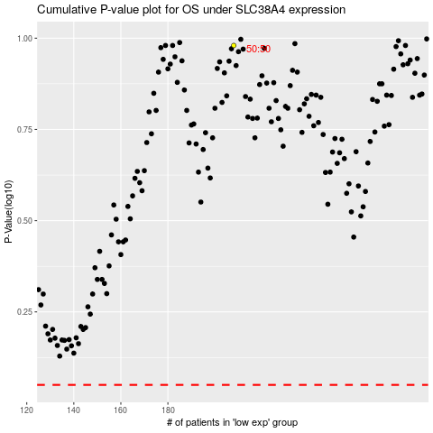

 |  |  |  |  |  | cases_OS | p_OS | rank | exp
 |  |  |  |  |  |  | cases_RFS | p_RFS | rank | exp

