SLC38A7 _multivariate
Reported by Tex Li-Hsing Chi. tex@gate.sinica.edu.tw 2019-08-15

Table 2. The clinicopathological features of HNSCC cohort and SLC38A7 expression. (Chi square test)
Cutoff at 0.022 (50.0%)
 |  | SLC38A7 expression |  | SLC38A7 expression |  | (Optimised)
 | Features | Low | (%) | High | (%) | Case no | P-value | Remark | Matthews
Gender | Female | 154 | 37.1 | 152 | 36.6 | 415 | 0.8463 | 0 | 0
2 | Male | 53 | 12.8 | 56 | 13.5
Age at diagnosis | <=65y | 137 | 33 | 137 | 33 | 415 | 1 | 0 | 0
4 | >65y | 70 | 16.9 | 71 | 17.1
Clinical T Status | T1+T2 | 74 | 17.8 | 75 | 18.1 | 415 | 1 | 0 | 0
6 | T3+T4 | 133 | 32 | 133 | 32
Clinical N Status | N0 | 111 | 26.7 | 105 | 25.3 | 415 | 0.5875 | 0 | 0
8 | N1-3 | 96 | 23.1 | 103 | 24.8
Clinical M Status | M0 | 205 | 49.4 | 207 | 49.9 | 415 | 0.6232 | 0 | 0
10 | M1 | 2 | 0.5 | 1 | 0.2
Clinical Stage | Stage I+II | 47 | 11.3 | 55 | 13.3 | 415 | 0.4413 | 0 | 0
12 | Stage III+IV | 160 | 38.6 | 153 | 36.9
Surgical Margin status | Negative | 151 | 36.4 | 167 | 40.2 | 415 | 0.0828 | 0 | 0
14 | Positive | 56 | 13.5 | 41 | 9.9
Tobacco Exposure | Low | 78 | 18.8 | 83 | 20 | 415 | 0.6873 | 0 | 0
16 | High | 129 | 31.1 | 125 | 30.1

Table 3. Univariate/Multivariate Cox's proportional hazards regression analyses on OS time of SLC38A7 gene expression in HNSCC

 |  | Univariate |  |  |  | Multivariate
 | Features | HR | CI95%(L) | CI95%(H) | P-value | HR | CI95%(L) | CI95%(H) | P-value
1 | Female | 1 |  |  |  | 1
Gender | Male | 1.157 | 0.843 | 1.587 | 0.367 | 1.224 | 0.875 | 1.713 | 0.239
11 | <=65y | 1 |  |  |  | 1
Age at diagnosis | >65y | 1.329 | 0.99 | 1.784 | 0.058 | 1.374 | 1.011 | 1.869 | 0.043
12 | T1+T2 | 1 |  |  |  | 1
Clinical T Status | T3+T4 | 1.409 | 1.028 | 1.931 | 0.033 | 2.178 | 1.152 | 4.12 | 0.017
13 | N0 | 1 |  |  |  | 1
Clinical N Status | N1-3 | 1.185 | 0.89 | 1.577 | 0.246 | 1.213 | 0.849 | 1.734 | 0.29
14 | M0 | 1 |  |  |  | 1
Clinical M Status | M1 | 4.097 | 1.009 | 16.644 | 0.049 | 9.63 | 2.099 | 44.176 | 0.004
15 | Stage I+II | 1 |  |  |  | 1
Clinical Stage | Stage III+IV | 1.245 | 0.882 | 1.759 | 0.213 | 0.53 | 0.246 | 1.143 | 0.105
16 | Negative | 1 |  |  |  | 1
Surgical Margin status | Positive | 1.591 | 1.155 | 2.191 | 0.004 | 1.744 | 1.254 | 2.425 | 0.001
17 | Low | 1 |  |  |  | 1
Tobacco Exposure | High | 1.364 | 1.008 | 1.844 | 0.044 | 1.46 | 1.059 | 2.014 | 0.021
18 | Low | 1 |  |  |  | 1
RNAseq(z-score) | High | 1.139 | 0.855 | 1.518 | 0.374 | 1.223 | 0.91 | 1.644 | 0.182

Table 4. Univariate/Multivariate Cox's proportional hazards regression analyses on RFS time of SLC38A7 gene expression in HNSCC

 |  | Univariate |  |  |  | Multivariate
 | Features | HR | CI95%(L) | CI95%(H) | P-value | HR | CI95%(L) | CI95%(H) | P-value
1 | Female | 1 |  |  |  | 1
Gender | Male | 1.157 | 0.843 | 1.587 | 0.367 | 1.224 | 0.875 | 1.713 | 0.239
11 | <=65y | 1 |  |  |  | 1
Age at diagnosis | >65y | 1.329 | 0.99 | 1.784 | 0.058 | 1.374 | 1.011 | 1.869 | 0.043
12 | T1+T2 | 1 |  |  |  | 1
Clinical T Status | T3+T4 | 1.409 | 1.028 | 1.931 | 0.033 | 2.178 | 1.152 | 4.12 | 0.017
13 | N0 | 1 |  |  |  | 1
Clinical N Status | N1-3 | 1.185 | 0.89 | 1.577 | 0.246 | 1.213 | 0.849 | 1.734 | 0.29
14 | M0 | 1 |  |  |  | 1
Clinical M Status | M1 | 4.097 | 1.009 | 16.644 | 0.049 | 9.63 | 2.099 | 44.176 | 0.004
15 | Stage I+II | 1 |  |  |  | 1
Clinical Stage | Stage III+IV | 1.245 | 0.882 | 1.759 | 0.213 | 0.53 | 0.246 | 1.143 | 0.105
16 | Negative | 1 |  |  |  | 1
Surgical Margin status | Positive | 1.591 | 1.155 | 2.191 | 0.004 | 1.744 | 1.254 | 2.425 | 0.001
17 | Low | 1 |  |  |  | 1
Tobacco Exposure | High | 1.364 | 1.008 | 1.844 | 0.044 | 1.46 | 1.059 | 2.014 | 0.021
18 | Low | 1 |  |  |  | 1
RNAseq(z-score) | High | 1.139 | 0.855 | 1.518 | 0.374 | 1.223 | 0.91 | 1.644 | 0.182

Kaplan-Meier survival estimate: Cutoff at 0.022 (50.0%)



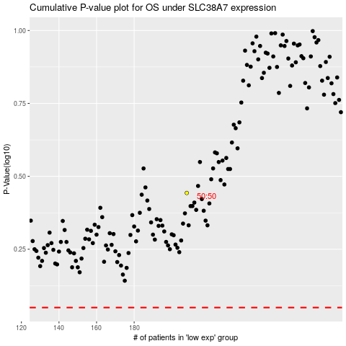

 |  |  |  |  |  | cases_OS | p_OS | rank | exp
 |  |  |  |  |  |  | cases_RFS | p_RFS | rank | exp

