SLC38A9 _multivariate
Reported by Tex Li-Hsing Chi. tex@gate.sinica.edu.tw 2019-08-15

Table 2. The clinicopathological features of HNSCC cohort and SLC38A9 expression. (Chi square test)
Cutoff at -0.219 (50.0%)
 |  | SLC38A9 expression |  | SLC38A9 expression |  | (Optimised)
 | Features | Low | (%) | High | (%) | Case no | P-value | Remark | Matthews
Gender | Female | 162 | 39 | 144 | 34.7 | 415 | 0.0479 | 1 | 0
2 | Male | 45 | 10.8 | 64 | 15.4
Age at diagnosis | <=65y | 143 | 34.5 | 131 | 31.6 | 415 | 0.2269 | 0 | 0
4 | >65y | 64 | 15.4 | 77 | 18.6
Clinical T Status | T1+T2 | 57 | 13.7 | 92 | 22.2 | 415 | 6e-04 | 1 | 0
6 | T3+T4 | 150 | 36.1 | 116 | 28
Clinical N Status | N0 | 110 | 26.5 | 106 | 25.5 | 415 | 0.7294 | 0 | 0
8 | N1-3 | 97 | 23.4 | 102 | 24.6
Clinical M Status | M0 | 207 | 49.9 | 205 | 49.4 | 415 | 0.2482 | 0 | 0
10 | M1 | 0 | 0 | 3 | 0.7
Clinical Stage | Stage I+II | 42 | 10.1 | 60 | 14.5 | 415 | 0.0561 | 0 | 0
12 | Stage III+IV | 165 | 39.8 | 148 | 35.7
Surgical Margin status | Negative | 158 | 38.1 | 160 | 38.6 | 415 | 0.9081 | 0 | 0
14 | Positive | 49 | 11.8 | 48 | 11.6
Tobacco Exposure | Low | 67 | 16.1 | 94 | 22.7 | 415 | 0.0088 | 1 | 0
16 | High | 140 | 33.7 | 114 | 27.5

Table 3. Univariate/Multivariate Cox's proportional hazards regression analyses on OS time of SLC38A9 gene expression in HNSCC

 |  | Univariate |  |  |  | Multivariate
 | Features | HR | CI95%(L) | CI95%(H) | P-value | HR | CI95%(L) | CI95%(H) | P-value
1 | Female | 1 |  |  |  | 1
Gender | Male | 1.157 | 0.843 | 1.587 | 0.367 | 1.19 | 0.851 | 1.664 | 0.31
11 | <=65y | 1 |  |  |  | 1
Age at diagnosis | >65y | 1.329 | 0.99 | 1.784 | 0.058 | 1.378 | 1.012 | 1.876 | 0.042
12 | T1+T2 | 1 |  |  |  | 1
Clinical T Status | T3+T4 | 1.409 | 1.028 | 1.931 | 0.033 | 2.276 | 1.197 | 4.328 | 0.012
13 | N0 | 1 |  |  |  | 1
Clinical N Status | N1-3 | 1.185 | 0.89 | 1.577 | 0.246 | 1.235 | 0.865 | 1.762 | 0.245
14 | M0 | 1 |  |  |  | 1
Clinical M Status | M1 | 4.097 | 1.009 | 16.644 | 0.049 | 9.107 | 1.982 | 41.848 | 0.005
15 | Stage I+II | 1 |  |  |  | 1
Clinical Stage | Stage III+IV | 1.245 | 0.882 | 1.759 | 0.213 | 0.499 | 0.232 | 1.071 | 0.075
16 | Negative | 1 |  |  |  | 1
Surgical Margin status | Positive | 1.591 | 1.155 | 2.191 | 0.004 | 1.67 | 1.209 | 2.308 | 0.002
17 | Low | 1 |  |  |  | 1
Tobacco Exposure | High | 1.364 | 1.008 | 1.844 | 0.044 | 1.468 | 1.064 | 2.024 | 0.019
18 | Low | 1 |  |  |  | 1
RNAseq(z-score) | High | 1.067 | 0.8 | 1.422 | 0.659 | 1.119 | 0.829 | 1.509 | 0.463

Table 4. Univariate/Multivariate Cox's proportional hazards regression analyses on RFS time of SLC38A9 gene expression in HNSCC

 |  | Univariate |  |  |  | Multivariate
 | Features | HR | CI95%(L) | CI95%(H) | P-value | HR | CI95%(L) | CI95%(H) | P-value
1 | Female | 1 |  |  |  | 1
Gender | Male | 1.157 | 0.843 | 1.587 | 0.367 | 1.19 | 0.851 | 1.664 | 0.31
11 | <=65y | 1 |  |  |  | 1
Age at diagnosis | >65y | 1.329 | 0.99 | 1.784 | 0.058 | 1.378 | 1.012 | 1.876 | 0.042
12 | T1+T2 | 1 |  |  |  | 1
Clinical T Status | T3+T4 | 1.409 | 1.028 | 1.931 | 0.033 | 2.276 | 1.197 | 4.328 | 0.012
13 | N0 | 1 |  |  |  | 1
Clinical N Status | N1-3 | 1.185 | 0.89 | 1.577 | 0.246 | 1.235 | 0.865 | 1.762 | 0.245
14 | M0 | 1 |  |  |  | 1
Clinical M Status | M1 | 4.097 | 1.009 | 16.644 | 0.049 | 9.107 | 1.982 | 41.848 | 0.005
15 | Stage I+II | 1 |  |  |  | 1
Clinical Stage | Stage III+IV | 1.245 | 0.882 | 1.759 | 0.213 | 0.499 | 0.232 | 1.071 | 0.075
16 | Negative | 1 |  |  |  | 1
Surgical Margin status | Positive | 1.591 | 1.155 | 2.191 | 0.004 | 1.67 | 1.209 | 2.308 | 0.002
17 | Low | 1 |  |  |  | 1
Tobacco Exposure | High | 1.364 | 1.008 | 1.844 | 0.044 | 1.468 | 1.064 | 2.024 | 0.019
18 | Low | 1 |  |  |  | 1
RNAseq(z-score) | High | 1.067 | 0.8 | 1.422 | 0.659 | 1.119 | 0.829 | 1.509 | 0.463

Kaplan-Meier survival estimate: Cutoff at -0.219 (50.0%)

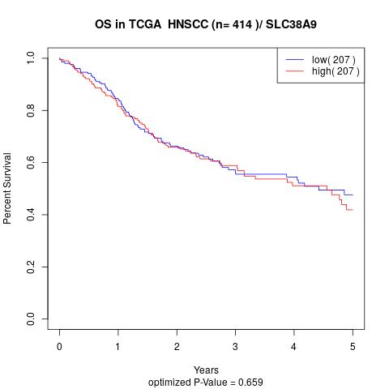

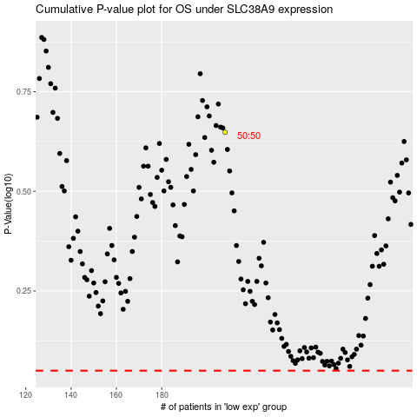

 |  |  |  |  |  | cases_OS | p_OS | rank | exp
 |  |  |  |  |  |  | cases_RFS | p_RFS | rank | exp

