SLC39A10 _multivariate
Reported by Tex Li-Hsing Chi. tex@gate.sinica.edu.tw 2019-08-15

Table 2. The clinicopathological features of HNSCC cohort and SLC39A10 expression. (Chi square test)
Cutoff at -0.128 (49.8%)
 |  | SLC39A10 expression |  | SLC39A10 expression |  | (Optimised)
 | Features | Low | (%) | High | (%) | Case no | P-value | Remark | Matthews
Gender | Female | 156 | 37.6 | 150 | 36.1 | 415 | 0.5222 | 0 | 0
2 | Male | 51 | 12.3 | 58 | 14
Age at diagnosis | <=65y | 139 | 33.5 | 135 | 32.5 | 415 | 0.7044 | 0 | 0
4 | >65y | 68 | 16.4 | 73 | 17.6
Clinical T Status | T1+T2 | 71 | 17.1 | 78 | 18.8 | 415 | 0.5638 | 0 | 0
6 | T3+T4 | 136 | 32.8 | 130 | 31.3
Clinical N Status | N0 | 106 | 25.5 | 110 | 26.5 | 415 | 0.8075 | 0 | 0
8 | N1-3 | 101 | 24.3 | 98 | 23.6
Clinical M Status | M0 | 204 | 49.2 | 208 | 50.1 | 415 | 0.1232 | 0 | 0
10 | M1 | 3 | 0.7 | 0 | 0
Clinical Stage | Stage I+II | 45 | 10.8 | 57 | 13.7 | 415 | 0.2202 | 0 | 0
12 | Stage III+IV | 162 | 39 | 151 | 36.4
Surgical Margin status | Negative | 160 | 38.6 | 158 | 38.1 | 415 | 0.8167 | 0 | 0
14 | Positive | 47 | 11.3 | 50 | 12
Tobacco Exposure | Low | 80 | 19.3 | 81 | 19.5 | 415 | 1 | 0 | 0
16 | High | 127 | 30.6 | 127 | 30.6

Table 3. Univariate/Multivariate Cox's proportional hazards regression analyses on OS time of SLC39A10 gene expression in HNSCC

 |  | Univariate |  |  |  | Multivariate
 | Features | HR | CI95%(L) | CI95%(H) | P-value | HR | CI95%(L) | CI95%(H) | P-value
1 | Female | 1 |  |  |  | 1
Gender | Male | 1.157 | 0.843 | 1.587 | 0.367 | 1.196 | 0.856 | 1.671 | 0.295
11 | <=65y | 1 |  |  |  | 1
Age at diagnosis | >65y | 1.329 | 0.99 | 1.784 | 0.058 | 1.398 | 1.028 | 1.901 | 0.033
12 | T1+T2 | 1 |  |  |  | 1
Clinical T Status | T3+T4 | 1.409 | 1.028 | 1.931 | 0.033 | 2.2 | 1.163 | 4.159 | 0.015
13 | N0 | 1 |  |  |  | 1
Clinical N Status | N1-3 | 1.185 | 0.89 | 1.577 | 0.246 | 1.238 | 0.868 | 1.767 | 0.239
14 | M0 | 1 |  |  |  | 1
Clinical M Status | M1 | 4.097 | 1.009 | 16.644 | 0.049 | 9.81 | 2.126 | 45.264 | 0.003
15 | Stage I+II | 1 |  |  |  | 1
Clinical Stage | Stage III+IV | 1.245 | 0.882 | 1.759 | 0.213 | 0.511 | 0.238 | 1.099 | 0.086
16 | Negative | 1 |  |  |  | 1
Surgical Margin status | Positive | 1.591 | 1.155 | 2.191 | 0.004 | 1.664 | 1.204 | 2.3 | 0.002
17 | Low | 1 |  |  |  | 1
Tobacco Exposure | High | 1.364 | 1.008 | 1.844 | 0.044 | 1.456 | 1.057 | 2.006 | 0.021
18 | Low | 1 |  |  |  | 1
RNAseq(z-score) | High | 1.057 | 0.794 | 1.408 | 0.703 | 1.092 | 0.816 | 1.462 | 0.555

Table 4. Univariate/Multivariate Cox's proportional hazards regression analyses on RFS time of SLC39A10 gene expression in HNSCC

 |  | Univariate |  |  |  | Multivariate
 | Features | HR | CI95%(L) | CI95%(H) | P-value | HR | CI95%(L) | CI95%(H) | P-value
1 | Female | 1 |  |  |  | 1
Gender | Male | 1.157 | 0.843 | 1.587 | 0.367 | 1.196 | 0.856 | 1.671 | 0.295
11 | <=65y | 1 |  |  |  | 1
Age at diagnosis | >65y | 1.329 | 0.99 | 1.784 | 0.058 | 1.398 | 1.028 | 1.901 | 0.033
12 | T1+T2 | 1 |  |  |  | 1
Clinical T Status | T3+T4 | 1.409 | 1.028 | 1.931 | 0.033 | 2.2 | 1.163 | 4.159 | 0.015
13 | N0 | 1 |  |  |  | 1
Clinical N Status | N1-3 | 1.185 | 0.89 | 1.577 | 0.246 | 1.238 | 0.868 | 1.767 | 0.239
14 | M0 | 1 |  |  |  | 1
Clinical M Status | M1 | 4.097 | 1.009 | 16.644 | 0.049 | 9.81 | 2.126 | 45.264 | 0.003
15 | Stage I+II | 1 |  |  |  | 1
Clinical Stage | Stage III+IV | 1.245 | 0.882 | 1.759 | 0.213 | 0.511 | 0.238 | 1.099 | 0.086
16 | Negative | 1 |  |  |  | 1
Surgical Margin status | Positive | 1.591 | 1.155 | 2.191 | 0.004 | 1.664 | 1.204 | 2.3 | 0.002
17 | Low | 1 |  |  |  | 1
Tobacco Exposure | High | 1.364 | 1.008 | 1.844 | 0.044 | 1.456 | 1.057 | 2.006 | 0.021
18 | Low | 1 |  |  |  | 1
RNAseq(z-score) | High | 1.057 | 0.794 | 1.408 | 0.703 | 1.092 | 0.816 | 1.462 | 0.555

Kaplan-Meier survival estimate: Cutoff at -0.128 (49.8%)



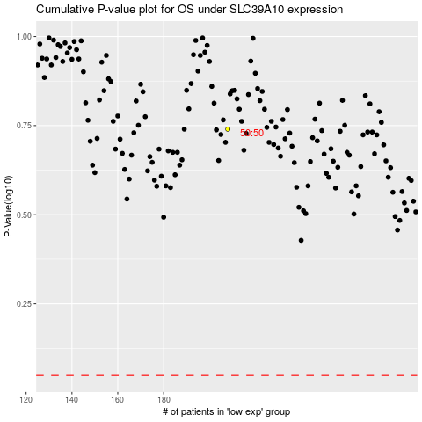

 |  |  |  |  |  | cases_OS | p_OS | rank | exp
 |  |  |  |  |  |  | cases_RFS | p_RFS | rank | exp

