SLC39A13 _multivariate
Reported by Tex Li-Hsing Chi. tex@gate.sinica.edu.tw 2019-08-15

Table 2. The clinicopathological features of HNSCC cohort and SLC39A13 expression. (Chi square test)
Cutoff at -0.496 (30.9%)
 |  | SLC39A13 expression |  | SLC39A13 expression |  | (Optimised)
 | Features | Low | (%) | High | (%) | Case no | P-value | Remark | Matthews
Gender | Female | 98 | 23.6 | 208 | 50.1 | 415 | 0.4512 | 0 | 0
2 | Male | 30 | 7.2 | 79 | 19
Age at diagnosis | <=65y | 92 | 22.2 | 182 | 43.9 | 415 | 0.1168 | 0 | 0
4 | >65y | 36 | 8.7 | 105 | 25.3
Clinical T Status | T1+T2 | 47 | 11.3 | 102 | 24.6 | 415 | 0.9042 | 0 | 0
6 | T3+T4 | 81 | 19.5 | 185 | 44.6
Clinical N Status | N0 | 66 | 15.9 | 150 | 36.1 | 415 | 0.9793 | 0 | 0
8 | N1-3 | 62 | 14.9 | 137 | 33
Clinical M Status | M0 | 126 | 30.4 | 286 | 68.9 | 415 | 0.2261 | 0 | 0
10 | M1 | 2 | 0.5 | 1 | 0.2
Clinical Stage | Stage I+II | 25 | 6 | 77 | 18.6 | 415 | 0.1412 | 0 | 0
12 | Stage III+IV | 103 | 24.8 | 210 | 50.6
Surgical Margin status | Negative | 98 | 23.6 | 220 | 53 | 415 | 1 | 0 | 0
14 | Positive | 30 | 7.2 | 67 | 16.1
Tobacco Exposure | Low | 43 | 10.4 | 118 | 28.4 | 415 | 0.1573 | 0 | 0
16 | High | 85 | 20.5 | 169 | 40.7

Table 3. Univariate/Multivariate Cox's proportional hazards regression analyses on OS time of SLC39A13 gene expression in HNSCC

 |  | Univariate |  |  |  | Multivariate
 | Features | HR | CI95%(L) | CI95%(H) | P-value | HR | CI95%(L) | CI95%(H) | P-value
1 | Female | 1 |  |  |  | 1
Gender | Male | 1.157 | 0.843 | 1.587 | 0.367 | 1.194 | 0.856 | 1.667 | 0.297
11 | <=65y | 1 |  |  |  | 1
Age at diagnosis | >65y | 1.329 | 0.99 | 1.784 | 0.058 | 1.362 | 1.001 | 1.853 | 0.049
12 | T1+T2 | 1 |  |  |  | 1
Clinical T Status | T3+T4 | 1.409 | 1.028 | 1.931 | 0.033 | 2.027 | 1.067 | 3.85 | 0.031
13 | N0 | 1 |  |  |  | 1
Clinical N Status | N1-3 | 1.185 | 0.89 | 1.577 | 0.246 | 1.192 | 0.835 | 1.703 | 0.334
14 | M0 | 1 |  |  |  | 1
Clinical M Status | M1 | 4.097 | 1.009 | 16.644 | 0.049 | 9.545 | 2.082 | 43.766 | 0.004
15 | Stage I+II | 1 |  |  |  | 1
Clinical Stage | Stage III+IV | 1.245 | 0.882 | 1.759 | 0.213 | 0.572 | 0.264 | 1.238 | 0.156
16 | Negative | 1 |  |  |  | 1
Surgical Margin status | Positive | 1.591 | 1.155 | 2.191 | 0.004 | 1.633 | 1.182 | 2.257 | 0.003
17 | Low | 1 |  |  |  | 1
Tobacco Exposure | High | 1.364 | 1.008 | 1.844 | 0.044 | 1.465 | 1.063 | 2.018 | 0.02
18 | Low | 1 |  |  |  | 1
RNAseq(z-score) | High | 1.483 | 1.067 | 2.061 | 0.019 | 1.397 | 0.998 | 1.954 | 0.051

Table 4. Univariate/Multivariate Cox's proportional hazards regression analyses on RFS time of SLC39A13 gene expression in HNSCC

 |  | Univariate |  |  |  | Multivariate
 | Features | HR | CI95%(L) | CI95%(H) | P-value | HR | CI95%(L) | CI95%(H) | P-value
1 | Female | 1 |  |  |  | 1
Gender | Male | 1.157 | 0.843 | 1.587 | 0.367 | 1.194 | 0.856 | 1.667 | 0.297
11 | <=65y | 1 |  |  |  | 1
Age at diagnosis | >65y | 1.329 | 0.99 | 1.784 | 0.058 | 1.362 | 1.001 | 1.853 | 0.049
12 | T1+T2 | 1 |  |  |  | 1
Clinical T Status | T3+T4 | 1.409 | 1.028 | 1.931 | 0.033 | 2.027 | 1.067 | 3.85 | 0.031
13 | N0 | 1 |  |  |  | 1
Clinical N Status | N1-3 | 1.185 | 0.89 | 1.577 | 0.246 | 1.192 | 0.835 | 1.703 | 0.334
14 | M0 | 1 |  |  |  | 1
Clinical M Status | M1 | 4.097 | 1.009 | 16.644 | 0.049 | 9.545 | 2.082 | 43.766 | 0.004
15 | Stage I+II | 1 |  |  |  | 1
Clinical Stage | Stage III+IV | 1.245 | 0.882 | 1.759 | 0.213 | 0.572 | 0.264 | 1.238 | 0.156
16 | Negative | 1 |  |  |  | 1
Surgical Margin status | Positive | 1.591 | 1.155 | 2.191 | 0.004 | 1.633 | 1.182 | 2.257 | 0.003
17 | Low | 1 |  |  |  | 1
Tobacco Exposure | High | 1.364 | 1.008 | 1.844 | 0.044 | 1.465 | 1.063 | 2.018 | 0.02
18 | Low | 1 |  |  |  | 1
RNAseq(z-score) | High | 1.483 | 1.067 | 2.061 | 0.019 | 1.397 | 0.998 | 1.954 | 0.051

Kaplan-Meier survival estimate: Cutoff at -0.496 (30.9%)

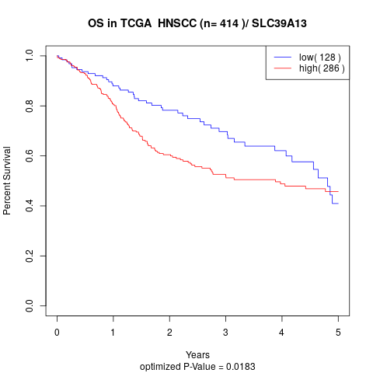

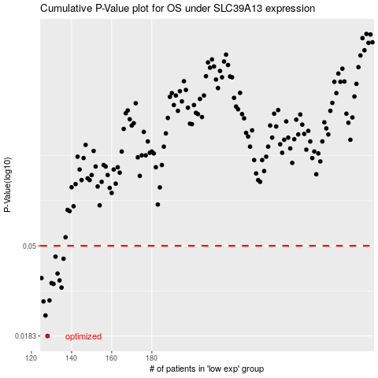

 |  |  |  |  |  | cases_OS | p_OS | rank | exp
 |  |  |  |  |  | 128 | 0.0183 | 108 | -0.49628842779
 |  |  |  |  |  | 127 | 0.023 | 30 | -0.49765235627
 |  |  |  |  |  | 126 | 0.0269 | 305 | -0.49907333923
 |  |  |  |  |  | 129 | 0.0272 | 48 | -0.49489011295
 |  |  |  |  |  | 135 | 0.0314 | 355 | -0.47037397875
 |  |  |  |  |  | 131 | 0.0327 | 12 | -0.48039020847
 |  |  |  |  |  | 130 | 0.033 | 306 | -0.48507943301
 |  |  |  |  |  | 134 | 0.034 | 46 | -0.47405889088
 |  |  |  |  |  | 125 | 0.0349 | 109 | -0.50079016019
 |  |  |  |  |  | 133 | 0.0367 | 384 | -0.47506301119
 |  |  |  |  |  | 136 | 0.0433 | 236 | -0.46631523496
 |  |  |  |  |  | 132 | 0.0443 | 168 | -0.47509931858
 |  |  |  |  |  |  | cases_RFS | p_RFS | rank | exp
 |  |  |  |  |  |  | 127 | 0.0183 | 30 | -0.49765235627
 |  |  |  |  |  |  | 126 | 0.023 | 305 | -0.49907333923
 |  |  |  |  |  |  | 125 | 0.0269 | 109 | -0.50079016019
 |  |  |  |  |  |  | 128 | 0.0272 | 108 | -0.49628842779
 |  |  |  |  |  |  | 134 | 0.0314 | 46 | -0.47405889088
 |  |  |  |  |  |  | 130 | 0.0327 | 306 | -0.48507943301
 |  |  |  |  |  |  | 129 | 0.033 | 48 | -0.49489011295
 |  |  |  |  |  |  | 133 | 0.034 | 384 | -0.47506301119
 |  |  |  |  |  |  |  | 0.0349 | 237 | -0.50259208261
 |  |  |  |  |  |  | 132 | 0.0367 | 168 | -0.47509931858
 |  |  |  |  |  |  | 135 | 0.0433 | 355 | -0.47037397875
 |  |  |  |  |  |  | 131 | 0.0443 | 12 | -0.48039020847

