SLC39A14 _multivariate
Reported by Tex Li-Hsing Chi. tex@gate.sinica.edu.tw 2019-08-15

Table 2. The clinicopathological features of HNSCC cohort and SLC39A14 expression. (Chi square test)
Cutoff at -0.136 (49.8%)
 |  | SLC39A14 expression |  | SLC39A14 expression |  | (Optimised)
 | Features | Low | (%) | High | (%) | Case no | P-value | Remark | Matthews
Gender | Female | 145 | 34.9 | 161 | 38.8 | 415 | 0.1116 | 0 | 0
2 | Male | 62 | 14.9 | 47 | 11.3
Age at diagnosis | <=65y | 130 | 31.3 | 144 | 34.7 | 415 | 0.2009 | 0 | 0
4 | >65y | 77 | 18.6 | 64 | 15.4
Clinical T Status | T1+T2 | 81 | 19.5 | 68 | 16.4 | 415 | 0.206 | 0 | 0
6 | T3+T4 | 126 | 30.4 | 140 | 33.7
Clinical N Status | N0 | 115 | 27.7 | 101 | 24.3 | 415 | 0.184 | 1 | 0
8 | N1-3 | 92 | 22.2 | 107 | 25.8
Clinical M Status | M0 | 204 | 49.2 | 208 | 50.1 | 415 | 0.1232 | 0 | 0
10 | M1 | 3 | 0.7 | 0 | 0
Clinical Stage | Stage I+II | 53 | 12.8 | 49 | 11.8 | 415 | 0.7113 | 0 | 0
12 | Stage III+IV | 154 | 37.1 | 159 | 38.3
Surgical Margin status | Negative | 155 | 37.3 | 163 | 39.3 | 415 | 0.4187 | 0 | 0
14 | Positive | 52 | 12.5 | 45 | 10.8
Tobacco Exposure | Low | 89 | 21.4 | 72 | 17.3 | 415 | 0.0872 | 0 | 0
16 | High | 118 | 28.4 | 136 | 32.8

Table 3. Univariate/Multivariate Cox's proportional hazards regression analyses on OS time of SLC39A14 gene expression in HNSCC

 |  | Univariate |  |  |  | Multivariate
 | Features | HR | CI95%(L) | CI95%(H) | P-value | HR | CI95%(L) | CI95%(H) | P-value
1 | Female | 1 |  |  |  | 1
Gender | Male | 1.157 | 0.843 | 1.587 | 0.367 | 1.26 | 0.9 | 1.764 | 0.178
11 | <=65y | 1 |  |  |  | 1
Age at diagnosis | >65y | 1.329 | 0.99 | 1.784 | 0.058 | 1.416 | 1.04 | 1.927 | 0.027
12 | T1+T2 | 1 |  |  |  | 1
Clinical T Status | T3+T4 | 1.409 | 1.028 | 1.931 | 0.033 | 2.122 | 1.121 | 4.018 | 0.021
13 | N0 | 1 |  |  |  | 1
Clinical N Status | N1-3 | 1.185 | 0.89 | 1.577 | 0.246 | 1.247 | 0.874 | 1.78 | 0.224
14 | M0 | 1 |  |  |  | 1
Clinical M Status | M1 | 4.097 | 1.009 | 16.644 | 0.049 | 11.136 | 2.409 | 51.48 | 0.002
15 | Stage I+II | 1 |  |  |  | 1
Clinical Stage | Stage III+IV | 1.245 | 0.882 | 1.759 | 0.213 | 0.517 | 0.241 | 1.11 | 0.091
16 | Negative | 1 |  |  |  | 1
Surgical Margin status | Positive | 1.591 | 1.155 | 2.191 | 0.004 | 1.731 | 1.251 | 2.395 | 0.001
17 | Low | 1 |  |  |  | 1
Tobacco Exposure | High | 1.364 | 1.008 | 1.844 | 0.044 | 1.437 | 1.043 | 1.98 | 0.027
18 | Low | 1 |  |  |  | 1
RNAseq(z-score) | High | 1.311 | 0.981 | 1.753 | 0.068 | 1.402 | 1.04 | 1.89 | 0.027

Table 4. Univariate/Multivariate Cox's proportional hazards regression analyses on RFS time of SLC39A14 gene expression in HNSCC

 |  | Univariate |  |  |  | Multivariate
 | Features | HR | CI95%(L) | CI95%(H) | P-value | HR | CI95%(L) | CI95%(H) | P-value
1 | Female | 1 |  |  |  | 1
Gender | Male | 1.157 | 0.843 | 1.587 | 0.367 | 1.26 | 0.9 | 1.764 | 0.178
11 | <=65y | 1 |  |  |  | 1
Age at diagnosis | >65y | 1.329 | 0.99 | 1.784 | 0.058 | 1.416 | 1.04 | 1.927 | 0.027
12 | T1+T2 | 1 |  |  |  | 1
Clinical T Status | T3+T4 | 1.409 | 1.028 | 1.931 | 0.033 | 2.122 | 1.121 | 4.018 | 0.021
13 | N0 | 1 |  |  |  | 1
Clinical N Status | N1-3 | 1.185 | 0.89 | 1.577 | 0.246 | 1.247 | 0.874 | 1.78 | 0.224
14 | M0 | 1 |  |  |  | 1
Clinical M Status | M1 | 4.097 | 1.009 | 16.644 | 0.049 | 11.136 | 2.409 | 51.48 | 0.002
15 | Stage I+II | 1 |  |  |  | 1
Clinical Stage | Stage III+IV | 1.245 | 0.882 | 1.759 | 0.213 | 0.517 | 0.241 | 1.11 | 0.091
16 | Negative | 1 |  |  |  | 1
Surgical Margin status | Positive | 1.591 | 1.155 | 2.191 | 0.004 | 1.731 | 1.251 | 2.395 | 0.001
17 | Low | 1 |  |  |  | 1
Tobacco Exposure | High | 1.364 | 1.008 | 1.844 | 0.044 | 1.437 | 1.043 | 1.98 | 0.027
18 | Low | 1 |  |  |  | 1
RNAseq(z-score) | High | 1.311 | 0.981 | 1.753 | 0.068 | 1.402 | 1.04 | 1.89 | 0.027

Kaplan-Meier survival estimate: Cutoff at -0.136 (49.8%)



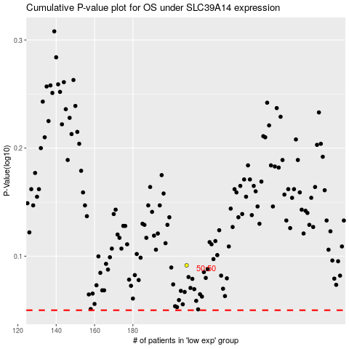

 |  |  |  |  |  | cases_OS | p_OS | rank | exp
 |  |  |  |  |  |  | cases_RFS | p_RFS | rank | exp

