SLC39A2 _multivariate
Reported by Tex Li-Hsing Chi. tex@gate.sinica.edu.tw 2019-08-15

Table 2. The clinicopathological features of HNSCC cohort and SLC39A2 expression. (Chi square test)
Cutoff at -0.382 (50.0%)
 |  | SLC39A2 expression |  | SLC39A2 expression |  | (Optimised)
 | Features | Low | (%) | High | (%) | Case no | P-value | Remark | Matthews
Gender | Female | 161 | 38.8 | 145 | 34.9 | 415 | 0.0792 | 0 | 0
2 | Male | 46 | 11.1 | 63 | 15.2
Age at diagnosis | <=65y | 142 | 34.2 | 132 | 31.8 | 415 | 0.3167 | 0 | 0
4 | >65y | 65 | 15.7 | 76 | 18.3
Clinical T Status | T1+T2 | 78 | 18.8 | 71 | 17.1 | 415 | 0.5152 | 0 | 0
6 | T3+T4 | 129 | 31.1 | 137 | 33
Clinical N Status | N0 | 96 | 23.1 | 120 | 28.9 | 415 | 0.0272 | 1 | 0
8 | N1-3 | 111 | 26.7 | 88 | 21.2
Clinical M Status | M0 | 205 | 49.4 | 207 | 49.9 | 415 | 0.6232 | 0 | 0
10 | M1 | 2 | 0.5 | 1 | 0.2
Clinical Stage | Stage I+II | 45 | 10.8 | 57 | 13.7 | 415 | 0.2202 | 0 | 0
12 | Stage III+IV | 162 | 39 | 151 | 36.4
Surgical Margin status | Negative | 156 | 37.6 | 162 | 39 | 415 | 0.5636 | 0 | 0
14 | Positive | 51 | 12.3 | 46 | 11.1
Tobacco Exposure | Low | 66 | 15.9 | 95 | 22.9 | 415 | 0.0048 | 1 | 0
16 | High | 141 | 34 | 113 | 27.2

Table 3. Univariate/Multivariate Cox's proportional hazards regression analyses on OS time of SLC39A2 gene expression in HNSCC

 |  | Univariate |  |  |  | Multivariate
 | Features | HR | CI95%(L) | CI95%(H) | P-value | HR | CI95%(L) | CI95%(H) | P-value
1 | Female | 1 |  |  |  | 1
Gender | Male | 1.157 | 0.843 | 1.587 | 0.367 | 1.202 | 0.86 | 1.679 | 0.282
11 | <=65y | 1 |  |  |  | 1
Age at diagnosis | >65y | 1.329 | 0.99 | 1.784 | 0.058 | 1.392 | 1.024 | 1.892 | 0.035
12 | T1+T2 | 1 |  |  |  | 1
Clinical T Status | T3+T4 | 1.409 | 1.028 | 1.931 | 0.033 | 2.202 | 1.162 | 4.17 | 0.015
13 | N0 | 1 |  |  |  | 1
Clinical N Status | N1-3 | 1.185 | 0.89 | 1.577 | 0.246 | 1.241 | 0.868 | 1.774 | 0.236
14 | M0 | 1 |  |  |  | 1
Clinical M Status | M1 | 4.097 | 1.009 | 16.644 | 0.049 | 9.404 | 2.051 | 43.126 | 0.004
15 | Stage I+II | 1 |  |  |  | 1
Clinical Stage | Stage III+IV | 1.245 | 0.882 | 1.759 | 0.213 | 0.505 | 0.235 | 1.084 | 0.079
16 | Negative | 1 |  |  |  | 1
Surgical Margin status | Positive | 1.591 | 1.155 | 2.191 | 0.004 | 1.672 | 1.21 | 2.31 | 0.002
17 | Low | 1 |  |  |  | 1
Tobacco Exposure | High | 1.364 | 1.008 | 1.844 | 0.044 | 1.453 | 1.053 | 2.006 | 0.023
18 | Low | 1 |  |  |  | 1
RNAseq(z-score) | High | 1.005 | 0.754 | 1.339 | 0.973 | 1.002 | 0.748 | 1.344 | 0.988

Table 4. Univariate/Multivariate Cox's proportional hazards regression analyses on RFS time of SLC39A2 gene expression in HNSCC

 |  | Univariate |  |  |  | Multivariate
 | Features | HR | CI95%(L) | CI95%(H) | P-value | HR | CI95%(L) | CI95%(H) | P-value
1 | Female | 1 |  |  |  | 1
Gender | Male | 1.157 | 0.843 | 1.587 | 0.367 | 1.202 | 0.86 | 1.679 | 0.282
11 | <=65y | 1 |  |  |  | 1
Age at diagnosis | >65y | 1.329 | 0.99 | 1.784 | 0.058 | 1.392 | 1.024 | 1.892 | 0.035
12 | T1+T2 | 1 |  |  |  | 1
Clinical T Status | T3+T4 | 1.409 | 1.028 | 1.931 | 0.033 | 2.202 | 1.162 | 4.17 | 0.015
13 | N0 | 1 |  |  |  | 1
Clinical N Status | N1-3 | 1.185 | 0.89 | 1.577 | 0.246 | 1.241 | 0.868 | 1.774 | 0.236
14 | M0 | 1 |  |  |  | 1
Clinical M Status | M1 | 4.097 | 1.009 | 16.644 | 0.049 | 9.404 | 2.051 | 43.126 | 0.004
15 | Stage I+II | 1 |  |  |  | 1
Clinical Stage | Stage III+IV | 1.245 | 0.882 | 1.759 | 0.213 | 0.505 | 0.235 | 1.084 | 0.079
16 | Negative | 1 |  |  |  | 1
Surgical Margin status | Positive | 1.591 | 1.155 | 2.191 | 0.004 | 1.672 | 1.21 | 2.31 | 0.002
17 | Low | 1 |  |  |  | 1
Tobacco Exposure | High | 1.364 | 1.008 | 1.844 | 0.044 | 1.453 | 1.053 | 2.006 | 0.023
18 | Low | 1 |  |  |  | 1
RNAseq(z-score) | High | 1.005 | 0.754 | 1.339 | 0.973 | 1.002 | 0.748 | 1.344 | 0.988

Kaplan-Meier survival estimate: Cutoff at -0.382 (50.0%)



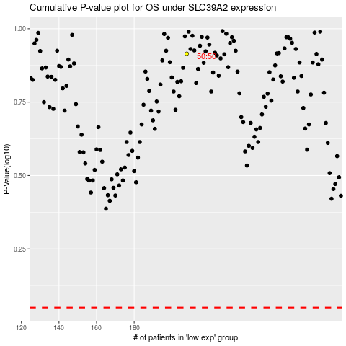

 |  |  |  |  |  | cases_OS | p_OS | rank | exp
 |  |  |  |  |  |  | cases_RFS | p_RFS | rank | exp

