SLC39A3 _multivariate
Reported by Tex Li-Hsing Chi. tex@gate.sinica.edu.tw 2019-08-15

Table 2. The clinicopathological features of HNSCC cohort and SLC39A3 expression. (Chi square test)
Cutoff at -0.153 (49.8%)
 |  | SLC39A3 expression |  | SLC39A3 expression |  | (Optimised)
 | Features | Low | (%) | High | (%) | Case no | P-value | Remark | Matthews
Gender | Female | 149 | 35.9 | 157 | 37.8 | 415 | 0.4848 | 0 | 0
2 | Male | 58 | 14 | 51 | 12.3
Age at diagnosis | <=65y | 134 | 32.3 | 140 | 33.7 | 415 | 0.6529 | 0 | 0
4 | >65y | 73 | 17.6 | 68 | 16.4
Clinical T Status | T1+T2 | 65 | 15.7 | 84 | 20.2 | 415 | 0.0711 | 0 | 0
6 | T3+T4 | 142 | 34.2 | 124 | 29.9
Clinical N Status | N0 | 101 | 24.3 | 115 | 27.7 | 415 | 0.2201 | 0 | 0
8 | N1-3 | 106 | 25.5 | 93 | 22.4
Clinical M Status | M0 | 205 | 49.4 | 207 | 49.9 | 415 | 0.6232 | 0 | 0
10 | M1 | 2 | 0.5 | 1 | 0.2
Clinical Stage | Stage I+II | 42 | 10.1 | 60 | 14.5 | 415 | 0.0561 | 0 | 0
12 | Stage III+IV | 165 | 39.8 | 148 | 35.7
Surgical Margin status | Negative | 156 | 37.6 | 162 | 39 | 415 | 0.5636 | 0 | 0
14 | Positive | 51 | 12.3 | 46 | 11.1
Tobacco Exposure | Low | 76 | 18.3 | 85 | 20.5 | 415 | 0.4207 | 0 | 0
16 | High | 131 | 31.6 | 123 | 29.6

Table 3. Univariate/Multivariate Cox's proportional hazards regression analyses on OS time of SLC39A3 gene expression in HNSCC

 |  | Univariate |  |  |  | Multivariate
 | Features | HR | CI95%(L) | CI95%(H) | P-value | HR | CI95%(L) | CI95%(H) | P-value
1 | Female | 1 |  |  |  | 1
Gender | Male | 1.157 | 0.843 | 1.587 | 0.367 | 1.203 | 0.861 | 1.68 | 0.279
11 | <=65y | 1 |  |  |  | 1
Age at diagnosis | >65y | 1.329 | 0.99 | 1.784 | 0.058 | 1.39 | 1.022 | 1.89 | 0.036
12 | T1+T2 | 1 |  |  |  | 1
Clinical T Status | T3+T4 | 1.409 | 1.028 | 1.931 | 0.033 | 2.207 | 1.167 | 4.173 | 0.015
13 | N0 | 1 |  |  |  | 1
Clinical N Status | N1-3 | 1.185 | 0.89 | 1.577 | 0.246 | 1.253 | 0.878 | 1.788 | 0.214
14 | M0 | 1 |  |  |  | 1
Clinical M Status | M1 | 4.097 | 1.009 | 16.644 | 0.049 | 9.309 | 2.03 | 42.698 | 0.004
15 | Stage I+II | 1 |  |  |  | 1
Clinical Stage | Stage III+IV | 1.245 | 0.882 | 1.759 | 0.213 | 0.49 | 0.228 | 1.054 | 0.068
16 | Negative | 1 |  |  |  | 1
Surgical Margin status | Positive | 1.591 | 1.155 | 2.191 | 0.004 | 1.68 | 1.214 | 2.323 | 0.002
17 | Low | 1 |  |  |  | 1
Tobacco Exposure | High | 1.364 | 1.008 | 1.844 | 0.044 | 1.461 | 1.06 | 2.015 | 0.021
18 | Low | 1 |  |  |  | 1
RNAseq(z-score) | High | 0.824 | 0.617 | 1.101 | 0.19 | 0.836 | 0.624 | 1.118 | 0.227

Table 4. Univariate/Multivariate Cox's proportional hazards regression analyses on RFS time of SLC39A3 gene expression in HNSCC

 |  | Univariate |  |  |  | Multivariate
 | Features | HR | CI95%(L) | CI95%(H) | P-value | HR | CI95%(L) | CI95%(H) | P-value
1 | Female | 1 |  |  |  | 1
Gender | Male | 1.157 | 0.843 | 1.587 | 0.367 | 1.203 | 0.861 | 1.68 | 0.279
11 | <=65y | 1 |  |  |  | 1
Age at diagnosis | >65y | 1.329 | 0.99 | 1.784 | 0.058 | 1.39 | 1.022 | 1.89 | 0.036
12 | T1+T2 | 1 |  |  |  | 1
Clinical T Status | T3+T4 | 1.409 | 1.028 | 1.931 | 0.033 | 2.207 | 1.167 | 4.173 | 0.015
13 | N0 | 1 |  |  |  | 1
Clinical N Status | N1-3 | 1.185 | 0.89 | 1.577 | 0.246 | 1.253 | 0.878 | 1.788 | 0.214
14 | M0 | 1 |  |  |  | 1
Clinical M Status | M1 | 4.097 | 1.009 | 16.644 | 0.049 | 9.309 | 2.03 | 42.698 | 0.004
15 | Stage I+II | 1 |  |  |  | 1
Clinical Stage | Stage III+IV | 1.245 | 0.882 | 1.759 | 0.213 | 0.49 | 0.228 | 1.054 | 0.068
16 | Negative | 1 |  |  |  | 1
Surgical Margin status | Positive | 1.591 | 1.155 | 2.191 | 0.004 | 1.68 | 1.214 | 2.323 | 0.002
17 | Low | 1 |  |  |  | 1
Tobacco Exposure | High | 1.364 | 1.008 | 1.844 | 0.044 | 1.461 | 1.06 | 2.015 | 0.021
18 | Low | 1 |  |  |  | 1
RNAseq(z-score) | High | 0.824 | 0.617 | 1.101 | 0.19 | 0.836 | 0.624 | 1.118 | 0.227

Kaplan-Meier survival estimate: Cutoff at -0.153 (49.8%)



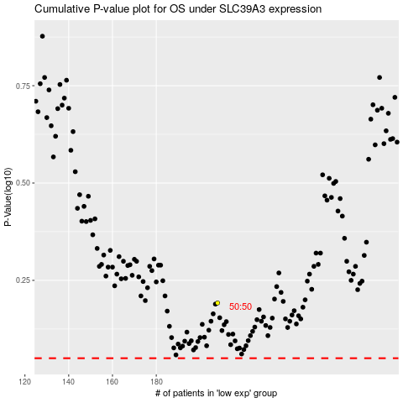

 |  |  |  |  |  | cases_OS | p_OS | rank | exp
 |  |  |  |  |  |  | cases_RFS | p_RFS | rank | exp

