SLC39A7 _multivariate
Reported by Tex Li-Hsing Chi. tex@gate.sinica.edu.tw 2019-08-15

Table 2. The clinicopathological features of HNSCC cohort and SLC39A7 expression. (Chi square test)
Cutoff at -0.158 (50.0%)
 |  | SLC39A7 expression |  | SLC39A7 expression |  | (Optimised)
 | Features | Low | (%) | High | (%) | Case no | P-value | Remark | Matthews
Gender | Female | 143 | 34.5 | 163 | 39.3 | 415 | 0.0416 | 1 | 0
2 | Male | 64 | 15.4 | 45 | 10.8
Age at diagnosis | <=65y | 136 | 32.8 | 138 | 33.3 | 415 | 0.9719 | 0 | 0
4 | >65y | 71 | 17.1 | 70 | 16.9
Clinical T Status | T1+T2 | 82 | 19.8 | 67 | 16.1 | 415 | 0.1417 | 0 | 0
6 | T3+T4 | 125 | 30.1 | 141 | 34
Clinical N Status | N0 | 109 | 26.3 | 107 | 25.8 | 415 | 0.8812 | 0 | 0
8 | N1-3 | 98 | 23.6 | 101 | 24.3
Clinical M Status | M0 | 205 | 49.4 | 207 | 49.9 | 415 | 0.6232 | 0 | 0
10 | M1 | 2 | 0.5 | 1 | 0.2
Clinical Stage | Stage I+II | 53 | 12.8 | 49 | 11.8 | 415 | 0.7113 | 0 | 0
12 | Stage III+IV | 154 | 37.1 | 159 | 38.3
Surgical Margin status | Negative | 162 | 39 | 156 | 37.6 | 415 | 0.4867 | 0 | 0
14 | Positive | 45 | 10.8 | 52 | 12.5
Tobacco Exposure | Low | 88 | 21.2 | 73 | 17.6 | 415 | 0.1314 | 0 | 0
16 | High | 119 | 28.7 | 135 | 32.5

Table 3. Univariate/Multivariate Cox's proportional hazards regression analyses on OS time of SLC39A7 gene expression in HNSCC

 |  | Univariate |  |  |  | Multivariate
 | Features | HR | CI95%(L) | CI95%(H) | P-value | HR | CI95%(L) | CI95%(H) | P-value
1 | Female | 1 |  |  |  | 1
Gender | Male | 1.157 | 0.843 | 1.587 | 0.367 | 1.184 | 0.849 | 1.652 | 0.32
11 | <=65y | 1 |  |  |  | 1
Age at diagnosis | >65y | 1.329 | 0.99 | 1.784 | 0.058 | 1.401 | 1.031 | 1.904 | 0.031
12 | T1+T2 | 1 |  |  |  | 1
Clinical T Status | T3+T4 | 1.409 | 1.028 | 1.931 | 0.033 | 2.335 | 1.231 | 4.428 | 0.009
13 | N0 | 1 |  |  |  | 1
Clinical N Status | N1-3 | 1.185 | 0.89 | 1.577 | 0.246 | 1.228 | 0.861 | 1.75 | 0.257
14 | M0 | 1 |  |  |  | 1
Clinical M Status | M1 | 4.097 | 1.009 | 16.644 | 0.049 | 9.732 | 2.121 | 44.658 | 0.003
15 | Stage I+II | 1 |  |  |  | 1
Clinical Stage | Stage III+IV | 1.245 | 0.882 | 1.759 | 0.213 | 0.477 | 0.222 | 1.027 | 0.058
16 | Negative | 1 |  |  |  | 1
Surgical Margin status | Positive | 1.591 | 1.155 | 2.191 | 0.004 | 1.695 | 1.226 | 2.344 | 0.001
17 | Low | 1 |  |  |  | 1
Tobacco Exposure | High | 1.364 | 1.008 | 1.844 | 0.044 | 1.492 | 1.082 | 2.058 | 0.015
18 | Low | 1 |  |  |  | 1
RNAseq(z-score) | High | 0.834 | 0.624 | 1.115 | 0.221 | 0.766 | 0.571 | 1.029 | 0.077

Table 4. Univariate/Multivariate Cox's proportional hazards regression analyses on RFS time of SLC39A7 gene expression in HNSCC

 |  | Univariate |  |  |  | Multivariate
 | Features | HR | CI95%(L) | CI95%(H) | P-value | HR | CI95%(L) | CI95%(H) | P-value
1 | Female | 1 |  |  |  | 1
Gender | Male | 1.157 | 0.843 | 1.587 | 0.367 | 1.184 | 0.849 | 1.652 | 0.32
11 | <=65y | 1 |  |  |  | 1
Age at diagnosis | >65y | 1.329 | 0.99 | 1.784 | 0.058 | 1.401 | 1.031 | 1.904 | 0.031
12 | T1+T2 | 1 |  |  |  | 1
Clinical T Status | T3+T4 | 1.409 | 1.028 | 1.931 | 0.033 | 2.335 | 1.231 | 4.428 | 0.009
13 | N0 | 1 |  |  |  | 1
Clinical N Status | N1-3 | 1.185 | 0.89 | 1.577 | 0.246 | 1.228 | 0.861 | 1.75 | 0.257
14 | M0 | 1 |  |  |  | 1
Clinical M Status | M1 | 4.097 | 1.009 | 16.644 | 0.049 | 9.732 | 2.121 | 44.658 | 0.003
15 | Stage I+II | 1 |  |  |  | 1
Clinical Stage | Stage III+IV | 1.245 | 0.882 | 1.759 | 0.213 | 0.477 | 0.222 | 1.027 | 0.058
16 | Negative | 1 |  |  |  | 1
Surgical Margin status | Positive | 1.591 | 1.155 | 2.191 | 0.004 | 1.695 | 1.226 | 2.344 | 0.001
17 | Low | 1 |  |  |  | 1
Tobacco Exposure | High | 1.364 | 1.008 | 1.844 | 0.044 | 1.492 | 1.082 | 2.058 | 0.015
18 | Low | 1 |  |  |  | 1
RNAseq(z-score) | High | 0.834 | 0.624 | 1.115 | 0.221 | 0.766 | 0.571 | 1.029 | 0.077

Kaplan-Meier survival estimate: Cutoff at -0.158 (50.0%)



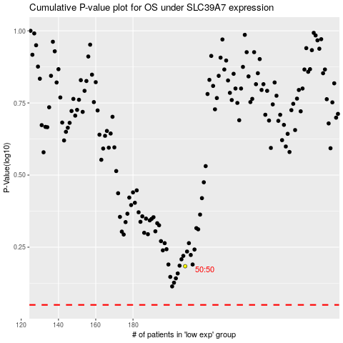

 |  |  |  |  |  | cases_OS | p_OS | rank | exp
 |  |  |  |  |  |  | cases_RFS | p_RFS | rank | exp

