SLC39A8 _multivariate
Reported by Tex Li-Hsing Chi. tex@gate.sinica.edu.tw 2019-08-15

Table 2. The clinicopathological features of HNSCC cohort and SLC39A8 expression. (Chi square test)
Cutoff at -0.162 (49.8%)
 |  | SLC39A8 expression |  | SLC39A8 expression |  | (Optimised)
 | Features | Low | (%) | High | (%) | Case no | P-value | Remark | Matthews
Gender | Female | 163 | 39.3 | 143 | 34.5 | 415 | 0.0277 | 1 | 0
2 | Male | 44 | 10.6 | 65 | 15.7
Age at diagnosis | <=65y | 144 | 34.7 | 130 | 31.3 | 415 | 0.1568 | 0 | 0
4 | >65y | 63 | 15.2 | 78 | 18.8
Clinical T Status | T1+T2 | 76 | 18.3 | 73 | 17.6 | 415 | 0.8092 | 0 | 0
6 | T3+T4 | 131 | 31.6 | 135 | 32.5
Clinical N Status | N0 | 108 | 26 | 108 | 26 | 415 | 1 | 0 | 0
8 | N1-3 | 99 | 23.9 | 100 | 24.1
Clinical M Status | M0 | 205 | 49.4 | 207 | 49.9 | 415 | 0.6232 | 0 | 0
10 | M1 | 2 | 0.5 | 1 | 0.2
Clinical Stage | Stage I+II | 49 | 11.8 | 53 | 12.8 | 415 | 0.7535 | 0 | 0
12 | Stage III+IV | 158 | 38.1 | 155 | 37.3
Surgical Margin status | Negative | 159 | 38.3 | 159 | 38.3 | 415 | 1 | 0 | 0
14 | Positive | 48 | 11.6 | 49 | 11.8
Tobacco Exposure | Low | 76 | 18.3 | 85 | 20.5 | 415 | 0.4207 | 0 | 0
16 | High | 131 | 31.6 | 123 | 29.6

Table 3. Univariate/Multivariate Cox's proportional hazards regression analyses on OS time of SLC39A8 gene expression in HNSCC

 |  | Univariate |  |  |  | Multivariate
 | Features | HR | CI95%(L) | CI95%(H) | P-value | HR | CI95%(L) | CI95%(H) | P-value
1 | Female | 1 |  |  |  | 1
Gender | Male | 1.157 | 0.843 | 1.587 | 0.367 | 1.22 | 0.872 | 1.707 | 0.246
11 | <=65y | 1 |  |  |  | 1
Age at diagnosis | >65y | 1.329 | 0.99 | 1.784 | 0.058 | 1.407 | 1.035 | 1.914 | 0.029
12 | T1+T2 | 1 |  |  |  | 1
Clinical T Status | T3+T4 | 1.409 | 1.028 | 1.931 | 0.033 | 2.262 | 1.192 | 4.29 | 0.012
13 | N0 | 1 |  |  |  | 1
Clinical N Status | N1-3 | 1.185 | 0.89 | 1.577 | 0.246 | 1.24 | 0.87 | 1.769 | 0.234
14 | M0 | 1 |  |  |  | 1
Clinical M Status | M1 | 4.097 | 1.009 | 16.644 | 0.049 | 9.573 | 2.087 | 43.92 | 0.004
15 | Stage I+II | 1 |  |  |  | 1
Clinical Stage | Stage III+IV | 1.245 | 0.882 | 1.759 | 0.213 | 0.491 | 0.228 | 1.057 | 0.069
16 | Negative | 1 |  |  |  | 1
Surgical Margin status | Positive | 1.591 | 1.155 | 2.191 | 0.004 | 1.677 | 1.213 | 2.317 | 0.002
17 | Low | 1 |  |  |  | 1
Tobacco Exposure | High | 1.364 | 1.008 | 1.844 | 0.044 | 1.437 | 1.043 | 1.982 | 0.027
18 | Low | 1 |  |  |  | 1
RNAseq(z-score) | High | 0.924 | 0.693 | 1.232 | 0.591 | 0.876 | 0.653 | 1.177 | 0.381

Table 4. Univariate/Multivariate Cox's proportional hazards regression analyses on RFS time of SLC39A8 gene expression in HNSCC

 |  | Univariate |  |  |  | Multivariate
 | Features | HR | CI95%(L) | CI95%(H) | P-value | HR | CI95%(L) | CI95%(H) | P-value
1 | Female | 1 |  |  |  | 1
Gender | Male | 1.157 | 0.843 | 1.587 | 0.367 | 1.22 | 0.872 | 1.707 | 0.246
11 | <=65y | 1 |  |  |  | 1
Age at diagnosis | >65y | 1.329 | 0.99 | 1.784 | 0.058 | 1.407 | 1.035 | 1.914 | 0.029
12 | T1+T2 | 1 |  |  |  | 1
Clinical T Status | T3+T4 | 1.409 | 1.028 | 1.931 | 0.033 | 2.262 | 1.192 | 4.29 | 0.012
13 | N0 | 1 |  |  |  | 1
Clinical N Status | N1-3 | 1.185 | 0.89 | 1.577 | 0.246 | 1.24 | 0.87 | 1.769 | 0.234
14 | M0 | 1 |  |  |  | 1
Clinical M Status | M1 | 4.097 | 1.009 | 16.644 | 0.049 | 9.573 | 2.087 | 43.92 | 0.004
15 | Stage I+II | 1 |  |  |  | 1
Clinical Stage | Stage III+IV | 1.245 | 0.882 | 1.759 | 0.213 | 0.491 | 0.228 | 1.057 | 0.069
16 | Negative | 1 |  |  |  | 1
Surgical Margin status | Positive | 1.591 | 1.155 | 2.191 | 0.004 | 1.677 | 1.213 | 2.317 | 0.002
17 | Low | 1 |  |  |  | 1
Tobacco Exposure | High | 1.364 | 1.008 | 1.844 | 0.044 | 1.437 | 1.043 | 1.982 | 0.027
18 | Low | 1 |  |  |  | 1
RNAseq(z-score) | High | 0.924 | 0.693 | 1.232 | 0.591 | 0.876 | 0.653 | 1.177 | 0.381

Kaplan-Meier survival estimate: Cutoff at -0.162 (49.8%)



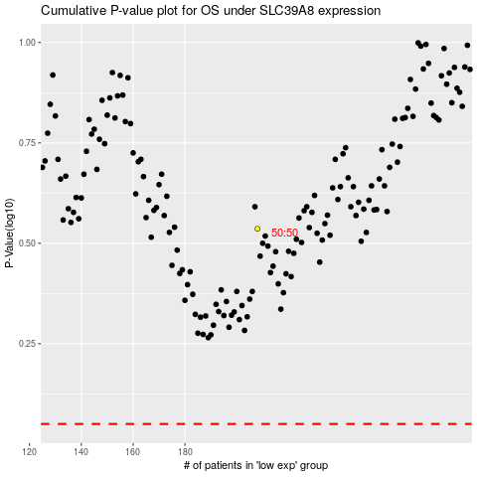

 |  |  |  |  |  | cases_OS | p_OS | rank | exp
 |  |  |  |  |  |  | cases_RFS | p_RFS | rank | exp

