SLC39A9 _multivariate
Reported by Tex Li-Hsing Chi. tex@gate.sinica.edu.tw 2019-08-15

Table 2. The clinicopathological features of HNSCC cohort and SLC39A9 expression. (Chi square test)
Cutoff at 0.158 (63.0%)
 |  | SLC39A9 expression |  | SLC39A9 expression |  | (Optimised)
 | Features | Low | (%) | High | (%) | Case no | P-value | Remark | Matthews
Gender | Female | 189 | 45.5 | 117 | 28.2 | 415 | 0.3941 | 0 | 0
2 | Male | 73 | 17.6 | 36 | 8.7
Age at diagnosis | <=65y | 172 | 41.4 | 102 | 24.6 | 415 | 0.9173 | 0 | 0
4 | >65y | 90 | 21.7 | 51 | 12.3
Clinical T Status | T1+T2 | 98 | 23.6 | 51 | 12.3 | 415 | 0.4666 | 0 | 0
6 | T3+T4 | 164 | 39.5 | 102 | 24.6
Clinical N Status | N0 | 140 | 33.7 | 76 | 18.3 | 415 | 0.5233 | 0 | 0
8 | N1-3 | 122 | 29.4 | 77 | 18.6
Clinical M Status | M0 | 261 | 62.9 | 151 | 36.4 | 415 | 0.5577 | 0 | 0
10 | M1 | 1 | 0.2 | 2 | 0.5
Clinical Stage | Stage I+II | 66 | 15.9 | 36 | 8.7 | 415 | 0.794 | 0 | 0
12 | Stage III+IV | 196 | 47.2 | 117 | 28.2
Surgical Margin status | Negative | 204 | 49.2 | 114 | 27.5 | 415 | 0.4714 | 0 | 0
14 | Positive | 58 | 14 | 39 | 9.4
Tobacco Exposure | Low | 109 | 26.3 | 52 | 12.5 | 415 | 0.1439 | 0 | 0
16 | High | 153 | 36.9 | 101 | 24.3

Table 3. Univariate/Multivariate Cox's proportional hazards regression analyses on OS time of SLC39A9 gene expression in HNSCC

 |  | Univariate |  |  |  | Multivariate
 | Features | HR | CI95%(L) | CI95%(H) | P-value | HR | CI95%(L) | CI95%(H) | P-value
1 | Female | 1 |  |  |  | 1
Gender | Male | 1.157 | 0.843 | 1.587 | 0.367 | 1.222 | 0.875 | 1.708 | 0.239
11 | <=65y | 1 |  |  |  | 1
Age at diagnosis | >65y | 1.329 | 0.99 | 1.784 | 0.058 | 1.375 | 1.012 | 1.869 | 0.042
12 | T1+T2 | 1 |  |  |  | 1
Clinical T Status | T3+T4 | 1.409 | 1.028 | 1.931 | 0.033 | 2.127 | 1.123 | 4.026 | 0.021
13 | N0 | 1 |  |  |  | 1
Clinical N Status | N1-3 | 1.185 | 0.89 | 1.577 | 0.246 | 1.253 | 0.878 | 1.787 | 0.214
14 | M0 | 1 |  |  |  | 1
Clinical M Status | M1 | 4.097 | 1.009 | 16.644 | 0.049 | 7.85 | 1.699 | 36.282 | 0.008
15 | Stage I+II | 1 |  |  |  | 1
Clinical Stage | Stage III+IV | 1.245 | 0.882 | 1.759 | 0.213 | 0.52 | 0.242 | 1.117 | 0.094
16 | Negative | 1 |  |  |  | 1
Surgical Margin status | Positive | 1.591 | 1.155 | 2.191 | 0.004 | 1.667 | 1.205 | 2.305 | 0.002
17 | Low | 1 |  |  |  | 1
Tobacco Exposure | High | 1.364 | 1.008 | 1.844 | 0.044 | 1.443 | 1.047 | 1.988 | 0.025
18 | Low | 1 |  |  |  | 1
RNAseq(z-score) | High | 1.485 | 1.109 | 1.987 | 0.008 | 1.418 | 1.057 | 1.904 | 0.02

Table 4. Univariate/Multivariate Cox's proportional hazards regression analyses on RFS time of SLC39A9 gene expression in HNSCC

 |  | Univariate |  |  |  | Multivariate
 | Features | HR | CI95%(L) | CI95%(H) | P-value | HR | CI95%(L) | CI95%(H) | P-value
1 | Female | 1 |  |  |  | 1
Gender | Male | 1.157 | 0.843 | 1.587 | 0.367 | 1.222 | 0.875 | 1.708 | 0.239
11 | <=65y | 1 |  |  |  | 1
Age at diagnosis | >65y | 1.329 | 0.99 | 1.784 | 0.058 | 1.375 | 1.012 | 1.869 | 0.042
12 | T1+T2 | 1 |  |  |  | 1
Clinical T Status | T3+T4 | 1.409 | 1.028 | 1.931 | 0.033 | 2.127 | 1.123 | 4.026 | 0.021
13 | N0 | 1 |  |  |  | 1
Clinical N Status | N1-3 | 1.185 | 0.89 | 1.577 | 0.246 | 1.253 | 0.878 | 1.787 | 0.214
14 | M0 | 1 |  |  |  | 1
Clinical M Status | M1 | 4.097 | 1.009 | 16.644 | 0.049 | 7.85 | 1.699 | 36.282 | 0.008
15 | Stage I+II | 1 |  |  |  | 1
Clinical Stage | Stage III+IV | 1.245 | 0.882 | 1.759 | 0.213 | 0.52 | 0.242 | 1.117 | 0.094
16 | Negative | 1 |  |  |  | 1
Surgical Margin status | Positive | 1.591 | 1.155 | 2.191 | 0.004 | 1.667 | 1.205 | 2.305 | 0.002
17 | Low | 1 |  |  |  | 1
Tobacco Exposure | High | 1.364 | 1.008 | 1.844 | 0.044 | 1.443 | 1.047 | 1.988 | 0.025
18 | Low | 1 |  |  |  | 1
RNAseq(z-score) | High | 1.485 | 1.109 | 1.987 | 0.008 | 1.418 | 1.057 | 1.904 | 0.02

Kaplan-Meier survival estimate: Cutoff at 0.158 (63.0%)

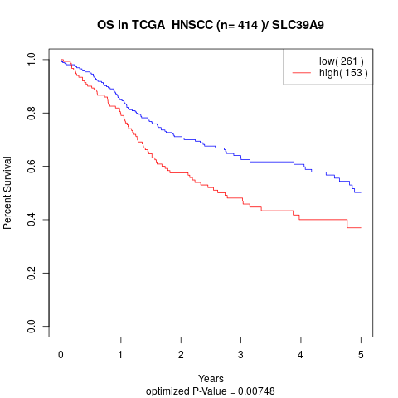

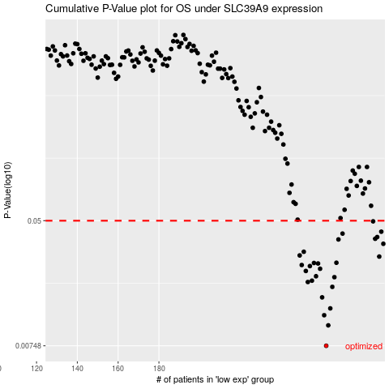

 |  |  |  |  |  | cases_OS | p_OS | rank | exp
 |  |  |  |  |  | 262 | 0.00748 | 237 | 0.15814099902
 |  |  |  |  |  | 263 | 0.0102 | 414 | 0.15958583042
 |  |  |  |  |  | 261 | 0.0119 | 63 | 0.15455016413
 |  |  |  |  |  | 264 | 0.0132 | 123 | 0.15976706501
 |  |  |  |  |  | 260 | 0.0156 | 139 | 0.15288718736
 |  |  |  |  |  | 265 | 0.0183 | 55 | 0.17268610425
 |  |  |  |  |  | 253 | 0.0197 | 200 | 0.094250161461
 |  |  |  |  |  | 255 | 0.0201 | 163 | 0.10188299252
 |  |  |  |  |  | 266 | 0.0212 | 90 | 0.17853805647
 |  |  |  |  |  | 257 | 0.0215 | 267 | 0.11482340814
 |  |  |  |  |  | 252 | 0.0233 | 382 | 0.082559667065
 |  |  |  |  |  | 259 | 0.0241 | 131 | 0.15065899763
 |  |  |  |  |  | 254 | 0.0251 | 168 | 0.10171423855
 |  |  |  |  |  | 250 | 0.0255 | 338 | 0.067843683499
 |  |  |  |  |  | 258 | 0.0261 | 313 | 0.1461172454
 |  |  |  |  |  | 256 | 0.0263 | 136 | 0.11188634553
 |  |  |  |  |  | 267 | 0.0264 | 213 | 0.17917204562
 |  |  |  |  |  | 288 | 0.029 | 224 | 0.32424682041
 |  |  |  |  |  | 249 | 0.0295 | 104 | 0.066601463081
 |  |  |  |  |  | 251 | 0.0312 | 41 | 0.075986095785
 |  |  |  |  |  | 290 | 0.0352 | 188 | 0.33505875853
 |  |  |  |  |  | 268 | 0.0376 | 79 | 0.18409790897
 |  |  |  |  |  | 286 | 0.038 | 212 | 0.28609156088
 |  |  |  |  |  | 287 | 0.039 | 49 | 0.31932932173
 |  |  |  |  |  | 270 | 0.0411 | 225 | 0.20485717006
 |  |  |  |  |  | 289 | 0.0423 | 171 | 0.33398250386
 |  |  |  |  |  | 285 | 0.0495 | 165 | 0.28184867977
 |  |  |  |  |  |  | cases_RFS | p_RFS | rank | exp
 |  |  |  |  |  |  | 261 | 0.00748 | 63 | 0.15455016413
 |  |  |  |  |  |  | 262 | 0.0102 | 237 | 0.15814099902
 |  |  |  |  |  |  | 260 | 0.0119 | 139 | 0.15288718736
 |  |  |  |  |  |  | 263 | 0.0132 | 414 | 0.15958583042
 |  |  |  |  |  |  | 259 | 0.0156 | 131 | 0.15065899763
 |  |  |  |  |  |  | 264 | 0.0183 | 123 | 0.15976706501
 |  |  |  |  |  |  | 252 | 0.0197 | 382 | 0.082559667065
 |  |  |  |  |  |  | 254 | 0.0201 | 168 | 0.10171423855
 |  |  |  |  |  |  | 265 | 0.0212 | 55 | 0.17268610425
 |  |  |  |  |  |  | 256 | 0.0215 | 136 | 0.11188634553
 |  |  |  |  |  |  | 251 | 0.0233 | 41 | 0.075986095785
 |  |  |  |  |  |  | 258 | 0.0241 | 313 | 0.1461172454
 |  |  |  |  |  |  | 253 | 0.0251 | 200 | 0.094250161461
 |  |  |  |  |  |  | 249 | 0.0255 | 104 | 0.066601463081
 |  |  |  |  |  |  | 257 | 0.0261 | 267 | 0.11482340814
 |  |  |  |  |  |  | 255 | 0.0263 | 163 | 0.10188299252
 |  |  |  |  |  |  | 266 | 0.0264 | 90 | 0.17853805647
 |  |  |  |  |  |  | 287 | 0.029 | 49 | 0.31932932173
 |  |  |  |  |  |  | 248 | 0.0295 | 230 | 0.064498743462
 |  |  |  |  |  |  | 250 | 0.0312 | 338 | 0.067843683499
 |  |  |  |  |  |  | 289 | 0.0352 | 171 | 0.33398250386
 |  |  |  |  |  |  | 267 | 0.0376 | 213 | 0.17917204562
 |  |  |  |  |  |  | 285 | 0.038 | 165 | 0.28184867977
 |  |  |  |  |  |  | 286 | 0.039 | 212 | 0.28609156088
 |  |  |  |  |  |  | 269 | 0.0411 | 169 | 0.18489879327
 |  |  |  |  |  |  | 288 | 0.0423 | 224 | 0.32424682041
 |  |  |  |  |  |  | 284 | 0.0495 | 126 | 0.28094516224

