SLC3A1 _multivariate
Reported by Tex Li-Hsing Chi. tex@gate.sinica.edu.tw 2019-08-15

Table 2. The clinicopathological features of HNSCC cohort and SLC3A1 expression. (Chi square test)
Cutoff at -0.163 (50.0%)
 |  | SLC3A1 expression |  | SLC3A1 expression |  | (Optimised)
 | Features | Low | (%) | High | (%) | Case no | P-value | Remark | Matthews
Gender | Female | 142 | 34.2 | 164 | 39.5 | 415 | 0.0238 | 1 | 0
2 | Male | 65 | 15.7 | 44 | 10.6
Age at diagnosis | <=65y | 129 | 31.1 | 145 | 34.9 | 415 | 0.1372 | 0 | 0
4 | >65y | 78 | 18.8 | 63 | 15.2
Clinical T Status | T1+T2 | 64 | 15.4 | 85 | 20.5 | 415 | 0.0445 | 1 | 0
6 | T3+T4 | 143 | 34.5 | 123 | 29.6
Clinical N Status | N0 | 115 | 27.7 | 101 | 24.3 | 415 | 0.184 | 1 | 0
8 | N1-3 | 92 | 22.2 | 107 | 25.8
Clinical M Status | M0 | 207 | 49.9 | 205 | 49.4 | 415 | 0.2482 | 0 | 0
10 | M1 | 0 | 0 | 3 | 0.7
Clinical Stage | Stage I+II | 48 | 11.6 | 54 | 13 | 415 | 0.5878 | 0 | 0
12 | Stage III+IV | 159 | 38.3 | 154 | 37.1
Surgical Margin status | Negative | 162 | 39 | 156 | 37.6 | 415 | 0.4867 | 0 | 0
14 | Positive | 45 | 10.8 | 52 | 12.5
Tobacco Exposure | Low | 88 | 21.2 | 73 | 17.6 | 415 | 0.1314 | 0 | 0
16 | High | 119 | 28.7 | 135 | 32.5

Table 3. Univariate/Multivariate Cox's proportional hazards regression analyses on OS time of SLC3A1 gene expression in HNSCC

 |  | Univariate |  |  |  | Multivariate
 | Features | HR | CI95%(L) | CI95%(H) | P-value | HR | CI95%(L) | CI95%(H) | P-value
1 | Female | 1 |  |  |  | 1
Gender | Male | 1.157 | 0.843 | 1.587 | 0.367 | 1.196 | 0.854 | 1.673 | 0.297
11 | <=65y | 1 |  |  |  | 1
Age at diagnosis | >65y | 1.329 | 0.99 | 1.784 | 0.058 | 1.391 | 1.023 | 1.891 | 0.035
12 | T1+T2 | 1 |  |  |  | 1
Clinical T Status | T3+T4 | 1.409 | 1.028 | 1.931 | 0.033 | 2.187 | 1.155 | 4.142 | 0.016
13 | N0 | 1 |  |  |  | 1
Clinical N Status | N1-3 | 1.185 | 0.89 | 1.577 | 0.246 | 1.242 | 0.87 | 1.772 | 0.232
14 | M0 | 1 |  |  |  | 1
Clinical M Status | M1 | 4.097 | 1.009 | 16.644 | 0.049 | 9.55 | 2.076 | 43.931 | 0.004
15 | Stage I+II | 1 |  |  |  | 1
Clinical Stage | Stage III+IV | 1.245 | 0.882 | 1.759 | 0.213 | 0.506 | 0.236 | 1.087 | 0.081
16 | Negative | 1 |  |  |  | 1
Surgical Margin status | Positive | 1.591 | 1.155 | 2.191 | 0.004 | 1.672 | 1.21 | 2.311 | 0.002
17 | Low | 1 |  |  |  | 1
Tobacco Exposure | High | 1.364 | 1.008 | 1.844 | 0.044 | 1.457 | 1.057 | 2.009 | 0.022
18 | Low | 1 |  |  |  | 1
RNAseq(z-score) | High | 0.935 | 0.701 | 1.247 | 0.645 | 0.957 | 0.713 | 1.286 | 0.772

Table 4. Univariate/Multivariate Cox's proportional hazards regression analyses on RFS time of SLC3A1 gene expression in HNSCC

 |  | Univariate |  |  |  | Multivariate
 | Features | HR | CI95%(L) | CI95%(H) | P-value | HR | CI95%(L) | CI95%(H) | P-value
1 | Female | 1 |  |  |  | 1
Gender | Male | 1.157 | 0.843 | 1.587 | 0.367 | 1.196 | 0.854 | 1.673 | 0.297
11 | <=65y | 1 |  |  |  | 1
Age at diagnosis | >65y | 1.329 | 0.99 | 1.784 | 0.058 | 1.391 | 1.023 | 1.891 | 0.035
12 | T1+T2 | 1 |  |  |  | 1
Clinical T Status | T3+T4 | 1.409 | 1.028 | 1.931 | 0.033 | 2.187 | 1.155 | 4.142 | 0.016
13 | N0 | 1 |  |  |  | 1
Clinical N Status | N1-3 | 1.185 | 0.89 | 1.577 | 0.246 | 1.242 | 0.87 | 1.772 | 0.232
14 | M0 | 1 |  |  |  | 1
Clinical M Status | M1 | 4.097 | 1.009 | 16.644 | 0.049 | 9.55 | 2.076 | 43.931 | 0.004
15 | Stage I+II | 1 |  |  |  | 1
Clinical Stage | Stage III+IV | 1.245 | 0.882 | 1.759 | 0.213 | 0.506 | 0.236 | 1.087 | 0.081
16 | Negative | 1 |  |  |  | 1
Surgical Margin status | Positive | 1.591 | 1.155 | 2.191 | 0.004 | 1.672 | 1.21 | 2.311 | 0.002
17 | Low | 1 |  |  |  | 1
Tobacco Exposure | High | 1.364 | 1.008 | 1.844 | 0.044 | 1.457 | 1.057 | 2.009 | 0.022
18 | Low | 1 |  |  |  | 1
RNAseq(z-score) | High | 0.935 | 0.701 | 1.247 | 0.645 | 0.957 | 0.713 | 1.286 | 0.772

Kaplan-Meier survival estimate: Cutoff at -0.163 (50.0%)



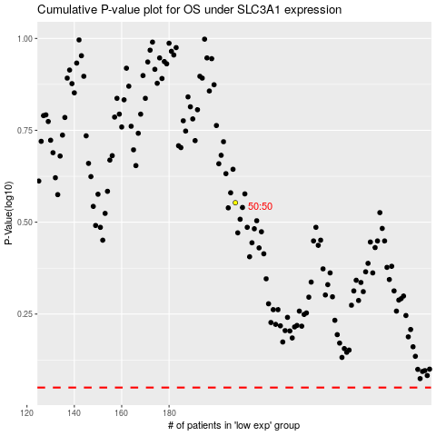

 |  |  |  |  |  | cases_OS | p_OS | rank | exp
 |  |  |  |  |  |  | cases_RFS | p_RFS | rank | exp

