SLC41A1 _multivariate
Reported by Tex Li-Hsing Chi. tex@gate.sinica.edu.tw 2019-08-15

Table 2. The clinicopathological features of HNSCC cohort and SLC41A1 expression. (Chi square test)
Cutoff at -0.121 (50.0%)
 |  | SLC41A1 expression |  | SLC41A1 expression |  | (Optimised)
 | Features | Low | (%) | High | (%) | Case no | P-value | Remark | Matthews
Gender | Female | 146 | 35.2 | 160 | 38.6 | 415 | 0.1714 | 0 | 0
2 | Male | 61 | 14.7 | 48 | 11.6
Age at diagnosis | <=65y | 130 | 31.3 | 144 | 34.7 | 415 | 0.2009 | 0 | 0
4 | >65y | 77 | 18.6 | 64 | 15.4
Clinical T Status | T1+T2 | 88 | 21.2 | 61 | 14.7 | 415 | 0.007 | 1 | 0
6 | T3+T4 | 119 | 28.7 | 147 | 35.4
Clinical N Status | N0 | 123 | 29.6 | 93 | 22.4 | 415 | 0.0037 | 1 | 0
8 | N1-3 | 84 | 20.2 | 115 | 27.7
Clinical M Status | M0 | 204 | 49.2 | 208 | 50.1 | 415 | 0.1232 | 0 | 0
10 | M1 | 3 | 0.7 | 0 | 0
Clinical Stage | Stage I+II | 65 | 15.7 | 37 | 8.9 | 415 | 0.0019 | 1 | 0
12 | Stage III+IV | 142 | 34.2 | 171 | 41.2
Surgical Margin status | Negative | 157 | 37.8 | 161 | 38.8 | 415 | 0.729 | 0 | 0
14 | Positive | 50 | 12 | 47 | 11.3
Tobacco Exposure | Low | 95 | 22.9 | 66 | 15.9 | 415 | 0.0035 | 1 | 0
16 | High | 112 | 27 | 142 | 34.2

Table 3. Univariate/Multivariate Cox's proportional hazards regression analyses on OS time of SLC41A1 gene expression in HNSCC

 |  | Univariate |  |  |  | Multivariate
 | Features | HR | CI95%(L) | CI95%(H) | P-value | HR | CI95%(L) | CI95%(H) | P-value
1 | Female | 1 |  |  |  | 1
Gender | Male | 1.157 | 0.843 | 1.587 | 0.367 | 1.244 | 0.889 | 1.743 | 0.203
11 | <=65y | 1 |  |  |  | 1
Age at diagnosis | >65y | 1.329 | 0.99 | 1.784 | 0.058 | 1.404 | 1.032 | 1.91 | 0.031
12 | T1+T2 | 1 |  |  |  | 1
Clinical T Status | T3+T4 | 1.409 | 1.028 | 1.931 | 0.033 | 2.2 | 1.164 | 4.157 | 0.015
13 | N0 | 1 |  |  |  | 1
Clinical N Status | N1-3 | 1.185 | 0.89 | 1.577 | 0.246 | 1.215 | 0.85 | 1.737 | 0.285
14 | M0 | 1 |  |  |  | 1
Clinical M Status | M1 | 4.097 | 1.009 | 16.644 | 0.049 | 10.884 | 2.343 | 50.569 | 0.002
15 | Stage I+II | 1 |  |  |  | 1
Clinical Stage | Stage III+IV | 1.245 | 0.882 | 1.759 | 0.213 | 0.494 | 0.23 | 1.061 | 0.071
16 | Negative | 1 |  |  |  | 1
Surgical Margin status | Positive | 1.591 | 1.155 | 2.191 | 0.004 | 1.687 | 1.221 | 2.331 | 0.002
17 | Low | 1 |  |  |  | 1
Tobacco Exposure | High | 1.364 | 1.008 | 1.844 | 0.044 | 1.426 | 1.034 | 1.966 | 0.03
18 | Low | 1 |  |  |  | 1
RNAseq(z-score) | High | 1.234 | 0.924 | 1.649 | 0.154 | 1.258 | 0.93 | 1.702 | 0.137

Table 4. Univariate/Multivariate Cox's proportional hazards regression analyses on RFS time of SLC41A1 gene expression in HNSCC

 |  | Univariate |  |  |  | Multivariate
 | Features | HR | CI95%(L) | CI95%(H) | P-value | HR | CI95%(L) | CI95%(H) | P-value
1 | Female | 1 |  |  |  | 1
Gender | Male | 1.157 | 0.843 | 1.587 | 0.367 | 1.244 | 0.889 | 1.743 | 0.203
11 | <=65y | 1 |  |  |  | 1
Age at diagnosis | >65y | 1.329 | 0.99 | 1.784 | 0.058 | 1.404 | 1.032 | 1.91 | 0.031
12 | T1+T2 | 1 |  |  |  | 1
Clinical T Status | T3+T4 | 1.409 | 1.028 | 1.931 | 0.033 | 2.2 | 1.164 | 4.157 | 0.015
13 | N0 | 1 |  |  |  | 1
Clinical N Status | N1-3 | 1.185 | 0.89 | 1.577 | 0.246 | 1.215 | 0.85 | 1.737 | 0.285
14 | M0 | 1 |  |  |  | 1
Clinical M Status | M1 | 4.097 | 1.009 | 16.644 | 0.049 | 10.884 | 2.343 | 50.569 | 0.002
15 | Stage I+II | 1 |  |  |  | 1
Clinical Stage | Stage III+IV | 1.245 | 0.882 | 1.759 | 0.213 | 0.494 | 0.23 | 1.061 | 0.071
16 | Negative | 1 |  |  |  | 1
Surgical Margin status | Positive | 1.591 | 1.155 | 2.191 | 0.004 | 1.687 | 1.221 | 2.331 | 0.002
17 | Low | 1 |  |  |  | 1
Tobacco Exposure | High | 1.364 | 1.008 | 1.844 | 0.044 | 1.426 | 1.034 | 1.966 | 0.03
18 | Low | 1 |  |  |  | 1
RNAseq(z-score) | High | 1.234 | 0.924 | 1.649 | 0.154 | 1.258 | 0.93 | 1.702 | 0.137

Kaplan-Meier survival estimate: Cutoff at -0.121 (50.0%)



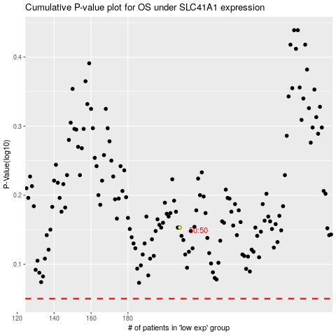

 |  |  |  |  |  | cases_OS | p_OS | rank | exp
 |  |  |  |  |  |  | cases_RFS | p_RFS | rank | exp

