SLC41A2 _multivariate
Reported by Tex Li-Hsing Chi. tex@gate.sinica.edu.tw 2019-08-15

Table 2. The clinicopathological features of HNSCC cohort and SLC41A2 expression. (Chi square test)
Cutoff at -0.239 (49.8%)
 |  | SLC41A2 expression |  | SLC41A2 expression |  | (Optimised)
 | Features | Low | (%) | High | (%) | Case no | P-value | Remark | Matthews
Gender | Female | 164 | 39.5 | 142 | 34.2 | 415 | 0.0153 | 1 | 0
2 | Male | 43 | 10.4 | 66 | 15.9
Age at diagnosis | <=65y | 151 | 36.4 | 123 | 29.6 | 415 | 0.0041 | 1 | 0
4 | >65y | 56 | 13.5 | 85 | 20.5
Clinical T Status | T1+T2 | 68 | 16.4 | 81 | 19.5 | 415 | 0.2336 | 0 | 0
6 | T3+T4 | 139 | 33.5 | 127 | 30.6
Clinical N Status | N0 | 108 | 26 | 108 | 26 | 415 | 1 | 0 | 0
8 | N1-3 | 99 | 23.9 | 100 | 24.1
Clinical M Status | M0 | 205 | 49.4 | 207 | 49.9 | 415 | 0.6232 | 0 | 0
10 | M1 | 2 | 0.5 | 1 | 0.2
Clinical Stage | Stage I+II | 42 | 10.1 | 60 | 14.5 | 415 | 0.0561 | 0 | 0
12 | Stage III+IV | 165 | 39.8 | 148 | 35.7
Surgical Margin status | Negative | 160 | 38.6 | 158 | 38.1 | 415 | 0.8167 | 0 | 0
14 | Positive | 47 | 11.3 | 50 | 12
Tobacco Exposure | Low | 78 | 18.8 | 83 | 20 | 415 | 0.6873 | 0 | 0
16 | High | 129 | 31.1 | 125 | 30.1

Table 3. Univariate/Multivariate Cox's proportional hazards regression analyses on OS time of SLC41A2 gene expression in HNSCC

 |  | Univariate |  |  |  | Multivariate
 | Features | HR | CI95%(L) | CI95%(H) | P-value | HR | CI95%(L) | CI95%(H) | P-value
1 | Female | 1 |  |  |  | 1
Gender | Male | 1.157 | 0.843 | 1.587 | 0.367 | 1.175 | 0.838 | 1.645 | 0.35
11 | <=65y | 1 |  |  |  | 1
Age at diagnosis | >65y | 1.329 | 0.99 | 1.784 | 0.058 | 1.371 | 1.007 | 1.866 | 0.045
12 | T1+T2 | 1 |  |  |  | 1
Clinical T Status | T3+T4 | 1.409 | 1.028 | 1.931 | 0.033 | 2.172 | 1.148 | 4.11 | 0.017
13 | N0 | 1 |  |  |  | 1
Clinical N Status | N1-3 | 1.185 | 0.89 | 1.577 | 0.246 | 1.233 | 0.864 | 1.759 | 0.249
14 | M0 | 1 |  |  |  | 1
Clinical M Status | M1 | 4.097 | 1.009 | 16.644 | 0.049 | 9.359 | 2.042 | 42.894 | 0.004
15 | Stage I+II | 1 |  |  |  | 1
Clinical Stage | Stage III+IV | 1.245 | 0.882 | 1.759 | 0.213 | 0.525 | 0.243 | 1.132 | 0.1
16 | Negative | 1 |  |  |  | 1
Surgical Margin status | Positive | 1.591 | 1.155 | 2.191 | 0.004 | 1.654 | 1.197 | 2.287 | 0.002
17 | Low | 1 |  |  |  | 1
Tobacco Exposure | High | 1.364 | 1.008 | 1.844 | 0.044 | 1.456 | 1.057 | 2.005 | 0.021
18 | Low | 1 |  |  |  | 1
RNAseq(z-score) | High | 1.203 | 0.902 | 1.606 | 0.208 | 1.152 | 0.854 | 1.554 | 0.353

Table 4. Univariate/Multivariate Cox's proportional hazards regression analyses on RFS time of SLC41A2 gene expression in HNSCC

 |  | Univariate |  |  |  | Multivariate
 | Features | HR | CI95%(L) | CI95%(H) | P-value | HR | CI95%(L) | CI95%(H) | P-value
1 | Female | 1 |  |  |  | 1
Gender | Male | 1.157 | 0.843 | 1.587 | 0.367 | 1.175 | 0.838 | 1.645 | 0.35
11 | <=65y | 1 |  |  |  | 1
Age at diagnosis | >65y | 1.329 | 0.99 | 1.784 | 0.058 | 1.371 | 1.007 | 1.866 | 0.045
12 | T1+T2 | 1 |  |  |  | 1
Clinical T Status | T3+T4 | 1.409 | 1.028 | 1.931 | 0.033 | 2.172 | 1.148 | 4.11 | 0.017
13 | N0 | 1 |  |  |  | 1
Clinical N Status | N1-3 | 1.185 | 0.89 | 1.577 | 0.246 | 1.233 | 0.864 | 1.759 | 0.249
14 | M0 | 1 |  |  |  | 1
Clinical M Status | M1 | 4.097 | 1.009 | 16.644 | 0.049 | 9.359 | 2.042 | 42.894 | 0.004
15 | Stage I+II | 1 |  |  |  | 1
Clinical Stage | Stage III+IV | 1.245 | 0.882 | 1.759 | 0.213 | 0.525 | 0.243 | 1.132 | 0.1
16 | Negative | 1 |  |  |  | 1
Surgical Margin status | Positive | 1.591 | 1.155 | 2.191 | 0.004 | 1.654 | 1.197 | 2.287 | 0.002
17 | Low | 1 |  |  |  | 1
Tobacco Exposure | High | 1.364 | 1.008 | 1.844 | 0.044 | 1.456 | 1.057 | 2.005 | 0.021
18 | Low | 1 |  |  |  | 1
RNAseq(z-score) | High | 1.203 | 0.902 | 1.606 | 0.208 | 1.152 | 0.854 | 1.554 | 0.353

Kaplan-Meier survival estimate: Cutoff at -0.239 (49.8%)



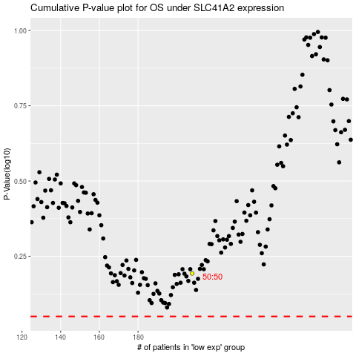

 |  |  |  |  |  | cases_OS | p_OS | rank | exp
 |  |  |  |  |  |  | cases_RFS | p_RFS | rank | exp

