SLC41A3 _multivariate
Reported by Tex Li-Hsing Chi. tex@gate.sinica.edu.tw 2019-08-15

Table 2. The clinicopathological features of HNSCC cohort and SLC41A3 expression. (Chi square test)
Cutoff at -0.211 (50.7%)
 |  | SLC41A3 expression |  | SLC41A3 expression |  | (Optimised)
 | Features | Low | (%) | High | (%) | Case no | P-value | Remark | Matthews
Gender | Female | 154 | 37.1 | 152 | 36.6 | 415 | 0.9389 | 0 | 0
2 | Male | 56 | 13.5 | 53 | 12.8
Age at diagnosis | <=65y | 134 | 32.3 | 140 | 33.7 | 415 | 0.3896 | 0 | 0
4 | >65y | 76 | 18.3 | 65 | 15.7
Clinical T Status | T1+T2 | 77 | 18.6 | 72 | 17.3 | 415 | 0.8215 | 0 | 0
6 | T3+T4 | 133 | 32 | 133 | 32
Clinical N Status | N0 | 113 | 27.2 | 103 | 24.8 | 415 | 0.5296 | 0 | 0
8 | N1-3 | 97 | 23.4 | 102 | 24.6
Clinical M Status | M0 | 208 | 50.1 | 204 | 49.2 | 415 | 1 | 0 | 0
10 | M1 | 2 | 0.5 | 1 | 0.2
Clinical Stage | Stage I+II | 54 | 13 | 48 | 11.6 | 415 | 0.6672 | 0 | 0
12 | Stage III+IV | 156 | 37.6 | 157 | 37.8
Surgical Margin status | Negative | 160 | 38.6 | 158 | 38.1 | 415 | 0.9077 | 0 | 0
14 | Positive | 50 | 12 | 47 | 11.3
Tobacco Exposure | Low | 85 | 20.5 | 76 | 18.3 | 415 | 0.4827 | 0 | 0
16 | High | 125 | 30.1 | 129 | 31.1

Table 3. Univariate/Multivariate Cox's proportional hazards regression analyses on OS time of SLC41A3 gene expression in HNSCC

 |  | Univariate |  |  |  | Multivariate
 | Features | HR | CI95%(L) | CI95%(H) | P-value | HR | CI95%(L) | CI95%(H) | P-value
1 | Female | 1 |  |  |  | 1
Gender | Male | 1.157 | 0.843 | 1.587 | 0.367 | 1.216 | 0.871 | 1.697 | 0.251
11 | <=65y | 1 |  |  |  | 1
Age at diagnosis | >65y | 1.329 | 0.99 | 1.784 | 0.058 | 1.403 | 1.033 | 1.904 | 0.03
12 | T1+T2 | 1 |  |  |  | 1
Clinical T Status | T3+T4 | 1.409 | 1.028 | 1.931 | 0.033 | 2.249 | 1.188 | 4.255 | 0.013
13 | N0 | 1 |  |  |  | 1
Clinical N Status | N1-3 | 1.185 | 0.89 | 1.577 | 0.246 | 1.233 | 0.864 | 1.76 | 0.248
14 | M0 | 1 |  |  |  | 1
Clinical M Status | M1 | 4.097 | 1.009 | 16.644 | 0.049 | 10.663 | 2.316 | 49.1 | 0.002
15 | Stage I+II | 1 |  |  |  | 1
Clinical Stage | Stage III+IV | 1.245 | 0.882 | 1.759 | 0.213 | 0.5 | 0.233 | 1.072 | 0.075
16 | Negative | 1 |  |  |  | 1
Surgical Margin status | Positive | 1.591 | 1.155 | 2.191 | 0.004 | 1.702 | 1.231 | 2.354 | 0.001
17 | Low | 1 |  |  |  | 1
Tobacco Exposure | High | 1.364 | 1.008 | 1.844 | 0.044 | 1.417 | 1.029 | 1.95 | 0.033
18 | Low | 1 |  |  |  | 1
RNAseq(z-score) | High | 1.342 | 1.006 | 1.79 | 0.045 | 1.422 | 1.062 | 1.904 | 0.018

Table 4. Univariate/Multivariate Cox's proportional hazards regression analyses on RFS time of SLC41A3 gene expression in HNSCC

 |  | Univariate |  |  |  | Multivariate
 | Features | HR | CI95%(L) | CI95%(H) | P-value | HR | CI95%(L) | CI95%(H) | P-value
1 | Female | 1 |  |  |  | 1
Gender | Male | 1.157 | 0.843 | 1.587 | 0.367 | 1.216 | 0.871 | 1.697 | 0.251
11 | <=65y | 1 |  |  |  | 1
Age at diagnosis | >65y | 1.329 | 0.99 | 1.784 | 0.058 | 1.403 | 1.033 | 1.904 | 0.03
12 | T1+T2 | 1 |  |  |  | 1
Clinical T Status | T3+T4 | 1.409 | 1.028 | 1.931 | 0.033 | 2.249 | 1.188 | 4.255 | 0.013
13 | N0 | 1 |  |  |  | 1
Clinical N Status | N1-3 | 1.185 | 0.89 | 1.577 | 0.246 | 1.233 | 0.864 | 1.76 | 0.248
14 | M0 | 1 |  |  |  | 1
Clinical M Status | M1 | 4.097 | 1.009 | 16.644 | 0.049 | 10.663 | 2.316 | 49.1 | 0.002
15 | Stage I+II | 1 |  |  |  | 1
Clinical Stage | Stage III+IV | 1.245 | 0.882 | 1.759 | 0.213 | 0.5 | 0.233 | 1.072 | 0.075
16 | Negative | 1 |  |  |  | 1
Surgical Margin status | Positive | 1.591 | 1.155 | 2.191 | 0.004 | 1.702 | 1.231 | 2.354 | 0.001
17 | Low | 1 |  |  |  | 1
Tobacco Exposure | High | 1.364 | 1.008 | 1.844 | 0.044 | 1.417 | 1.029 | 1.95 | 0.033
18 | Low | 1 |  |  |  | 1
RNAseq(z-score) | High | 1.342 | 1.006 | 1.79 | 0.045 | 1.422 | 1.062 | 1.904 | 0.018

Kaplan-Meier survival estimate: Cutoff at -0.211 (50.7%)

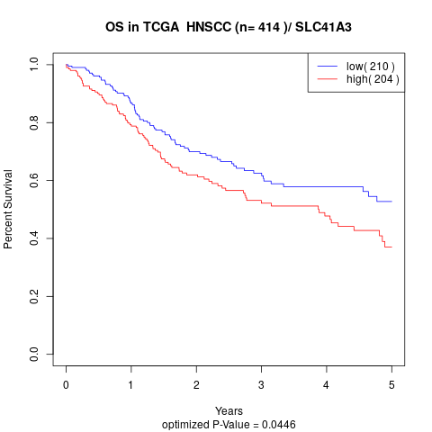

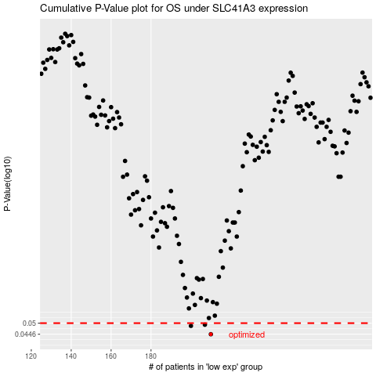

 |  |  |  |  |  | cases_OS | p_OS | rank | exp
 |  |  |  |  |  | 210 | 0.0446 | 216 | -0.21132990303
 |  |  |  |  |  | 200 | 0.0486 | 297 | -0.25811653453
 |  |  |  |  |  | 207 | 0.0492 | 385 | -0.21787996409
 |  |  |  |  |  |  | cases_RFS | p_RFS | rank | exp
 |  |  |  |  |  |  | 209 | 0.0446 | 134 | -0.21218023229
 |  |  |  |  |  |  | 199 | 0.0486 | 168 | -0.26040849463
 |  |  |  |  |  |  | 206 | 0.0492 | 205 | -0.22149260059

