SLC43A1 _multivariate
Reported by Tex Li-Hsing Chi. tex@gate.sinica.edu.tw 2019-08-15

Table 2. The clinicopathological features of HNSCC cohort and SLC43A1 expression. (Chi square test)
Cutoff at -0.071 (63.0%)
 |  | SLC43A1 expression |  | SLC43A1 expression |  | (Optimised)
 | Features | Low | (%) | High | (%) | Case no | P-value | Remark | Matthews
Gender | Female | 187 | 45.1 | 119 | 28.7 | 415 | 0.1887 | 0 | 0
2 | Male | 75 | 18.1 | 34 | 8.2
Age at diagnosis | <=65y | 173 | 41.7 | 101 | 24.3 | 415 | 1 | 0 | 0
4 | >65y | 89 | 21.4 | 52 | 12.5
Clinical T Status | T1+T2 | 95 | 22.9 | 54 | 13 | 415 | 0.9269 | 0 | 0
6 | T3+T4 | 167 | 40.2 | 99 | 23.9
Clinical N Status | N0 | 138 | 33.3 | 78 | 18.8 | 415 | 0.8174 | 0 | 0
8 | N1-3 | 124 | 29.9 | 75 | 18.1
Clinical M Status | M0 | 259 | 62.4 | 153 | 36.9 | 415 | 0.3001 | 0 | 0
10 | M1 | 3 | 0.7 | 0 | 0
Clinical Stage | Stage I+II | 66 | 15.9 | 36 | 8.7 | 415 | 0.794 | 0 | 0
12 | Stage III+IV | 196 | 47.2 | 117 | 28.2
Surgical Margin status | Negative | 200 | 48.2 | 118 | 28.4 | 415 | 0.9046 | 0 | 0
14 | Positive | 62 | 14.9 | 35 | 8.4
Tobacco Exposure | Low | 112 | 27 | 49 | 11.8 | 415 | 0.0367 | 1 | 0
16 | High | 150 | 36.1 | 104 | 25.1

Table 3. Univariate/Multivariate Cox's proportional hazards regression analyses on OS time of SLC43A1 gene expression in HNSCC

 |  | Univariate |  |  |  | Multivariate
 | Features | HR | CI95%(L) | CI95%(H) | P-value | HR | CI95%(L) | CI95%(H) | P-value
1 | Female | 1 |  |  |  | 1
Gender | Male | 1.157 | 0.843 | 1.587 | 0.367 | 1.161 | 0.83 | 1.625 | 0.383
11 | <=65y | 1 |  |  |  | 1
Age at diagnosis | >65y | 1.329 | 0.99 | 1.784 | 0.058 | 1.395 | 1.028 | 1.895 | 0.033
12 | T1+T2 | 1 |  |  |  | 1
Clinical T Status | T3+T4 | 1.409 | 1.028 | 1.931 | 0.033 | 2.272 | 1.2 | 4.302 | 0.012
13 | N0 | 1 |  |  |  | 1
Clinical N Status | N1-3 | 1.185 | 0.89 | 1.577 | 0.246 | 1.254 | 0.879 | 1.788 | 0.211
14 | M0 | 1 |  |  |  | 1
Clinical M Status | M1 | 4.097 | 1.009 | 16.644 | 0.049 | 8.487 | 1.846 | 39.017 | 0.006
15 | Stage I+II | 1 |  |  |  | 1
Clinical Stage | Stage III+IV | 1.245 | 0.882 | 1.759 | 0.213 | 0.494 | 0.23 | 1.061 | 0.071
16 | Negative | 1 |  |  |  | 1
Surgical Margin status | Positive | 1.591 | 1.155 | 2.191 | 0.004 | 1.668 | 1.207 | 2.305 | 0.002
17 | Low | 1 |  |  |  | 1
Tobacco Exposure | High | 1.364 | 1.008 | 1.844 | 0.044 | 1.478 | 1.073 | 2.036 | 0.017
18 | Low | 1 |  |  |  | 1
RNAseq(z-score) | High | 0.723 | 0.533 | 0.982 | 0.038 | 0.713 | 0.523 | 0.973 | 0.033

Table 4. Univariate/Multivariate Cox's proportional hazards regression analyses on RFS time of SLC43A1 gene expression in HNSCC

 |  | Univariate |  |  |  | Multivariate
 | Features | HR | CI95%(L) | CI95%(H) | P-value | HR | CI95%(L) | CI95%(H) | P-value
1 | Female | 1 |  |  |  | 1
Gender | Male | 1.157 | 0.843 | 1.587 | 0.367 | 1.161 | 0.83 | 1.625 | 0.383
11 | <=65y | 1 |  |  |  | 1
Age at diagnosis | >65y | 1.329 | 0.99 | 1.784 | 0.058 | 1.395 | 1.028 | 1.895 | 0.033
12 | T1+T2 | 1 |  |  |  | 1
Clinical T Status | T3+T4 | 1.409 | 1.028 | 1.931 | 0.033 | 2.272 | 1.2 | 4.302 | 0.012
13 | N0 | 1 |  |  |  | 1
Clinical N Status | N1-3 | 1.185 | 0.89 | 1.577 | 0.246 | 1.254 | 0.879 | 1.788 | 0.211
14 | M0 | 1 |  |  |  | 1
Clinical M Status | M1 | 4.097 | 1.009 | 16.644 | 0.049 | 8.487 | 1.846 | 39.017 | 0.006
15 | Stage I+II | 1 |  |  |  | 1
Clinical Stage | Stage III+IV | 1.245 | 0.882 | 1.759 | 0.213 | 0.494 | 0.23 | 1.061 | 0.071
16 | Negative | 1 |  |  |  | 1
Surgical Margin status | Positive | 1.591 | 1.155 | 2.191 | 0.004 | 1.668 | 1.207 | 2.305 | 0.002
17 | Low | 1 |  |  |  | 1
Tobacco Exposure | High | 1.364 | 1.008 | 1.844 | 0.044 | 1.478 | 1.073 | 2.036 | 0.017
18 | Low | 1 |  |  |  | 1
RNAseq(z-score) | High | 0.723 | 0.533 | 0.982 | 0.038 | 0.713 | 0.523 | 0.973 | 0.033

Kaplan-Meier survival estimate: Cutoff at -0.071 (63.0%)

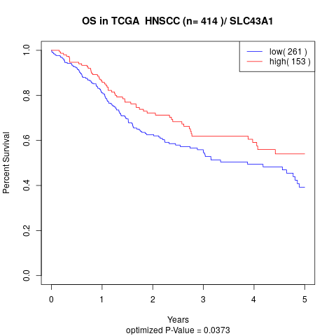

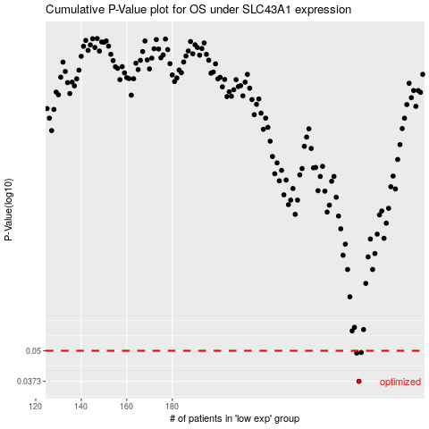

 |  |  |  |  |  | cases_OS | p_OS | rank | exp
 |  |  |  |  |  | 262 | 0.0373 | 321 | -0.070962258577
 |  |  |  |  |  | 261 | 0.0489 | 54 | -0.071222083422
 |  |  |  |  |  | 263 | 0.0492 | 40 | -0.068943389669
 |  |  |  |  |  |  | cases_RFS | p_RFS | rank | exp
 |  |  |  |  |  |  | 261 | 0.0373 | 54 | -0.071222083422
 |  |  |  |  |  |  | 260 | 0.0489 | 361 | -0.078665169274
 |  |  |  |  |  |  | 262 | 0.0492 | 321 | -0.070962258577

