SLC43A2 _multivariate
Reported by Tex Li-Hsing Chi. tex@gate.sinica.edu.tw 2019-08-15

Table 2. The clinicopathological features of HNSCC cohort and SLC43A2 expression. (Chi square test)
Cutoff at -0.077 (49.8%)
 |  | SLC43A2 expression |  | SLC43A2 expression |  | (Optimised)
 | Features | Low | (%) | High | (%) | Case no | P-value | Remark | Matthews
Gender | Female | 153 | 36.9 | 153 | 36.9 | 415 | 1 | 0 | 0
2 | Male | 54 | 13 | 55 | 13.3
Age at diagnosis | <=65y | 137 | 33 | 137 | 33 | 415 | 1 | 0 | 0
4 | >65y | 70 | 16.9 | 71 | 17.1
Clinical T Status | T1+T2 | 68 | 16.4 | 81 | 19.5 | 415 | 0.2336 | 0 | 0
6 | T3+T4 | 139 | 33.5 | 127 | 30.6
Clinical N Status | N0 | 107 | 25.8 | 109 | 26.3 | 415 | 0.9624 | 0 | 0
8 | N1-3 | 100 | 24.1 | 99 | 23.9
Clinical M Status | M0 | 206 | 49.6 | 206 | 49.6 | 415 | 1 | 0 | 0
10 | M1 | 1 | 0.2 | 2 | 0.5
Clinical Stage | Stage I+II | 47 | 11.3 | 55 | 13.3 | 415 | 0.4413 | 0 | 0
12 | Stage III+IV | 160 | 38.6 | 153 | 36.9
Surgical Margin status | Negative | 145 | 34.9 | 173 | 41.7 | 415 | 0.0017 | 1 | 0
14 | Positive | 62 | 14.9 | 35 | 8.4
Tobacco Exposure | Low | 79 | 19 | 82 | 19.8 | 415 | 0.8405 | 0 | 0
16 | High | 128 | 30.8 | 126 | 30.4

Table 3. Univariate/Multivariate Cox's proportional hazards regression analyses on OS time of SLC43A2 gene expression in HNSCC

 |  | Univariate |  |  |  | Multivariate
 | Features | HR | CI95%(L) | CI95%(H) | P-value | HR | CI95%(L) | CI95%(H) | P-value
1 | Female | 1 |  |  |  | 1
Gender | Male | 1.157 | 0.843 | 1.587 | 0.367 | 1.208 | 0.864 | 1.689 | 0.268
11 | <=65y | 1 |  |  |  | 1
Age at diagnosis | >65y | 1.329 | 0.99 | 1.784 | 0.058 | 1.393 | 1.024 | 1.894 | 0.035
12 | T1+T2 | 1 |  |  |  | 1
Clinical T Status | T3+T4 | 1.409 | 1.028 | 1.931 | 0.033 | 2.22 | 1.174 | 4.2 | 0.014
13 | N0 | 1 |  |  |  | 1
Clinical N Status | N1-3 | 1.185 | 0.89 | 1.577 | 0.246 | 1.242 | 0.87 | 1.772 | 0.233
14 | M0 | 1 |  |  |  | 1
Clinical M Status | M1 | 4.097 | 1.009 | 16.644 | 0.049 | 9.232 | 2.012 | 42.366 | 0.004
15 | Stage I+II | 1 |  |  |  | 1
Clinical Stage | Stage III+IV | 1.245 | 0.882 | 1.759 | 0.213 | 0.502 | 0.234 | 1.078 | 0.077
16 | Negative | 1 |  |  |  | 1
Surgical Margin status | Positive | 1.591 | 1.155 | 2.191 | 0.004 | 1.704 | 1.226 | 2.368 | 0.001
17 | Low | 1 |  |  |  | 1
Tobacco Exposure | High | 1.364 | 1.008 | 1.844 | 0.044 | 1.455 | 1.056 | 2.005 | 0.022
18 | Low | 1 |  |  |  | 1
RNAseq(z-score) | High | 1.017 | 0.763 | 1.356 | 0.908 | 1.098 | 0.819 | 1.474 | 0.531

Table 4. Univariate/Multivariate Cox's proportional hazards regression analyses on RFS time of SLC43A2 gene expression in HNSCC

 |  | Univariate |  |  |  | Multivariate
 | Features | HR | CI95%(L) | CI95%(H) | P-value | HR | CI95%(L) | CI95%(H) | P-value
1 | Female | 1 |  |  |  | 1
Gender | Male | 1.157 | 0.843 | 1.587 | 0.367 | 1.208 | 0.864 | 1.689 | 0.268
11 | <=65y | 1 |  |  |  | 1
Age at diagnosis | >65y | 1.329 | 0.99 | 1.784 | 0.058 | 1.393 | 1.024 | 1.894 | 0.035
12 | T1+T2 | 1 |  |  |  | 1
Clinical T Status | T3+T4 | 1.409 | 1.028 | 1.931 | 0.033 | 2.22 | 1.174 | 4.2 | 0.014
13 | N0 | 1 |  |  |  | 1
Clinical N Status | N1-3 | 1.185 | 0.89 | 1.577 | 0.246 | 1.242 | 0.87 | 1.772 | 0.233
14 | M0 | 1 |  |  |  | 1
Clinical M Status | M1 | 4.097 | 1.009 | 16.644 | 0.049 | 9.232 | 2.012 | 42.366 | 0.004
15 | Stage I+II | 1 |  |  |  | 1
Clinical Stage | Stage III+IV | 1.245 | 0.882 | 1.759 | 0.213 | 0.502 | 0.234 | 1.078 | 0.077
16 | Negative | 1 |  |  |  | 1
Surgical Margin status | Positive | 1.591 | 1.155 | 2.191 | 0.004 | 1.704 | 1.226 | 2.368 | 0.001
17 | Low | 1 |  |  |  | 1
Tobacco Exposure | High | 1.364 | 1.008 | 1.844 | 0.044 | 1.455 | 1.056 | 2.005 | 0.022
18 | Low | 1 |  |  |  | 1
RNAseq(z-score) | High | 1.017 | 0.763 | 1.356 | 0.908 | 1.098 | 0.819 | 1.474 | 0.531

Kaplan-Meier survival estimate: Cutoff at -0.077 (49.8%)



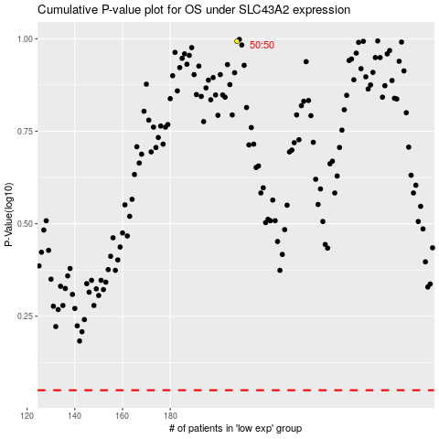

 |  |  |  |  |  | cases_OS | p_OS | rank | exp
 |  |  |  |  |  |  | cases_RFS | p_RFS | rank | exp

