SLC43A3 _multivariate
Reported by Tex Li-Hsing Chi. tex@gate.sinica.edu.tw 2019-08-15

Table 2. The clinicopathological features of HNSCC cohort and SLC43A3 expression. (Chi square test)
Cutoff at 0.276 (67.4%)
 |  | SLC43A3 expression |  | SLC43A3 expression |  | (Optimised)
 | Features | Low | (%) | High | (%) | Case no | P-value | Remark | Matthews
Gender | Female | 206 | 49.6 | 100 | 24.1 | 415 | 1 | 0 | 0
2 | Male | 74 | 17.8 | 35 | 8.4
Age at diagnosis | <=65y | 179 | 43.1 | 95 | 22.9 | 415 | 0.2351 | 0 | 0
4 | >65y | 101 | 24.3 | 40 | 9.6
Clinical T Status | T1+T2 | 99 | 23.9 | 50 | 12 | 415 | 0.822 | 0 | 0
6 | T3+T4 | 181 | 43.6 | 85 | 20.5
Clinical N Status | N0 | 156 | 37.6 | 60 | 14.5 | 415 | 0.0406 | 1 | 0
8 | N1-3 | 124 | 29.9 | 75 | 18.1
Clinical M Status | M0 | 277 | 66.7 | 135 | 32.5 | 415 | 0.5541 | 0 | 0
10 | M1 | 3 | 0.7 | 0 | 0
Clinical Stage | Stage I+II | 72 | 17.3 | 30 | 7.2 | 415 | 0.5142 | 0 | 0
12 | Stage III+IV | 208 | 50.1 | 105 | 25.3
Surgical Margin status | Negative | 217 | 52.3 | 101 | 24.3 | 415 | 0.5388 | 0 | 0
14 | Positive | 63 | 15.2 | 34 | 8.2
Tobacco Exposure | Low | 110 | 26.5 | 51 | 12.3 | 415 | 0.8299 | 0 | 0
16 | High | 170 | 41 | 84 | 20.2

Table 3. Univariate/Multivariate Cox's proportional hazards regression analyses on OS time of SLC43A3 gene expression in HNSCC

 |  | Univariate |  |  |  | Multivariate
 | Features | HR | CI95%(L) | CI95%(H) | P-value | HR | CI95%(L) | CI95%(H) | P-value
1 | Female | 1 |  |  |  | 1
Gender | Male | 1.157 | 0.843 | 1.587 | 0.367 | 1.175 | 0.84 | 1.644 | 0.346
11 | <=65y | 1 |  |  |  | 1
Age at diagnosis | >65y | 1.329 | 0.99 | 1.784 | 0.058 | 1.398 | 1.027 | 1.902 | 0.033
12 | T1+T2 | 1 |  |  |  | 1
Clinical T Status | T3+T4 | 1.409 | 1.028 | 1.931 | 0.033 | 2.304 | 1.217 | 4.362 | 0.01
13 | N0 | 1 |  |  |  | 1
Clinical N Status | N1-3 | 1.185 | 0.89 | 1.577 | 0.246 | 1.181 | 0.826 | 1.689 | 0.361
14 | M0 | 1 |  |  |  | 1
Clinical M Status | M1 | 4.097 | 1.009 | 16.644 | 0.049 | 11.897 | 2.567 | 55.149 | 0.002
15 | Stage I+II | 1 |  |  |  | 1
Clinical Stage | Stage III+IV | 1.245 | 0.882 | 1.759 | 0.213 | 0.463 | 0.215 | 0.997 | 0.049
16 | Negative | 1 |  |  |  | 1
Surgical Margin status | Positive | 1.591 | 1.155 | 2.191 | 0.004 | 1.717 | 1.241 | 2.375 | 0.001
17 | Low | 1 |  |  |  | 1
Tobacco Exposure | High | 1.364 | 1.008 | 1.844 | 0.044 | 1.456 | 1.054 | 2.011 | 0.023
18 | Low | 1 |  |  |  | 1
RNAseq(z-score) | High | 1.517 | 1.126 | 2.043 | 0.006 | 1.555 | 1.146 | 2.11 | 0.005

Table 4. Univariate/Multivariate Cox's proportional hazards regression analyses on RFS time of SLC43A3 gene expression in HNSCC

 |  | Univariate |  |  |  | Multivariate
 | Features | HR | CI95%(L) | CI95%(H) | P-value | HR | CI95%(L) | CI95%(H) | P-value
1 | Female | 1 |  |  |  | 1
Gender | Male | 1.157 | 0.843 | 1.587 | 0.367 | 1.175 | 0.84 | 1.644 | 0.346
11 | <=65y | 1 |  |  |  | 1
Age at diagnosis | >65y | 1.329 | 0.99 | 1.784 | 0.058 | 1.398 | 1.027 | 1.902 | 0.033
12 | T1+T2 | 1 |  |  |  | 1
Clinical T Status | T3+T4 | 1.409 | 1.028 | 1.931 | 0.033 | 2.304 | 1.217 | 4.362 | 0.01
13 | N0 | 1 |  |  |  | 1
Clinical N Status | N1-3 | 1.185 | 0.89 | 1.577 | 0.246 | 1.181 | 0.826 | 1.689 | 0.361
14 | M0 | 1 |  |  |  | 1
Clinical M Status | M1 | 4.097 | 1.009 | 16.644 | 0.049 | 11.897 | 2.567 | 55.149 | 0.002
15 | Stage I+II | 1 |  |  |  | 1
Clinical Stage | Stage III+IV | 1.245 | 0.882 | 1.759 | 0.213 | 0.463 | 0.215 | 0.997 | 0.049
16 | Negative | 1 |  |  |  | 1
Surgical Margin status | Positive | 1.591 | 1.155 | 2.191 | 0.004 | 1.717 | 1.241 | 2.375 | 0.001
17 | Low | 1 |  |  |  | 1
Tobacco Exposure | High | 1.364 | 1.008 | 1.844 | 0.044 | 1.456 | 1.054 | 2.011 | 0.023
18 | Low | 1 |  |  |  | 1
RNAseq(z-score) | High | 1.517 | 1.126 | 2.043 | 0.006 | 1.555 | 1.146 | 2.11 | 0.005

Kaplan-Meier survival estimate: Cutoff at 0.276 (67.4%)

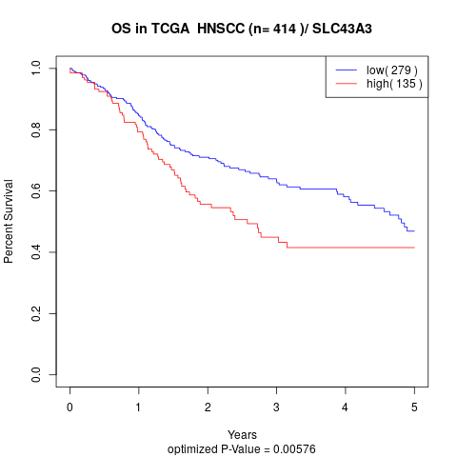

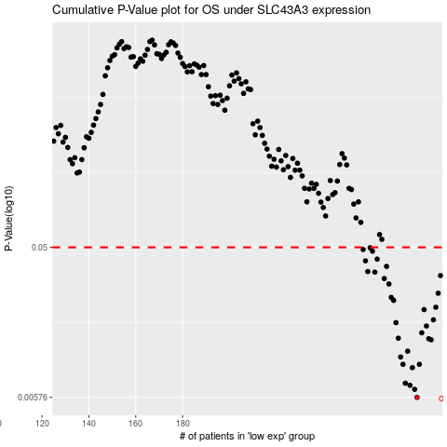

 |  |  |  |  |  | cases_OS | p_OS | rank | exp
 |  |  |  |  |  | 280 | 0.00576 | 241 | 0.27579715004
 |  |  |  |  |  | 279 | 0.00646 | 46 | 0.27500284322
 |  |  |  |  |  | 277 | 0.00685 | 90 | 0.26746494021
 |  |  |  |  |  | 275 | 0.00706 | 225 | 0.25764394558
 |  |  |  |  |  | 278 | 0.00884 | 42 | 0.26855911502
 |  |  |  |  |  | 274 | 0.00927 | 168 | 0.2487028435
 |  |  |  |  |  | 281 | 0.00927 | 198 | 0.2839215633
 |  |  |  |  |  | 273 | 0.0103 | 384 | 0.24427654778
 |  |  |  |  |  | 276 | 0.0112 | 368 | 0.25765208449
 |  |  |  |  |  | 286 | 0.0132 | 143 | 0.3088366765
 |  |  |  |  |  | 285 | 0.0134 | 306 | 0.30510129801
 |  |  |  |  |  | 272 | 0.0135 | 89 | 0.2436457822
 |  |  |  |  |  | 282 | 0.0146 | 58 | 0.2902429535
 |  |  |  |  |  | 284 | 0.0161 | 16 | 0.29720146781
 |  |  |  |  |  | 271 | 0.0169 | 157 | 0.22987461813
 |  |  |  |  |  | 287 | 0.0176 | 48 | 0.31629687835
 |  |  |  |  |  | 283 | 0.0204 | 170 | 0.292110452
 |  |  |  |  |  | 288 | 0.0211 | 267 | 0.31763356726
 |  |  |  |  |  | 270 | 0.0233 | 397 | 0.2121913086
 |  |  |  |  |  | 269 | 0.0243 | 20 | 0.20211927944
 |  |  |  |  |  | 289 | 0.0258 | 180 | 0.32134325733
 |  |  |  |  |  | 268 | 0.0295 | 381 | 0.19364527453
 |  |  |  |  |  | 266 | 0.0319 | 412 | 0.17657441802
 |  |  |  |  |  | 290 | 0.0333 | 118 | 0.3217616482
 |  |  |  |  |  | 262 | 0.035 | 371 | 0.14660440542
 |  |  |  |  |  | 259 | 0.0353 | 210 | 0.13976161625
 |  |  |  |  |  | 267 | 0.038 | 192 | 0.18692774828
 |  |  |  |  |  | 258 | 0.0412 | 382 | 0.13931982601
 |  |  |  |  |  | 263 | 0.0422 | 108 | 0.15295148406
 |  |  |  |  |  | 261 | 0.0473 | 51 | 0.14390915428
 |  |  |  |  |  | 257 | 0.0485 | 102 | 0.13902809693
 |  |  |  |  |  | 260 | 0.0497 | 277 | 0.1399699215
 |  |  |  |  |  |  | cases_RFS | p_RFS | rank | exp
 |  |  |  |  |  |  | 279 | 0.00576 | 46 | 0.27500284322
 |  |  |  |  |  |  | 278 | 0.00646 | 42 | 0.26855911502
 |  |  |  |  |  |  | 276 | 0.00685 | 368 | 0.25765208449
 |  |  |  |  |  |  | 274 | 0.00706 | 168 | 0.2487028435
 |  |  |  |  |  |  | 277 | 0.00884 | 90 | 0.26746494021
 |  |  |  |  |  |  | 280 | 0.00927 | 241 | 0.27579715004
 |  |  |  |  |  |  | 273 | 0.00927 | 384 | 0.24427654778
 |  |  |  |  |  |  | 272 | 0.0103 | 89 | 0.2436457822
 |  |  |  |  |  |  | 275 | 0.0112 | 225 | 0.25764394558
 |  |  |  |  |  |  | 285 | 0.0132 | 306 | 0.30510129801
 |  |  |  |  |  |  | 284 | 0.0134 | 16 | 0.29720146781
 |  |  |  |  |  |  | 271 | 0.0135 | 157 | 0.22987461813
 |  |  |  |  |  |  | 281 | 0.0146 | 198 | 0.2839215633
 |  |  |  |  |  |  | 283 | 0.0161 | 170 | 0.292110452
 |  |  |  |  |  |  | 270 | 0.0169 | 397 | 0.2121913086
 |  |  |  |  |  |  | 286 | 0.0176 | 143 | 0.3088366765
 |  |  |  |  |  |  | 282 | 0.0204 | 58 | 0.2902429535
 |  |  |  |  |  |  | 287 | 0.0211 | 48 | 0.31629687835
 |  |  |  |  |  |  | 269 | 0.0233 | 20 | 0.20211927944
 |  |  |  |  |  |  | 268 | 0.0243 | 381 | 0.19364527453
 |  |  |  |  |  |  | 288 | 0.0258 | 267 | 0.31763356726
 |  |  |  |  |  |  | 267 | 0.0295 | 192 | 0.18692774828
 |  |  |  |  |  |  | 265 | 0.0319 | 205 | 0.15687405751
 |  |  |  |  |  |  | 289 | 0.0333 | 180 | 0.32134325733
 |  |  |  |  |  |  | 261 | 0.035 | 51 | 0.14390915428
 |  |  |  |  |  |  | 258 | 0.0353 | 382 | 0.13931982601
 |  |  |  |  |  |  | 266 | 0.038 | 412 | 0.17657441802
 |  |  |  |  |  |  | 257 | 0.0412 | 102 | 0.13902809693
 |  |  |  |  |  |  | 262 | 0.0422 | 371 | 0.14660440542
 |  |  |  |  |  |  | 260 | 0.0473 | 277 | 0.1399699215
 |  |  |  |  |  |  | 256 | 0.0485 | 272 | 0.12937000768
 |  |  |  |  |  |  | 259 | 0.0497 | 210 | 0.13976161625

