SLC44A1 _multivariate
Reported by Tex Li-Hsing Chi. tex@gate.sinica.edu.tw 2019-08-15

Table 2. The clinicopathological features of HNSCC cohort and SLC44A1 expression. (Chi square test)
Cutoff at -0.152 (49.8%)
 |  | SLC44A1 expression |  | SLC44A1 expression |  | (Optimised)
 | Features | Low | (%) | High | (%) | Case no | P-value | Remark | Matthews
Gender | Female | 156 | 37.6 | 150 | 36.1 | 415 | 0.5222 | 0 | 0
2 | Male | 51 | 12.3 | 58 | 14
Age at diagnosis | <=65y | 137 | 33 | 137 | 33 | 415 | 1 | 0 | 0
4 | >65y | 70 | 16.9 | 71 | 17.1
Clinical T Status | T1+T2 | 79 | 19 | 70 | 16.9 | 415 | 0.3924 | 0 | 0
6 | T3+T4 | 128 | 30.8 | 138 | 33.3
Clinical N Status | N0 | 97 | 23.4 | 119 | 28.7 | 415 | 0.0442 | 1 | 0
8 | N1-3 | 110 | 26.5 | 89 | 21.4
Clinical M Status | M0 | 205 | 49.4 | 207 | 49.9 | 415 | 0.6232 | 0 | 0
10 | M1 | 2 | 0.5 | 1 | 0.2
Clinical Stage | Stage I+II | 51 | 12.3 | 51 | 12.3 | 415 | 1 | 0 | 0
12 | Stage III+IV | 156 | 37.6 | 157 | 37.8
Surgical Margin status | Negative | 157 | 37.8 | 161 | 38.8 | 415 | 0.729 | 0 | 0
14 | Positive | 50 | 12 | 47 | 11.3
Tobacco Exposure | Low | 97 | 23.4 | 64 | 15.4 | 415 | 9e-04 | 1 | 0
16 | High | 110 | 26.5 | 144 | 34.7

Table 3. Univariate/Multivariate Cox's proportional hazards regression analyses on OS time of SLC44A1 gene expression in HNSCC

 |  | Univariate |  |  |  | Multivariate
 | Features | HR | CI95%(L) | CI95%(H) | P-value | HR | CI95%(L) | CI95%(H) | P-value
1 | Female | 1 |  |  |  | 1
Gender | Male | 1.157 | 0.843 | 1.587 | 0.367 | 1.192 | 0.853 | 1.667 | 0.303
11 | <=65y | 1 |  |  |  | 1
Age at diagnosis | >65y | 1.329 | 0.99 | 1.784 | 0.058 | 1.39 | 1.023 | 1.89 | 0.035
12 | T1+T2 | 1 |  |  |  | 1
Clinical T Status | T3+T4 | 1.409 | 1.028 | 1.931 | 0.033 | 2.195 | 1.161 | 4.152 | 0.016
13 | N0 | 1 |  |  |  | 1
Clinical N Status | N1-3 | 1.185 | 0.89 | 1.577 | 0.246 | 1.257 | 0.878 | 1.798 | 0.211
14 | M0 | 1 |  |  |  | 1
Clinical M Status | M1 | 4.097 | 1.009 | 16.644 | 0.049 | 9.572 | 2.086 | 43.93 | 0.004
15 | Stage I+II | 1 |  |  |  | 1
Clinical Stage | Stage III+IV | 1.245 | 0.882 | 1.759 | 0.213 | 0.501 | 0.233 | 1.077 | 0.077
16 | Negative | 1 |  |  |  | 1
Surgical Margin status | Positive | 1.591 | 1.155 | 2.191 | 0.004 | 1.682 | 1.216 | 2.326 | 0.002
17 | Low | 1 |  |  |  | 1
Tobacco Exposure | High | 1.364 | 1.008 | 1.844 | 0.044 | 1.429 | 1.031 | 1.979 | 0.032
18 | Low | 1 |  |  |  | 1
RNAseq(z-score) | High | 1.115 | 0.836 | 1.488 | 0.458 | 1.089 | 0.808 | 1.467 | 0.577

Table 4. Univariate/Multivariate Cox's proportional hazards regression analyses on RFS time of SLC44A1 gene expression in HNSCC

 |  | Univariate |  |  |  | Multivariate
 | Features | HR | CI95%(L) | CI95%(H) | P-value | HR | CI95%(L) | CI95%(H) | P-value
1 | Female | 1 |  |  |  | 1
Gender | Male | 1.157 | 0.843 | 1.587 | 0.367 | 1.192 | 0.853 | 1.667 | 0.303
11 | <=65y | 1 |  |  |  | 1
Age at diagnosis | >65y | 1.329 | 0.99 | 1.784 | 0.058 | 1.39 | 1.023 | 1.89 | 0.035
12 | T1+T2 | 1 |  |  |  | 1
Clinical T Status | T3+T4 | 1.409 | 1.028 | 1.931 | 0.033 | 2.195 | 1.161 | 4.152 | 0.016
13 | N0 | 1 |  |  |  | 1
Clinical N Status | N1-3 | 1.185 | 0.89 | 1.577 | 0.246 | 1.257 | 0.878 | 1.798 | 0.211
14 | M0 | 1 |  |  |  | 1
Clinical M Status | M1 | 4.097 | 1.009 | 16.644 | 0.049 | 9.572 | 2.086 | 43.93 | 0.004
15 | Stage I+II | 1 |  |  |  | 1
Clinical Stage | Stage III+IV | 1.245 | 0.882 | 1.759 | 0.213 | 0.501 | 0.233 | 1.077 | 0.077
16 | Negative | 1 |  |  |  | 1
Surgical Margin status | Positive | 1.591 | 1.155 | 2.191 | 0.004 | 1.682 | 1.216 | 2.326 | 0.002
17 | Low | 1 |  |  |  | 1
Tobacco Exposure | High | 1.364 | 1.008 | 1.844 | 0.044 | 1.429 | 1.031 | 1.979 | 0.032
18 | Low | 1 |  |  |  | 1
RNAseq(z-score) | High | 1.115 | 0.836 | 1.488 | 0.458 | 1.089 | 0.808 | 1.467 | 0.577

Kaplan-Meier survival estimate: Cutoff at -0.152 (49.8%)

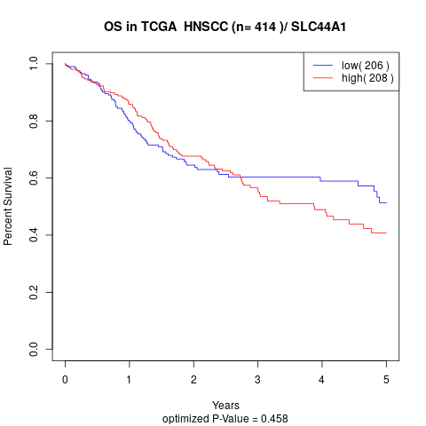

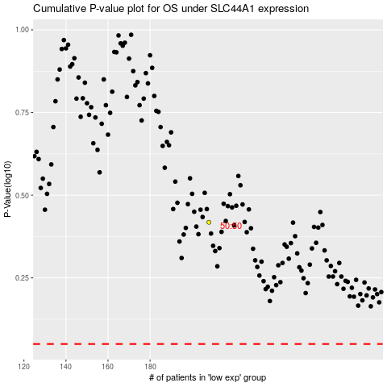

 |  |  |  |  |  | cases_OS | p_OS | rank | exp
 |  |  |  |  |  |  | cases_RFS | p_RFS | rank | exp

