SLC44A5 _multivariate
Reported by Tex Li-Hsing Chi. tex@gate.sinica.edu.tw 2019-08-15

Table 2. The clinicopathological features of HNSCC cohort and SLC44A5 expression. (Chi square test)
Cutoff at -0.151 (50.0%)
 |  | SLC44A5 expression |  | SLC44A5 expression |  | (Optimised)
 | Features | Low | (%) | High | (%) | Case no | P-value | Remark | Matthews
Gender | Female | 165 | 39.8 | 141 | 34 | 415 | 0.0081 | 1 | 0
2 | Male | 42 | 10.1 | 67 | 16.1
Age at diagnosis | <=65y | 138 | 33.3 | 136 | 32.8 | 415 | 0.8634 | 0 | 0
4 | >65y | 69 | 16.6 | 72 | 17.3
Clinical T Status | T1+T2 | 77 | 18.6 | 72 | 17.3 | 415 | 0.6556 | 0 | 0
6 | T3+T4 | 130 | 31.3 | 136 | 32.8
Clinical N Status | N0 | 98 | 23.6 | 118 | 28.4 | 415 | 0.0694 | 0 | 0
8 | N1-3 | 109 | 26.3 | 90 | 21.7
Clinical M Status | M0 | 206 | 49.6 | 206 | 49.6 | 415 | 1 | 0 | 0
10 | M1 | 1 | 0.2 | 2 | 0.5
Clinical Stage | Stage I+II | 48 | 11.6 | 54 | 13 | 415 | 0.5878 | 0 | 0
12 | Stage III+IV | 159 | 38.3 | 154 | 37.1
Surgical Margin status | Negative | 160 | 38.6 | 158 | 38.1 | 415 | 0.8167 | 0 | 0
14 | Positive | 47 | 11.3 | 50 | 12
Tobacco Exposure | Low | 71 | 17.1 | 90 | 21.7 | 415 | 0.0698 | 0 | 0
16 | High | 136 | 32.8 | 118 | 28.4

Table 3. Univariate/Multivariate Cox's proportional hazards regression analyses on OS time of SLC44A5 gene expression in HNSCC

 |  | Univariate |  |  |  | Multivariate
 | Features | HR | CI95%(L) | CI95%(H) | P-value | HR | CI95%(L) | CI95%(H) | P-value
1 | Female | 1 |  |  |  | 1
Gender | Male | 1.157 | 0.843 | 1.587 | 0.367 | 1.243 | 0.885 | 1.747 | 0.209
11 | <=65y | 1 |  |  |  | 1
Age at diagnosis | >65y | 1.329 | 0.99 | 1.784 | 0.058 | 1.372 | 1.008 | 1.867 | 0.044
12 | T1+T2 | 1 |  |  |  | 1
Clinical T Status | T3+T4 | 1.409 | 1.028 | 1.931 | 0.033 | 2.261 | 1.194 | 4.281 | 0.012
13 | N0 | 1 |  |  |  | 1
Clinical N Status | N1-3 | 1.185 | 0.89 | 1.577 | 0.246 | 1.206 | 0.842 | 1.727 | 0.307
14 | M0 | 1 |  |  |  | 1
Clinical M Status | M1 | 4.097 | 1.009 | 16.644 | 0.049 | 10.393 | 2.247 | 48.069 | 0.003
15 | Stage I+II | 1 |  |  |  | 1
Clinical Stage | Stage III+IV | 1.245 | 0.882 | 1.759 | 0.213 | 0.493 | 0.229 | 1.058 | 0.069
16 | Negative | 1 |  |  |  | 1
Surgical Margin status | Positive | 1.591 | 1.155 | 2.191 | 0.004 | 1.705 | 1.232 | 2.361 | 0.001
17 | Low | 1 |  |  |  | 1
Tobacco Exposure | High | 1.364 | 1.008 | 1.844 | 0.044 | 1.44 | 1.045 | 1.986 | 0.026
18 | Low | 1 |  |  |  | 1
RNAseq(z-score) | High | 0.884 | 0.664 | 1.178 | 0.402 | 0.835 | 0.619 | 1.125 | 0.236

Table 4. Univariate/Multivariate Cox's proportional hazards regression analyses on RFS time of SLC44A5 gene expression in HNSCC

 |  | Univariate |  |  |  | Multivariate
 | Features | HR | CI95%(L) | CI95%(H) | P-value | HR | CI95%(L) | CI95%(H) | P-value
1 | Female | 1 |  |  |  | 1
Gender | Male | 1.157 | 0.843 | 1.587 | 0.367 | 1.243 | 0.885 | 1.747 | 0.209
11 | <=65y | 1 |  |  |  | 1
Age at diagnosis | >65y | 1.329 | 0.99 | 1.784 | 0.058 | 1.372 | 1.008 | 1.867 | 0.044
12 | T1+T2 | 1 |  |  |  | 1
Clinical T Status | T3+T4 | 1.409 | 1.028 | 1.931 | 0.033 | 2.261 | 1.194 | 4.281 | 0.012
13 | N0 | 1 |  |  |  | 1
Clinical N Status | N1-3 | 1.185 | 0.89 | 1.577 | 0.246 | 1.206 | 0.842 | 1.727 | 0.307
14 | M0 | 1 |  |  |  | 1
Clinical M Status | M1 | 4.097 | 1.009 | 16.644 | 0.049 | 10.393 | 2.247 | 48.069 | 0.003
15 | Stage I+II | 1 |  |  |  | 1
Clinical Stage | Stage III+IV | 1.245 | 0.882 | 1.759 | 0.213 | 0.493 | 0.229 | 1.058 | 0.069
16 | Negative | 1 |  |  |  | 1
Surgical Margin status | Positive | 1.591 | 1.155 | 2.191 | 0.004 | 1.705 | 1.232 | 2.361 | 0.001
17 | Low | 1 |  |  |  | 1
Tobacco Exposure | High | 1.364 | 1.008 | 1.844 | 0.044 | 1.44 | 1.045 | 1.986 | 0.026
18 | Low | 1 |  |  |  | 1
RNAseq(z-score) | High | 0.884 | 0.664 | 1.178 | 0.402 | 0.835 | 0.619 | 1.125 | 0.236

Kaplan-Meier survival estimate: Cutoff at -0.151 (50.0%)



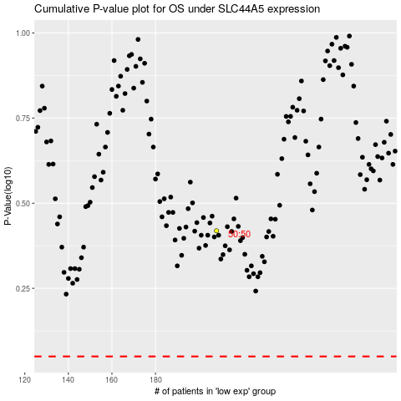

 |  |  |  |  |  | cases_OS | p_OS | rank | exp
 |  |  |  |  |  |  | cases_RFS | p_RFS | rank | exp

