SLC45A3 _multivariate
Reported by Tex Li-Hsing Chi. tex@gate.sinica.edu.tw 2019-08-15

Table 2. The clinicopathological features of HNSCC cohort and SLC45A3 expression. (Chi square test)
Cutoff at -0.167 (49.8%)
 |  | SLC45A3 expression |  | SLC45A3 expression |  | (Optimised)
 | Features | Low | (%) | High | (%) | Case no | P-value | Remark | Matthews
Gender | Female | 156 | 37.6 | 150 | 36.1 | 415 | 0.5222 | 0 | 0
2 | Male | 51 | 12.3 | 58 | 14
Age at diagnosis | <=65y | 143 | 34.5 | 131 | 31.6 | 415 | 0.2269 | 0 | 0
4 | >65y | 64 | 15.4 | 77 | 18.6
Clinical T Status | T1+T2 | 69 | 16.6 | 80 | 19.3 | 415 | 0.3239 | 0 | 0
6 | T3+T4 | 138 | 33.3 | 128 | 30.8
Clinical N Status | N0 | 105 | 25.3 | 111 | 26.7 | 415 | 0.6598 | 0 | 0
8 | N1-3 | 102 | 24.6 | 97 | 23.4
Clinical M Status | M0 | 205 | 49.4 | 207 | 49.9 | 415 | 0.6232 | 0 | 0
10 | M1 | 2 | 0.5 | 1 | 0.2
Clinical Stage | Stage I+II | 43 | 10.4 | 59 | 14.2 | 415 | 0.0925 | 0 | 0
12 | Stage III+IV | 164 | 39.5 | 149 | 35.9
Surgical Margin status | Negative | 148 | 35.7 | 170 | 41 | 415 | 0.015 | 1 | 0
14 | Positive | 59 | 14.2 | 38 | 9.2
Tobacco Exposure | Low | 84 | 20.2 | 77 | 18.6 | 415 | 0.4816 | 0 | 0
16 | High | 123 | 29.6 | 131 | 31.6

Table 3. Univariate/Multivariate Cox's proportional hazards regression analyses on OS time of SLC45A3 gene expression in HNSCC

 |  | Univariate |  |  |  | Multivariate
 | Features | HR | CI95%(L) | CI95%(H) | P-value | HR | CI95%(L) | CI95%(H) | P-value
1 | Female | 1 |  |  |  | 1
Gender | Male | 1.157 | 0.843 | 1.587 | 0.367 | 1.206 | 0.864 | 1.685 | 0.271
11 | <=65y | 1 |  |  |  | 1
Age at diagnosis | >65y | 1.329 | 0.99 | 1.784 | 0.058 | 1.377 | 1.012 | 1.872 | 0.042
12 | T1+T2 | 1 |  |  |  | 1
Clinical T Status | T3+T4 | 1.409 | 1.028 | 1.931 | 0.033 | 2.176 | 1.15 | 4.115 | 0.017
13 | N0 | 1 |  |  |  | 1
Clinical N Status | N1-3 | 1.185 | 0.89 | 1.577 | 0.246 | 1.23 | 0.862 | 1.755 | 0.255
14 | M0 | 1 |  |  |  | 1
Clinical M Status | M1 | 4.097 | 1.009 | 16.644 | 0.049 | 9.47 | 2.066 | 43.412 | 0.004
15 | Stage I+II | 1 |  |  |  | 1
Clinical Stage | Stage III+IV | 1.245 | 0.882 | 1.759 | 0.213 | 0.523 | 0.243 | 1.127 | 0.098
16 | Negative | 1 |  |  |  | 1
Surgical Margin status | Positive | 1.591 | 1.155 | 2.191 | 0.004 | 1.716 | 1.236 | 2.381 | 0.001
17 | Low | 1 |  |  |  | 1
Tobacco Exposure | High | 1.364 | 1.008 | 1.844 | 0.044 | 1.457 | 1.058 | 2.008 | 0.021
18 | Low | 1 |  |  |  | 1
RNAseq(z-score) | High | 1.083 | 0.813 | 1.442 | 0.585 | 1.155 | 0.861 | 1.548 | 0.337

Table 4. Univariate/Multivariate Cox's proportional hazards regression analyses on RFS time of SLC45A3 gene expression in HNSCC

 |  | Univariate |  |  |  | Multivariate
 | Features | HR | CI95%(L) | CI95%(H) | P-value | HR | CI95%(L) | CI95%(H) | P-value
1 | Female | 1 |  |  |  | 1
Gender | Male | 1.157 | 0.843 | 1.587 | 0.367 | 1.206 | 0.864 | 1.685 | 0.271
11 | <=65y | 1 |  |  |  | 1
Age at diagnosis | >65y | 1.329 | 0.99 | 1.784 | 0.058 | 1.377 | 1.012 | 1.872 | 0.042
12 | T1+T2 | 1 |  |  |  | 1
Clinical T Status | T3+T4 | 1.409 | 1.028 | 1.931 | 0.033 | 2.176 | 1.15 | 4.115 | 0.017
13 | N0 | 1 |  |  |  | 1
Clinical N Status | N1-3 | 1.185 | 0.89 | 1.577 | 0.246 | 1.23 | 0.862 | 1.755 | 0.255
14 | M0 | 1 |  |  |  | 1
Clinical M Status | M1 | 4.097 | 1.009 | 16.644 | 0.049 | 9.47 | 2.066 | 43.412 | 0.004
15 | Stage I+II | 1 |  |  |  | 1
Clinical Stage | Stage III+IV | 1.245 | 0.882 | 1.759 | 0.213 | 0.523 | 0.243 | 1.127 | 0.098
16 | Negative | 1 |  |  |  | 1
Surgical Margin status | Positive | 1.591 | 1.155 | 2.191 | 0.004 | 1.716 | 1.236 | 2.381 | 0.001
17 | Low | 1 |  |  |  | 1
Tobacco Exposure | High | 1.364 | 1.008 | 1.844 | 0.044 | 1.457 | 1.058 | 2.008 | 0.021
18 | Low | 1 |  |  |  | 1
RNAseq(z-score) | High | 1.083 | 0.813 | 1.442 | 0.585 | 1.155 | 0.861 | 1.548 | 0.337

Kaplan-Meier survival estimate: Cutoff at -0.167 (49.8%)



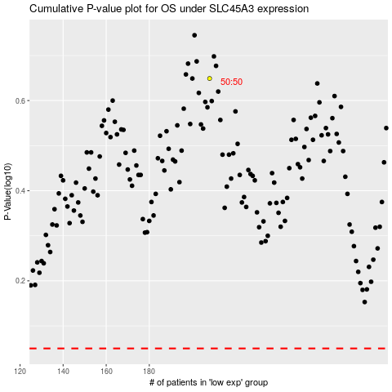

 |  |  |  |  |  | cases_OS | p_OS | rank | exp
 |  |  |  |  |  |  | cases_RFS | p_RFS | rank | exp

