SLC45A4 _multivariate
Reported by Tex Li-Hsing Chi. tex@gate.sinica.edu.tw 2019-08-15

Table 2. The clinicopathological features of HNSCC cohort and SLC45A4 expression. (Chi square test)
Cutoff at -0.254 (49.8%)
 |  | SLC45A4 expression |  | SLC45A4 expression |  | (Optimised)
 | Features | Low | (%) | High | (%) | Case no | P-value | Remark | Matthews
Gender | Female | 139 | 33.5 | 167 | 40.2 | 415 | 0.0034 | 1 | 0
2 | Male | 68 | 16.4 | 41 | 9.9
Age at diagnosis | <=65y | 133 | 32 | 141 | 34 | 415 | 0.5111 | 0 | 0
4 | >65y | 74 | 17.8 | 67 | 16.1
Clinical T Status | T1+T2 | 79 | 19 | 70 | 16.9 | 415 | 0.3924 | 0 | 0
6 | T3+T4 | 128 | 30.8 | 138 | 33.3
Clinical N Status | N0 | 114 | 27.5 | 102 | 24.6 | 415 | 0.2576 | 1 | 0
8 | N1-3 | 93 | 22.4 | 106 | 25.5
Clinical M Status | M0 | 206 | 49.6 | 206 | 49.6 | 415 | 1 | 0 | 0
10 | M1 | 1 | 0.2 | 2 | 0.5
Clinical Stage | Stage I+II | 62 | 14.9 | 40 | 9.6 | 415 | 0.0154 | 1 | 0
12 | Stage III+IV | 145 | 34.9 | 168 | 40.5
Surgical Margin status | Negative | 156 | 37.6 | 162 | 39 | 415 | 0.5636 | 0 | 0
14 | Positive | 51 | 12.3 | 46 | 11.1
Tobacco Exposure | Low | 103 | 24.8 | 58 | 14 | 415 | 0 | 1 | 0
16 | High | 104 | 25.1 | 150 | 36.1

Table 3. Univariate/Multivariate Cox's proportional hazards regression analyses on OS time of SLC45A4 gene expression in HNSCC

 |  | Univariate |  |  |  | Multivariate
 | Features | HR | CI95%(L) | CI95%(H) | P-value | HR | CI95%(L) | CI95%(H) | P-value
1 | Female | 1 |  |  |  | 1
Gender | Male | 1.157 | 0.843 | 1.587 | 0.367 | 1.167 | 0.834 | 1.634 | 0.368
11 | <=65y | 1 |  |  |  | 1
Age at diagnosis | >65y | 1.329 | 0.99 | 1.784 | 0.058 | 1.393 | 1.025 | 1.894 | 0.034
12 | T1+T2 | 1 |  |  |  | 1
Clinical T Status | T3+T4 | 1.409 | 1.028 | 1.931 | 0.033 | 2.142 | 1.131 | 4.058 | 0.019
13 | N0 | 1 |  |  |  | 1
Clinical N Status | N1-3 | 1.185 | 0.89 | 1.577 | 0.246 | 1.246 | 0.874 | 1.777 | 0.224
14 | M0 | 1 |  |  |  | 1
Clinical M Status | M1 | 4.097 | 1.009 | 16.644 | 0.049 | 9.237 | 2.014 | 42.361 | 0.004
15 | Stage I+II | 1 |  |  |  | 1
Clinical Stage | Stage III+IV | 1.245 | 0.882 | 1.759 | 0.213 | 0.539 | 0.25 | 1.165 | 0.116
16 | Negative | 1 |  |  |  | 1
Surgical Margin status | Positive | 1.591 | 1.155 | 2.191 | 0.004 | 1.658 | 1.199 | 2.291 | 0.002
17 | Low | 1 |  |  |  | 1
Tobacco Exposure | High | 1.364 | 1.008 | 1.844 | 0.044 | 1.517 | 1.094 | 2.103 | 0.012
18 | Low | 1 |  |  |  | 1
RNAseq(z-score) | High | 0.86 | 0.644 | 1.149 | 0.308 | 0.807 | 0.593 | 1.098 | 0.172

Table 4. Univariate/Multivariate Cox's proportional hazards regression analyses on RFS time of SLC45A4 gene expression in HNSCC

 |  | Univariate |  |  |  | Multivariate
 | Features | HR | CI95%(L) | CI95%(H) | P-value | HR | CI95%(L) | CI95%(H) | P-value
1 | Female | 1 |  |  |  | 1
Gender | Male | 1.157 | 0.843 | 1.587 | 0.367 | 1.167 | 0.834 | 1.634 | 0.368
11 | <=65y | 1 |  |  |  | 1
Age at diagnosis | >65y | 1.329 | 0.99 | 1.784 | 0.058 | 1.393 | 1.025 | 1.894 | 0.034
12 | T1+T2 | 1 |  |  |  | 1
Clinical T Status | T3+T4 | 1.409 | 1.028 | 1.931 | 0.033 | 2.142 | 1.131 | 4.058 | 0.019
13 | N0 | 1 |  |  |  | 1
Clinical N Status | N1-3 | 1.185 | 0.89 | 1.577 | 0.246 | 1.246 | 0.874 | 1.777 | 0.224
14 | M0 | 1 |  |  |  | 1
Clinical M Status | M1 | 4.097 | 1.009 | 16.644 | 0.049 | 9.237 | 2.014 | 42.361 | 0.004
15 | Stage I+II | 1 |  |  |  | 1
Clinical Stage | Stage III+IV | 1.245 | 0.882 | 1.759 | 0.213 | 0.539 | 0.25 | 1.165 | 0.116
16 | Negative | 1 |  |  |  | 1
Surgical Margin status | Positive | 1.591 | 1.155 | 2.191 | 0.004 | 1.658 | 1.199 | 2.291 | 0.002
17 | Low | 1 |  |  |  | 1
Tobacco Exposure | High | 1.364 | 1.008 | 1.844 | 0.044 | 1.517 | 1.094 | 2.103 | 0.012
18 | Low | 1 |  |  |  | 1
RNAseq(z-score) | High | 0.86 | 0.644 | 1.149 | 0.308 | 0.807 | 0.593 | 1.098 | 0.172

Kaplan-Meier survival estimate: Cutoff at -0.254 (49.8%)



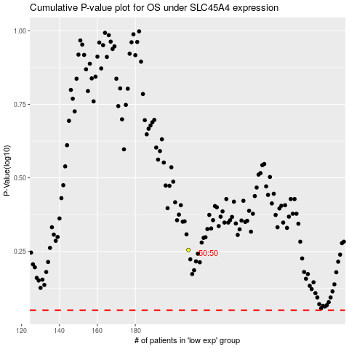

 |  |  |  |  |  | cases_OS | p_OS | rank | exp
 |  |  |  |  |  |  | cases_RFS | p_RFS | rank | exp

