SLC46A1 _multivariate
Reported by Tex Li-Hsing Chi. tex@gate.sinica.edu.tw 2019-08-15

Table 2. The clinicopathological features of HNSCC cohort and SLC46A1 expression. (Chi square test)
Cutoff at -0.27 (49.8%)
 |  | SLC46A1 expression |  | SLC46A1 expression |  | (Optimised)
 | Features | Low | (%) | High | (%) | Case no | P-value | Remark | Matthews
Gender | Female | 144 | 34.7 | 162 | 39 | 415 | 0.0697 | 0 | 0
2 | Male | 63 | 15.2 | 46 | 11.1
Age at diagnosis | <=65y | 140 | 33.7 | 134 | 32.3 | 415 | 0.5574 | 0 | 0
4 | >65y | 67 | 16.1 | 74 | 17.8
Clinical T Status | T1+T2 | 75 | 18.1 | 74 | 17.8 | 415 | 0.9707 | 0 | 0
6 | T3+T4 | 132 | 31.8 | 134 | 32.3
Clinical N Status | N0 | 102 | 24.6 | 114 | 27.5 | 415 | 0.3031 | 0 | 0
8 | N1-3 | 105 | 25.3 | 94 | 22.7
Clinical M Status | M0 | 207 | 49.9 | 205 | 49.4 | 415 | 0.2482 | 0 | 0
10 | M1 | 0 | 0 | 3 | 0.7
Clinical Stage | Stage I+II | 54 | 13 | 48 | 11.6 | 415 | 0.5498 | 0 | 0
12 | Stage III+IV | 153 | 36.9 | 160 | 38.6
Surgical Margin status | Negative | 161 | 38.8 | 157 | 37.8 | 415 | 0.6429 | 0 | 0
14 | Positive | 46 | 11.1 | 51 | 12.3
Tobacco Exposure | Low | 93 | 22.4 | 68 | 16.4 | 415 | 0.0118 | 1 | 0
16 | High | 114 | 27.5 | 140 | 33.7

Table 3. Univariate/Multivariate Cox's proportional hazards regression analyses on OS time of SLC46A1 gene expression in HNSCC

 |  | Univariate |  |  |  | Multivariate
 | Features | HR | CI95%(L) | CI95%(H) | P-value | HR | CI95%(L) | CI95%(H) | P-value
1 | Female | 1 |  |  |  | 1
Gender | Male | 1.157 | 0.843 | 1.587 | 0.367 | 1.226 | 0.876 | 1.716 | 0.235
11 | <=65y | 1 |  |  |  | 1
Age at diagnosis | >65y | 1.329 | 0.99 | 1.784 | 0.058 | 1.377 | 1.013 | 1.874 | 0.041
12 | T1+T2 | 1 |  |  |  | 1
Clinical T Status | T3+T4 | 1.409 | 1.028 | 1.931 | 0.033 | 2.253 | 1.191 | 4.264 | 0.013
13 | N0 | 1 |  |  |  | 1
Clinical N Status | N1-3 | 1.185 | 0.89 | 1.577 | 0.246 | 1.277 | 0.891 | 1.83 | 0.183
14 | M0 | 1 |  |  |  | 1
Clinical M Status | M1 | 4.097 | 1.009 | 16.644 | 0.049 | 8.82 | 1.916 | 40.609 | 0.005
15 | Stage I+II | 1 |  |  |  | 1
Clinical Stage | Stage III+IV | 1.245 | 0.882 | 1.759 | 0.213 | 0.484 | 0.225 | 1.043 | 0.064
16 | Negative | 1 |  |  |  | 1
Surgical Margin status | Positive | 1.591 | 1.155 | 2.191 | 0.004 | 1.662 | 1.203 | 2.297 | 0.002
17 | Low | 1 |  |  |  | 1
Tobacco Exposure | High | 1.364 | 1.008 | 1.844 | 0.044 | 1.432 | 1.039 | 1.975 | 0.028
18 | Low | 1 |  |  |  | 1
RNAseq(z-score) | High | 1.182 | 0.886 | 1.576 | 0.255 | 1.174 | 0.871 | 1.582 | 0.291

Table 4. Univariate/Multivariate Cox's proportional hazards regression analyses on RFS time of SLC46A1 gene expression in HNSCC

 |  | Univariate |  |  |  | Multivariate
 | Features | HR | CI95%(L) | CI95%(H) | P-value | HR | CI95%(L) | CI95%(H) | P-value
1 | Female | 1 |  |  |  | 1
Gender | Male | 1.157 | 0.843 | 1.587 | 0.367 | 1.226 | 0.876 | 1.716 | 0.235
11 | <=65y | 1 |  |  |  | 1
Age at diagnosis | >65y | 1.329 | 0.99 | 1.784 | 0.058 | 1.377 | 1.013 | 1.874 | 0.041
12 | T1+T2 | 1 |  |  |  | 1
Clinical T Status | T3+T4 | 1.409 | 1.028 | 1.931 | 0.033 | 2.253 | 1.191 | 4.264 | 0.013
13 | N0 | 1 |  |  |  | 1
Clinical N Status | N1-3 | 1.185 | 0.89 | 1.577 | 0.246 | 1.277 | 0.891 | 1.83 | 0.183
14 | M0 | 1 |  |  |  | 1
Clinical M Status | M1 | 4.097 | 1.009 | 16.644 | 0.049 | 8.82 | 1.916 | 40.609 | 0.005
15 | Stage I+II | 1 |  |  |  | 1
Clinical Stage | Stage III+IV | 1.245 | 0.882 | 1.759 | 0.213 | 0.484 | 0.225 | 1.043 | 0.064
16 | Negative | 1 |  |  |  | 1
Surgical Margin status | Positive | 1.591 | 1.155 | 2.191 | 0.004 | 1.662 | 1.203 | 2.297 | 0.002
17 | Low | 1 |  |  |  | 1
Tobacco Exposure | High | 1.364 | 1.008 | 1.844 | 0.044 | 1.432 | 1.039 | 1.975 | 0.028
18 | Low | 1 |  |  |  | 1
RNAseq(z-score) | High | 1.182 | 0.886 | 1.576 | 0.255 | 1.174 | 0.871 | 1.582 | 0.291

Kaplan-Meier survival estimate: Cutoff at -0.27 (49.8%)



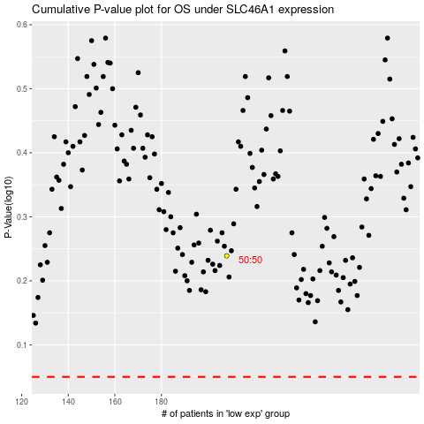

 |  |  |  |  |  | cases_OS | p_OS | rank | exp
 |  |  |  |  |  |  | cases_RFS | p_RFS | rank | exp

