SLC46A3 _multivariate
Reported by Tex Li-Hsing Chi. tex@gate.sinica.edu.tw 2019-08-15

Table 2. The clinicopathological features of HNSCC cohort and SLC46A3 expression. (Chi square test)
Cutoff at -0.327 (50.0%)
 |  | SLC46A3 expression |  | SLC46A3 expression |  | (Optimised)
 | Features | Low | (%) | High | (%) | Case no | P-value | Remark | Matthews
Gender | Female | 157 | 37.8 | 149 | 35.9 | 415 | 0.3881 | 0 | 0
2 | Male | 50 | 12 | 59 | 14.2
Age at diagnosis | <=65y | 131 | 31.6 | 143 | 34.5 | 415 | 0.2839 | 0 | 0
4 | >65y | 76 | 18.3 | 65 | 15.7
Clinical T Status | T1+T2 | 78 | 18.8 | 71 | 17.1 | 415 | 0.5152 | 0 | 0
6 | T3+T4 | 129 | 31.1 | 137 | 33
Clinical N Status | N0 | 114 | 27.5 | 102 | 24.6 | 415 | 0.2576 | 1 | 0
8 | N1-3 | 93 | 22.4 | 106 | 25.5
Clinical M Status | M0 | 204 | 49.2 | 208 | 50.1 | 415 | 0.1232 | 0 | 0
10 | M1 | 3 | 0.7 | 0 | 0
Clinical Stage | Stage I+II | 50 | 12 | 52 | 12.5 | 415 | 0.9315 | 0 | 0
12 | Stage III+IV | 157 | 37.8 | 156 | 37.6
Surgical Margin status | Negative | 154 | 37.1 | 164 | 39.5 | 415 | 0.2984 | 0 | 0
14 | Positive | 53 | 12.8 | 44 | 10.6
Tobacco Exposure | Low | 93 | 22.4 | 68 | 16.4 | 415 | 0.0118 | 1 | 0
16 | High | 114 | 27.5 | 140 | 33.7

Table 3. Univariate/Multivariate Cox's proportional hazards regression analyses on OS time of SLC46A3 gene expression in HNSCC

 |  | Univariate |  |  |  | Multivariate
 | Features | HR | CI95%(L) | CI95%(H) | P-value | HR | CI95%(L) | CI95%(H) | P-value
1 | Female | 1 |  |  |  | 1
Gender | Male | 1.157 | 0.843 | 1.587 | 0.367 | 1.201 | 0.86 | 1.679 | 0.283
11 | <=65y | 1 |  |  |  | 1
Age at diagnosis | >65y | 1.329 | 0.99 | 1.784 | 0.058 | 1.392 | 1.024 | 1.892 | 0.035
12 | T1+T2 | 1 |  |  |  | 1
Clinical T Status | T3+T4 | 1.409 | 1.028 | 1.931 | 0.033 | 2.202 | 1.164 | 4.163 | 0.015
13 | N0 | 1 |  |  |  | 1
Clinical N Status | N1-3 | 1.185 | 0.89 | 1.577 | 0.246 | 1.24 | 0.868 | 1.771 | 0.237
14 | M0 | 1 |  |  |  | 1
Clinical M Status | M1 | 4.097 | 1.009 | 16.644 | 0.049 | 9.436 | 2.045 | 43.536 | 0.004
15 | Stage I+II | 1 |  |  |  | 1
Clinical Stage | Stage III+IV | 1.245 | 0.882 | 1.759 | 0.213 | 0.505 | 0.235 | 1.086 | 0.08
16 | Negative | 1 |  |  |  | 1
Surgical Margin status | Positive | 1.591 | 1.155 | 2.191 | 0.004 | 1.672 | 1.21 | 2.31 | 0.002
17 | Low | 1 |  |  |  | 1
Tobacco Exposure | High | 1.364 | 1.008 | 1.844 | 0.044 | 1.452 | 1.053 | 2.002 | 0.023
18 | Low | 1 |  |  |  | 1
RNAseq(z-score) | High | 1.005 | 0.754 | 1.338 | 0.975 | 1.007 | 0.752 | 1.347 | 0.965

Table 4. Univariate/Multivariate Cox's proportional hazards regression analyses on RFS time of SLC46A3 gene expression in HNSCC

 |  | Univariate |  |  |  | Multivariate
 | Features | HR | CI95%(L) | CI95%(H) | P-value | HR | CI95%(L) | CI95%(H) | P-value
1 | Female | 1 |  |  |  | 1
Gender | Male | 1.157 | 0.843 | 1.587 | 0.367 | 1.201 | 0.86 | 1.679 | 0.283
11 | <=65y | 1 |  |  |  | 1
Age at diagnosis | >65y | 1.329 | 0.99 | 1.784 | 0.058 | 1.392 | 1.024 | 1.892 | 0.035
12 | T1+T2 | 1 |  |  |  | 1
Clinical T Status | T3+T4 | 1.409 | 1.028 | 1.931 | 0.033 | 2.202 | 1.164 | 4.163 | 0.015
13 | N0 | 1 |  |  |  | 1
Clinical N Status | N1-3 | 1.185 | 0.89 | 1.577 | 0.246 | 1.24 | 0.868 | 1.771 | 0.237
14 | M0 | 1 |  |  |  | 1
Clinical M Status | M1 | 4.097 | 1.009 | 16.644 | 0.049 | 9.436 | 2.045 | 43.536 | 0.004
15 | Stage I+II | 1 |  |  |  | 1
Clinical Stage | Stage III+IV | 1.245 | 0.882 | 1.759 | 0.213 | 0.505 | 0.235 | 1.086 | 0.08
16 | Negative | 1 |  |  |  | 1
Surgical Margin status | Positive | 1.591 | 1.155 | 2.191 | 0.004 | 1.672 | 1.21 | 2.31 | 0.002
17 | Low | 1 |  |  |  | 1
Tobacco Exposure | High | 1.364 | 1.008 | 1.844 | 0.044 | 1.452 | 1.053 | 2.002 | 0.023
18 | Low | 1 |  |  |  | 1
RNAseq(z-score) | High | 1.005 | 0.754 | 1.338 | 0.975 | 1.007 | 0.752 | 1.347 | 0.965

Kaplan-Meier survival estimate: Cutoff at -0.327 (50.0%)



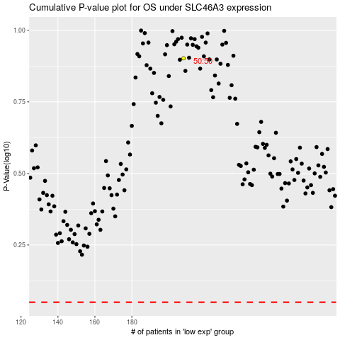

 |  |  |  |  |  | cases_OS | p_OS | rank | exp
 |  |  |  |  |  |  | cases_RFS | p_RFS | rank | exp

