SLC47A1 _multivariate
Reported by Tex Li-Hsing Chi. tex@gate.sinica.edu.tw 2019-08-15

Table 2. The clinicopathological features of HNSCC cohort and SLC47A1 expression. (Chi square test)
Cutoff at -0.368 (49.8%)
 |  | SLC47A1 expression |  | SLC47A1 expression |  | (Optimised)
 | Features | Low | (%) | High | (%) | Case no | P-value | Remark | Matthews
Gender | Female | 151 | 36.4 | 155 | 37.3 | 415 | 0.8007 | 0 | 0
2 | Male | 56 | 13.5 | 53 | 12.8
Age at diagnosis | <=65y | 143 | 34.5 | 131 | 31.6 | 415 | 0.2269 | 0 | 0
4 | >65y | 64 | 15.4 | 77 | 18.6
Clinical T Status | T1+T2 | 64 | 15.4 | 85 | 20.5 | 415 | 0.0445 | 1 | 0
6 | T3+T4 | 143 | 34.5 | 123 | 29.6
Clinical N Status | N0 | 102 | 24.6 | 114 | 27.5 | 415 | 0.3031 | 0 | 0
8 | N1-3 | 105 | 25.3 | 94 | 22.7
Clinical M Status | M0 | 207 | 49.9 | 205 | 49.4 | 415 | 0.2482 | 0 | 0
10 | M1 | 0 | 0 | 3 | 0.7
Clinical Stage | Stage I+II | 46 | 11.1 | 56 | 13.5 | 415 | 0.3182 | 0 | 0
12 | Stage III+IV | 161 | 38.8 | 152 | 36.6
Surgical Margin status | Negative | 153 | 36.9 | 165 | 39.8 | 415 | 0.2036 | 0 | 0
14 | Positive | 54 | 13 | 43 | 10.4
Tobacco Exposure | Low | 84 | 20.2 | 77 | 18.6 | 415 | 0.4816 | 0 | 0
16 | High | 123 | 29.6 | 131 | 31.6

Table 3. Univariate/Multivariate Cox's proportional hazards regression analyses on OS time of SLC47A1 gene expression in HNSCC

 |  | Univariate |  |  |  | Multivariate
 | Features | HR | CI95%(L) | CI95%(H) | P-value | HR | CI95%(L) | CI95%(H) | P-value
1 | Female | 1 |  |  |  | 1
Gender | Male | 1.157 | 0.843 | 1.587 | 0.367 | 1.186 | 0.848 | 1.66 | 0.319
11 | <=65y | 1 |  |  |  | 1
Age at diagnosis | >65y | 1.329 | 0.99 | 1.784 | 0.058 | 1.425 | 1.042 | 1.949 | 0.027
12 | T1+T2 | 1 |  |  |  | 1
Clinical T Status | T3+T4 | 1.409 | 1.028 | 1.931 | 0.033 | 2.19 | 1.158 | 4.142 | 0.016
13 | N0 | 1 |  |  |  | 1
Clinical N Status | N1-3 | 1.185 | 0.89 | 1.577 | 0.246 | 1.247 | 0.874 | 1.779 | 0.224
14 | M0 | 1 |  |  |  | 1
Clinical M Status | M1 | 4.097 | 1.009 | 16.644 | 0.049 | 9.918 | 2.149 | 45.768 | 0.003
15 | Stage I+II | 1 |  |  |  | 1
Clinical Stage | Stage III+IV | 1.245 | 0.882 | 1.759 | 0.213 | 0.506 | 0.236 | 1.087 | 0.081
16 | Negative | 1 |  |  |  | 1
Surgical Margin status | Positive | 1.591 | 1.155 | 2.191 | 0.004 | 1.657 | 1.198 | 2.291 | 0.002
17 | Low | 1 |  |  |  | 1
Tobacco Exposure | High | 1.364 | 1.008 | 1.844 | 0.044 | 1.463 | 1.061 | 2.017 | 0.02
18 | Low | 1 |  |  |  | 1
RNAseq(z-score) | High | 0.93 | 0.696 | 1.243 | 0.624 | 0.89 | 0.66 | 1.201 | 0.448

Table 4. Univariate/Multivariate Cox's proportional hazards regression analyses on RFS time of SLC47A1 gene expression in HNSCC

 |  | Univariate |  |  |  | Multivariate
 | Features | HR | CI95%(L) | CI95%(H) | P-value | HR | CI95%(L) | CI95%(H) | P-value
1 | Female | 1 |  |  |  | 1
Gender | Male | 1.157 | 0.843 | 1.587 | 0.367 | 1.186 | 0.848 | 1.66 | 0.319
11 | <=65y | 1 |  |  |  | 1
Age at diagnosis | >65y | 1.329 | 0.99 | 1.784 | 0.058 | 1.425 | 1.042 | 1.949 | 0.027
12 | T1+T2 | 1 |  |  |  | 1
Clinical T Status | T3+T4 | 1.409 | 1.028 | 1.931 | 0.033 | 2.19 | 1.158 | 4.142 | 0.016
13 | N0 | 1 |  |  |  | 1
Clinical N Status | N1-3 | 1.185 | 0.89 | 1.577 | 0.246 | 1.247 | 0.874 | 1.779 | 0.224
14 | M0 | 1 |  |  |  | 1
Clinical M Status | M1 | 4.097 | 1.009 | 16.644 | 0.049 | 9.918 | 2.149 | 45.768 | 0.003
15 | Stage I+II | 1 |  |  |  | 1
Clinical Stage | Stage III+IV | 1.245 | 0.882 | 1.759 | 0.213 | 0.506 | 0.236 | 1.087 | 0.081
16 | Negative | 1 |  |  |  | 1
Surgical Margin status | Positive | 1.591 | 1.155 | 2.191 | 0.004 | 1.657 | 1.198 | 2.291 | 0.002
17 | Low | 1 |  |  |  | 1
Tobacco Exposure | High | 1.364 | 1.008 | 1.844 | 0.044 | 1.463 | 1.061 | 2.017 | 0.02
18 | Low | 1 |  |  |  | 1
RNAseq(z-score) | High | 0.93 | 0.696 | 1.243 | 0.624 | 0.89 | 0.66 | 1.201 | 0.448

Kaplan-Meier survival estimate: Cutoff at -0.368 (49.8%)



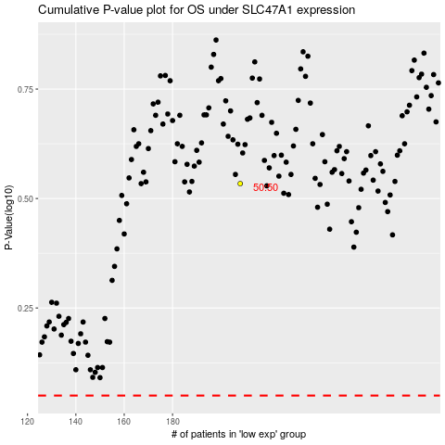

 |  |  |  |  |  | cases_OS | p_OS | rank | exp
 |  |  |  |  |  |  | cases_RFS | p_RFS | rank | exp

