SLC47A2 _multivariate
Reported by Tex Li-Hsing Chi. tex@gate.sinica.edu.tw 2019-08-15

Table 2. The clinicopathological features of HNSCC cohort and SLC47A2 expression. (Chi square test)
Cutoff at -0.304 (50.0%)
 |  | SLC47A2 expression |  | SLC47A2 expression |  | (Optimised)
 | Features | Low | (%) | High | (%) | Case no | P-value | Remark | Matthews
Gender | Female | 160 | 38.6 | 146 | 35.2 | 415 | 0.1254 | 0 | 0
2 | Male | 47 | 11.3 | 62 | 14.9
Age at diagnosis | <=65y | 142 | 34.2 | 132 | 31.8 | 415 | 0.3167 | 0 | 0
4 | >65y | 65 | 15.7 | 76 | 18.3
Clinical T Status | T1+T2 | 76 | 18.3 | 73 | 17.6 | 415 | 0.8092 | 0 | 0
6 | T3+T4 | 131 | 31.6 | 135 | 32.5
Clinical N Status | N0 | 93 | 22.4 | 123 | 29.6 | 415 | 0.0051 | 1 | 0
8 | N1-3 | 114 | 27.5 | 85 | 20.5
Clinical M Status | M0 | 206 | 49.6 | 206 | 49.6 | 415 | 1 | 0 | 0
10 | M1 | 1 | 0.2 | 2 | 0.5
Clinical Stage | Stage I+II | 46 | 11.1 | 56 | 13.5 | 415 | 0.3182 | 0 | 0
12 | Stage III+IV | 161 | 38.8 | 152 | 36.6
Surgical Margin status | Negative | 159 | 38.3 | 159 | 38.3 | 415 | 1 | 0 | 0
14 | Positive | 48 | 11.6 | 49 | 11.8
Tobacco Exposure | Low | 79 | 19 | 82 | 19.8 | 415 | 0.8405 | 0 | 0
16 | High | 128 | 30.8 | 126 | 30.4

Table 3. Univariate/Multivariate Cox's proportional hazards regression analyses on OS time of SLC47A2 gene expression in HNSCC

 |  | Univariate |  |  |  | Multivariate
 | Features | HR | CI95%(L) | CI95%(H) | P-value | HR | CI95%(L) | CI95%(H) | P-value
1 | Female | 1 |  |  |  | 1
Gender | Male | 1.157 | 0.843 | 1.587 | 0.367 | 1.251 | 0.895 | 1.749 | 0.189
11 | <=65y | 1 |  |  |  | 1
Age at diagnosis | >65y | 1.329 | 0.99 | 1.784 | 0.058 | 1.443 | 1.059 | 1.964 | 0.02
12 | T1+T2 | 1 |  |  |  | 1
Clinical T Status | T3+T4 | 1.409 | 1.028 | 1.931 | 0.033 | 2.308 | 1.219 | 4.371 | 0.01
13 | N0 | 1 |  |  |  | 1
Clinical N Status | N1-3 | 1.185 | 0.89 | 1.577 | 0.246 | 1.174 | 0.819 | 1.683 | 0.381
14 | M0 | 1 |  |  |  | 1
Clinical M Status | M1 | 4.097 | 1.009 | 16.644 | 0.049 | 11.291 | 2.44 | 52.259 | 0.002
15 | Stage I+II | 1 |  |  |  | 1
Clinical Stage | Stage III+IV | 1.245 | 0.882 | 1.759 | 0.213 | 0.487 | 0.227 | 1.045 | 0.065
16 | Negative | 1 |  |  |  | 1
Surgical Margin status | Positive | 1.591 | 1.155 | 2.191 | 0.004 | 1.696 | 1.227 | 2.344 | 0.001
17 | Low | 1 |  |  |  | 1
Tobacco Exposure | High | 1.364 | 1.008 | 1.844 | 0.044 | 1.496 | 1.085 | 2.063 | 0.014
18 | Low | 1 |  |  |  | 1
RNAseq(z-score) | High | 0.817 | 0.613 | 1.09 | 0.169 | 0.717 | 0.532 | 0.966 | 0.029

Table 4. Univariate/Multivariate Cox's proportional hazards regression analyses on RFS time of SLC47A2 gene expression in HNSCC

 |  | Univariate |  |  |  | Multivariate
 | Features | HR | CI95%(L) | CI95%(H) | P-value | HR | CI95%(L) | CI95%(H) | P-value
1 | Female | 1 |  |  |  | 1
Gender | Male | 1.157 | 0.843 | 1.587 | 0.367 | 1.251 | 0.895 | 1.749 | 0.189
11 | <=65y | 1 |  |  |  | 1
Age at diagnosis | >65y | 1.329 | 0.99 | 1.784 | 0.058 | 1.443 | 1.059 | 1.964 | 0.02
12 | T1+T2 | 1 |  |  |  | 1
Clinical T Status | T3+T4 | 1.409 | 1.028 | 1.931 | 0.033 | 2.308 | 1.219 | 4.371 | 0.01
13 | N0 | 1 |  |  |  | 1
Clinical N Status | N1-3 | 1.185 | 0.89 | 1.577 | 0.246 | 1.174 | 0.819 | 1.683 | 0.381
14 | M0 | 1 |  |  |  | 1
Clinical M Status | M1 | 4.097 | 1.009 | 16.644 | 0.049 | 11.291 | 2.44 | 52.259 | 0.002
15 | Stage I+II | 1 |  |  |  | 1
Clinical Stage | Stage III+IV | 1.245 | 0.882 | 1.759 | 0.213 | 0.487 | 0.227 | 1.045 | 0.065
16 | Negative | 1 |  |  |  | 1
Surgical Margin status | Positive | 1.591 | 1.155 | 2.191 | 0.004 | 1.696 | 1.227 | 2.344 | 0.001
17 | Low | 1 |  |  |  | 1
Tobacco Exposure | High | 1.364 | 1.008 | 1.844 | 0.044 | 1.496 | 1.085 | 2.063 | 0.014
18 | Low | 1 |  |  |  | 1
RNAseq(z-score) | High | 0.817 | 0.613 | 1.09 | 0.169 | 0.717 | 0.532 | 0.966 | 0.029

Kaplan-Meier survival estimate: Cutoff at -0.304 (50.0%)



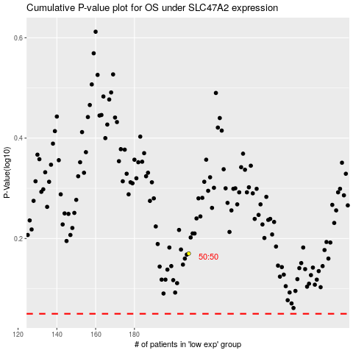

 |  |  |  |  |  | cases_OS | p_OS | rank | exp
 |  |  |  |  |  |  | cases_RFS | p_RFS | rank | exp

