SLC48A1 _multivariate
Reported by Tex Li-Hsing Chi. tex@gate.sinica.edu.tw 2019-08-15

Table 2. The clinicopathological features of HNSCC cohort and SLC48A1 expression. (Chi square test)
Cutoff at -0.301 (49.8%)
 |  | SLC48A1 expression |  | SLC48A1 expression |  | (Optimised)
 | Features | Low | (%) | High | (%) | Case no | P-value | Remark | Matthews
Gender | Female | 141 | 34 | 165 | 39.8 | 415 | 0.013 | 1 | 0
2 | Male | 66 | 15.9 | 43 | 10.4
Age at diagnosis | <=65y | 135 | 32.5 | 139 | 33.5 | 415 | 0.8084 | 0 | 0
4 | >65y | 72 | 17.3 | 69 | 16.6
Clinical T Status | T1+T2 | 74 | 17.8 | 75 | 18.1 | 415 | 1 | 0 | 0
6 | T3+T4 | 133 | 32 | 133 | 32
Clinical N Status | N0 | 93 | 22.4 | 123 | 29.6 | 415 | 0.0051 | 1 | 0
8 | N1-3 | 114 | 27.5 | 85 | 20.5
Clinical M Status | M0 | 207 | 49.9 | 205 | 49.4 | 415 | 0.2482 | 0 | 0
10 | M1 | 0 | 0 | 3 | 0.7
Clinical Stage | Stage I+II | 43 | 10.4 | 59 | 14.2 | 415 | 0.0925 | 0 | 0
12 | Stage III+IV | 164 | 39.5 | 149 | 35.9
Surgical Margin status | Negative | 152 | 36.6 | 166 | 40 | 415 | 0.1329 | 0 | 0
14 | Positive | 55 | 13.3 | 42 | 10.1
Tobacco Exposure | Low | 92 | 22.2 | 69 | 16.6 | 415 | 0.0206 | 1 | 0
16 | High | 115 | 27.7 | 139 | 33.5

Table 3. Univariate/Multivariate Cox's proportional hazards regression analyses on OS time of SLC48A1 gene expression in HNSCC

 |  | Univariate |  |  |  | Multivariate
 | Features | HR | CI95%(L) | CI95%(H) | P-value | HR | CI95%(L) | CI95%(H) | P-value
1 | Female | 1 |  |  |  | 1
Gender | Male | 1.157 | 0.843 | 1.587 | 0.367 | 1.164 | 0.83 | 1.633 | 0.379
11 | <=65y | 1 |  |  |  | 1
Age at diagnosis | >65y | 1.329 | 0.99 | 1.784 | 0.058 | 1.394 | 1.025 | 1.897 | 0.034
12 | T1+T2 | 1 |  |  |  | 1
Clinical T Status | T3+T4 | 1.409 | 1.028 | 1.931 | 0.033 | 2.28 | 1.202 | 4.325 | 0.012
13 | N0 | 1 |  |  |  | 1
Clinical N Status | N1-3 | 1.185 | 0.89 | 1.577 | 0.246 | 1.231 | 0.862 | 1.757 | 0.253
14 | M0 | 1 |  |  |  | 1
Clinical M Status | M1 | 4.097 | 1.009 | 16.644 | 0.049 | 10.588 | 2.276 | 49.254 | 0.003
15 | Stage I+II | 1 |  |  |  | 1
Clinical Stage | Stage III+IV | 1.245 | 0.882 | 1.759 | 0.213 | 0.485 | 0.225 | 1.045 | 0.065
16 | Negative | 1 |  |  |  | 1
Surgical Margin status | Positive | 1.591 | 1.155 | 2.191 | 0.004 | 1.664 | 1.204 | 2.3 | 0.002
17 | Low | 1 |  |  |  | 1
Tobacco Exposure | High | 1.364 | 1.008 | 1.844 | 0.044 | 1.49 | 1.077 | 2.06 | 0.016
18 | Low | 1 |  |  |  | 1
RNAseq(z-score) | High | 0.902 | 0.677 | 1.201 | 0.479 | 0.842 | 0.624 | 1.136 | 0.261

Table 4. Univariate/Multivariate Cox's proportional hazards regression analyses on RFS time of SLC48A1 gene expression in HNSCC

 |  | Univariate |  |  |  | Multivariate
 | Features | HR | CI95%(L) | CI95%(H) | P-value | HR | CI95%(L) | CI95%(H) | P-value
1 | Female | 1 |  |  |  | 1
Gender | Male | 1.157 | 0.843 | 1.587 | 0.367 | 1.164 | 0.83 | 1.633 | 0.379
11 | <=65y | 1 |  |  |  | 1
Age at diagnosis | >65y | 1.329 | 0.99 | 1.784 | 0.058 | 1.394 | 1.025 | 1.897 | 0.034
12 | T1+T2 | 1 |  |  |  | 1
Clinical T Status | T3+T4 | 1.409 | 1.028 | 1.931 | 0.033 | 2.28 | 1.202 | 4.325 | 0.012
13 | N0 | 1 |  |  |  | 1
Clinical N Status | N1-3 | 1.185 | 0.89 | 1.577 | 0.246 | 1.231 | 0.862 | 1.757 | 0.253
14 | M0 | 1 |  |  |  | 1
Clinical M Status | M1 | 4.097 | 1.009 | 16.644 | 0.049 | 10.588 | 2.276 | 49.254 | 0.003
15 | Stage I+II | 1 |  |  |  | 1
Clinical Stage | Stage III+IV | 1.245 | 0.882 | 1.759 | 0.213 | 0.485 | 0.225 | 1.045 | 0.065
16 | Negative | 1 |  |  |  | 1
Surgical Margin status | Positive | 1.591 | 1.155 | 2.191 | 0.004 | 1.664 | 1.204 | 2.3 | 0.002
17 | Low | 1 |  |  |  | 1
Tobacco Exposure | High | 1.364 | 1.008 | 1.844 | 0.044 | 1.49 | 1.077 | 2.06 | 0.016
18 | Low | 1 |  |  |  | 1
RNAseq(z-score) | High | 0.902 | 0.677 | 1.201 | 0.479 | 0.842 | 0.624 | 1.136 | 0.261

Kaplan-Meier survival estimate: Cutoff at -0.301 (49.8%)



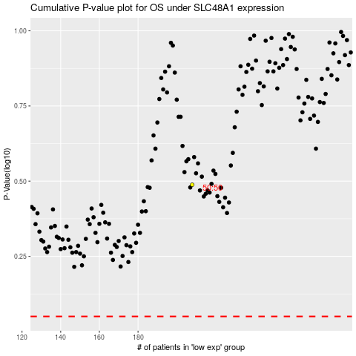

 |  |  |  |  |  | cases_OS | p_OS | rank | exp
 |  |  |  |  |  |  | cases_RFS | p_RFS | rank | exp

