SLC4A11 _multivariate
Reported by Tex Li-Hsing Chi. tex@gate.sinica.edu.tw 2019-08-15

Table 2. The clinicopathological features of HNSCC cohort and SLC4A11 expression. (Chi square test)
Cutoff at -0.095 (69.3%)
 |  | SLC4A11 expression |  | SLC4A11 expression |  | (Optimised)
 | Features | Low | (%) | High | (%) | Case no | P-value | Remark | Matthews
Gender | Female | 206 | 49.6 | 100 | 24.1 | 415 | 0.1563 | 0 | 0
2 | Male | 82 | 19.8 | 27 | 6.5
Age at diagnosis | <=65y | 191 | 46 | 83 | 20 | 415 | 0.9372 | 0 | 0
4 | >65y | 97 | 23.4 | 44 | 10.6
Clinical T Status | T1+T2 | 106 | 25.5 | 43 | 10.4 | 415 | 0.6414 | 0 | 0
6 | T3+T4 | 182 | 43.9 | 84 | 20.2
Clinical N Status | N0 | 147 | 35.4 | 69 | 16.6 | 415 | 0.609 | 0 | 0
8 | N1-3 | 141 | 34 | 58 | 14
Clinical M Status | M0 | 285 | 68.7 | 127 | 30.6 | 415 | 0.5562 | 0 | 0
10 | M1 | 3 | 0.7 | 0 | 0
Clinical Stage | Stage I+II | 76 | 18.3 | 26 | 6.3 | 415 | 0.2435 | 0 | 0
12 | Stage III+IV | 212 | 51.1 | 101 | 24.3
Surgical Margin status | Negative | 219 | 52.8 | 99 | 23.9 | 415 | 0.7074 | 0 | 0
14 | Positive | 69 | 16.6 | 28 | 6.7
Tobacco Exposure | Low | 123 | 29.6 | 38 | 9.2 | 415 | 0.0161 | 1 | 0
16 | High | 165 | 39.8 | 89 | 21.4

Table 3. Univariate/Multivariate Cox's proportional hazards regression analyses on OS time of SLC4A11 gene expression in HNSCC

 |  | Univariate |  |  |  | Multivariate
 | Features | HR | CI95%(L) | CI95%(H) | P-value | HR | CI95%(L) | CI95%(H) | P-value
1 | Female | 1 |  |  |  | 1
Gender | Male | 1.157 | 0.843 | 1.587 | 0.367 | 1.178 | 0.844 | 1.645 | 0.336
11 | <=65y | 1 |  |  |  | 1
Age at diagnosis | >65y | 1.329 | 0.99 | 1.784 | 0.058 | 1.402 | 1.029 | 1.909 | 0.032
12 | T1+T2 | 1 |  |  |  | 1
Clinical T Status | T3+T4 | 1.409 | 1.028 | 1.931 | 0.033 | 2.087 | 1.103 | 3.95 | 0.024
13 | N0 | 1 |  |  |  | 1
Clinical N Status | N1-3 | 1.185 | 0.89 | 1.577 | 0.246 | 1.203 | 0.843 | 1.716 | 0.308
14 | M0 | 1 |  |  |  | 1
Clinical M Status | M1 | 4.097 | 1.009 | 16.644 | 0.049 | 7.997 | 1.737 | 36.828 | 0.008
15 | Stage I+II | 1 |  |  |  | 1
Clinical Stage | Stage III+IV | 1.245 | 0.882 | 1.759 | 0.213 | 0.578 | 0.267 | 1.251 | 0.164
16 | Negative | 1 |  |  |  | 1
Surgical Margin status | Positive | 1.591 | 1.155 | 2.191 | 0.004 | 1.627 | 1.178 | 2.248 | 0.003
17 | Low | 1 |  |  |  | 1
Tobacco Exposure | High | 1.364 | 1.008 | 1.844 | 0.044 | 1.549 | 1.119 | 2.145 | 0.008
18 | Low | 1 |  |  |  | 1
RNAseq(z-score) | High | 0.694 | 0.499 | 0.966 | 0.03 | 0.671 | 0.476 | 0.946 | 0.023

Table 4. Univariate/Multivariate Cox's proportional hazards regression analyses on RFS time of SLC4A11 gene expression in HNSCC

 |  | Univariate |  |  |  | Multivariate
 | Features | HR | CI95%(L) | CI95%(H) | P-value | HR | CI95%(L) | CI95%(H) | P-value
1 | Female | 1 |  |  |  | 1
Gender | Male | 1.157 | 0.843 | 1.587 | 0.367 | 1.178 | 0.844 | 1.645 | 0.336
11 | <=65y | 1 |  |  |  | 1
Age at diagnosis | >65y | 1.329 | 0.99 | 1.784 | 0.058 | 1.402 | 1.029 | 1.909 | 0.032
12 | T1+T2 | 1 |  |  |  | 1
Clinical T Status | T3+T4 | 1.409 | 1.028 | 1.931 | 0.033 | 2.087 | 1.103 | 3.95 | 0.024
13 | N0 | 1 |  |  |  | 1
Clinical N Status | N1-3 | 1.185 | 0.89 | 1.577 | 0.246 | 1.203 | 0.843 | 1.716 | 0.308
14 | M0 | 1 |  |  |  | 1
Clinical M Status | M1 | 4.097 | 1.009 | 16.644 | 0.049 | 7.997 | 1.737 | 36.828 | 0.008
15 | Stage I+II | 1 |  |  |  | 1
Clinical Stage | Stage III+IV | 1.245 | 0.882 | 1.759 | 0.213 | 0.578 | 0.267 | 1.251 | 0.164
16 | Negative | 1 |  |  |  | 1
Surgical Margin status | Positive | 1.591 | 1.155 | 2.191 | 0.004 | 1.627 | 1.178 | 2.248 | 0.003
17 | Low | 1 |  |  |  | 1
Tobacco Exposure | High | 1.364 | 1.008 | 1.844 | 0.044 | 1.549 | 1.119 | 2.145 | 0.008
18 | Low | 1 |  |  |  | 1
RNAseq(z-score) | High | 0.694 | 0.499 | 0.966 | 0.03 | 0.671 | 0.476 | 0.946 | 0.023

Kaplan-Meier survival estimate: Cutoff at -0.095 (69.3%)

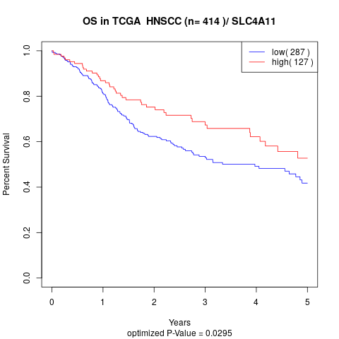

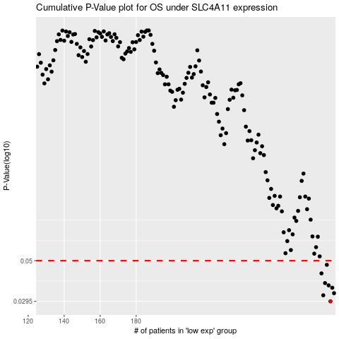

 |  |  |  |  |  | cases_OS | p_OS | rank | exp
 |  |  |  |  |  | 288 | 0.0295 | 136 | -0.094814722751
 |  |  |  |  |  | 284 | 0.0319 | 303 | -0.12080491986
 |  |  |  |  |  | 290 | 0.0328 | 23 | -0.075417696706
 |  |  |  |  |  | 289 | 0.0352 | 212 | -0.089289056331
 |  |  |  |  |  | 287 | 0.0363 | 323 | -0.096265693598
 |  |  |  |  |  | 285 | 0.0374 | 44 | -0.10768466446
 |  |  |  |  |  | 283 | 0.0424 | 125 | -0.1219900752
 |  |  |  |  |  | 286 | 0.0474 | 263 | -0.10474976099
 |  |  |  |  |  |  | cases_RFS | p_RFS | rank | exp
 |  |  |  |  |  |  | 287 | 0.0295 | 323 | -0.096265693598
 |  |  |  |  |  |  | 283 | 0.0319 | 125 | -0.1219900752
 |  |  |  |  |  |  | 289 | 0.0328 | 212 | -0.089289056331
 |  |  |  |  |  |  | 288 | 0.0352 | 136 | -0.094814722751
 |  |  |  |  |  |  | 286 | 0.0363 | 263 | -0.10474976099
 |  |  |  |  |  |  | 284 | 0.0374 | 303 | -0.12080491986
 |  |  |  |  |  |  | 282 | 0.0424 | 411 | -0.12371306228
 |  |  |  |  |  |  | 285 | 0.0474 | 44 | -0.10768466446

