SLC4A3 _multivariate
Reported by Tex Li-Hsing Chi. tex@gate.sinica.edu.tw 2019-08-15

Table 2. The clinicopathological features of HNSCC cohort and SLC4A3 expression. (Chi square test)
Cutoff at -0.188 (50.0%)
 |  | SLC4A3 expression |  | SLC4A3 expression |  | (Optimised)
 | Features | Low | (%) | High | (%) | Case no | P-value | Remark | Matthews
Gender | Female | 153 | 36.9 | 153 | 36.9 | 415 | 1 | 0 | 0
2 | Male | 54 | 13 | 55 | 13.3
Age at diagnosis | <=65y | 141 | 34 | 133 | 32 | 415 | 0.4272 | 0 | 0
4 | >65y | 66 | 15.9 | 75 | 18.1
Clinical T Status | T1+T2 | 66 | 15.9 | 83 | 20 | 415 | 0.1095 | 0 | 0
6 | T3+T4 | 141 | 34 | 125 | 30.1
Clinical N Status | N0 | 95 | 22.9 | 121 | 29.2 | 415 | 0.0162 | 1 | 0
8 | N1-3 | 112 | 27 | 87 | 21
Clinical M Status | M0 | 206 | 49.6 | 206 | 49.6 | 415 | 1 | 0 | 0
10 | M1 | 1 | 0.2 | 2 | 0.5
Clinical Stage | Stage I+II | 39 | 9.4 | 63 | 15.2 | 415 | 0.0095 | 1 | 0
12 | Stage III+IV | 168 | 40.5 | 145 | 34.9
Surgical Margin status | Negative | 159 | 38.3 | 159 | 38.3 | 415 | 1 | 0 | 0
14 | Positive | 48 | 11.6 | 49 | 11.8
Tobacco Exposure | Low | 76 | 18.3 | 85 | 20.5 | 415 | 0.4207 | 0 | 0
16 | High | 131 | 31.6 | 123 | 29.6

Table 3. Univariate/Multivariate Cox's proportional hazards regression analyses on OS time of SLC4A3 gene expression in HNSCC

 |  | Univariate |  |  |  | Multivariate
 | Features | HR | CI95%(L) | CI95%(H) | P-value | HR | CI95%(L) | CI95%(H) | P-value
1 | Female | 1 |  |  |  | 1
Gender | Male | 1.157 | 0.843 | 1.587 | 0.367 | 1.193 | 0.854 | 1.667 | 0.3
11 | <=65y | 1 |  |  |  | 1
Age at diagnosis | >65y | 1.329 | 0.99 | 1.784 | 0.058 | 1.412 | 1.038 | 1.921 | 0.028
12 | T1+T2 | 1 |  |  |  | 1
Clinical T Status | T3+T4 | 1.409 | 1.028 | 1.931 | 0.033 | 2.202 | 1.165 | 4.164 | 0.015
13 | N0 | 1 |  |  |  | 1
Clinical N Status | N1-3 | 1.185 | 0.89 | 1.577 | 0.246 | 1.222 | 0.855 | 1.745 | 0.271
14 | M0 | 1 |  |  |  | 1
Clinical M Status | M1 | 4.097 | 1.009 | 16.644 | 0.049 | 9.656 | 2.105 | 44.287 | 0.004
15 | Stage I+II | 1 |  |  |  | 1
Clinical Stage | Stage III+IV | 1.245 | 0.882 | 1.759 | 0.213 | 0.495 | 0.231 | 1.064 | 0.072
16 | Negative | 1 |  |  |  | 1
Surgical Margin status | Positive | 1.591 | 1.155 | 2.191 | 0.004 | 1.668 | 1.207 | 2.305 | 0.002
17 | Low | 1 |  |  |  | 1
Tobacco Exposure | High | 1.364 | 1.008 | 1.844 | 0.044 | 1.449 | 1.052 | 1.996 | 0.023
18 | Low | 1 |  |  |  | 1
RNAseq(z-score) | High | 0.815 | 0.612 | 1.087 | 0.164 | 0.84 | 0.627 | 1.125 | 0.242

Table 4. Univariate/Multivariate Cox's proportional hazards regression analyses on RFS time of SLC4A3 gene expression in HNSCC

 |  | Univariate |  |  |  | Multivariate
 | Features | HR | CI95%(L) | CI95%(H) | P-value | HR | CI95%(L) | CI95%(H) | P-value
1 | Female | 1 |  |  |  | 1
Gender | Male | 1.157 | 0.843 | 1.587 | 0.367 | 1.193 | 0.854 | 1.667 | 0.3
11 | <=65y | 1 |  |  |  | 1
Age at diagnosis | >65y | 1.329 | 0.99 | 1.784 | 0.058 | 1.412 | 1.038 | 1.921 | 0.028
12 | T1+T2 | 1 |  |  |  | 1
Clinical T Status | T3+T4 | 1.409 | 1.028 | 1.931 | 0.033 | 2.202 | 1.165 | 4.164 | 0.015
13 | N0 | 1 |  |  |  | 1
Clinical N Status | N1-3 | 1.185 | 0.89 | 1.577 | 0.246 | 1.222 | 0.855 | 1.745 | 0.271
14 | M0 | 1 |  |  |  | 1
Clinical M Status | M1 | 4.097 | 1.009 | 16.644 | 0.049 | 9.656 | 2.105 | 44.287 | 0.004
15 | Stage I+II | 1 |  |  |  | 1
Clinical Stage | Stage III+IV | 1.245 | 0.882 | 1.759 | 0.213 | 0.495 | 0.231 | 1.064 | 0.072
16 | Negative | 1 |  |  |  | 1
Surgical Margin status | Positive | 1.591 | 1.155 | 2.191 | 0.004 | 1.668 | 1.207 | 2.305 | 0.002
17 | Low | 1 |  |  |  | 1
Tobacco Exposure | High | 1.364 | 1.008 | 1.844 | 0.044 | 1.449 | 1.052 | 1.996 | 0.023
18 | Low | 1 |  |  |  | 1
RNAseq(z-score) | High | 0.815 | 0.612 | 1.087 | 0.164 | 0.84 | 0.627 | 1.125 | 0.242

Kaplan-Meier survival estimate: Cutoff at -0.188 (50.0%)



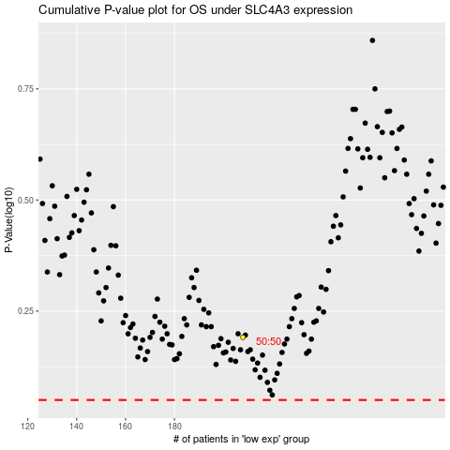

 |  |  |  |  |  | cases_OS | p_OS | rank | exp
 |  |  |  |  |  |  | cases_RFS | p_RFS | rank | exp

