SLC4A4 _multivariate
Reported by Tex Li-Hsing Chi. tex@gate.sinica.edu.tw 2019-08-15

Table 2. The clinicopathological features of HNSCC cohort and SLC4A4 expression. (Chi square test)
Cutoff at -0.273 (50.0%)
 |  | SLC4A4 expression |  | SLC4A4 expression |  | (Optimised)
 | Features | Low | (%) | High | (%) | Case no | P-value | Remark | Matthews
Gender | Female | 160 | 38.6 | 146 | 35.2 | 415 | 0.1254 | 0 | 0
2 | Male | 47 | 11.3 | 62 | 14.9
Age at diagnosis | <=65y | 136 | 32.8 | 138 | 33.3 | 415 | 0.9719 | 0 | 0
4 | >65y | 71 | 17.1 | 70 | 16.9
Clinical T Status | T1+T2 | 65 | 15.7 | 84 | 20.2 | 415 | 0.0711 | 0 | 0
6 | T3+T4 | 142 | 34.2 | 124 | 29.9
Clinical N Status | N0 | 109 | 26.3 | 107 | 25.8 | 415 | 0.8812 | 0 | 0
8 | N1-3 | 98 | 23.6 | 101 | 24.3
Clinical M Status | M0 | 204 | 49.2 | 208 | 50.1 | 415 | 0.1232 | 0 | 0
10 | M1 | 3 | 0.7 | 0 | 0
Clinical Stage | Stage I+II | 44 | 10.6 | 58 | 14 | 415 | 0.1459 | 0 | 0
12 | Stage III+IV | 163 | 39.3 | 150 | 36.1
Surgical Margin status | Negative | 154 | 37.1 | 164 | 39.5 | 415 | 0.2984 | 0 | 0
14 | Positive | 53 | 12.8 | 44 | 10.6
Tobacco Exposure | Low | 90 | 21.7 | 71 | 17.1 | 415 | 0.0559 | 0 | 0
16 | High | 117 | 28.2 | 137 | 33

Table 3. Univariate/Multivariate Cox's proportional hazards regression analyses on OS time of SLC4A4 gene expression in HNSCC

 |  | Univariate |  |  |  | Multivariate
 | Features | HR | CI95%(L) | CI95%(H) | P-value | HR | CI95%(L) | CI95%(H) | P-value
1 | Female | 1 |  |  |  | 1
Gender | Male | 1.157 | 0.843 | 1.587 | 0.367 | 1.189 | 0.85 | 1.664 | 0.311
11 | <=65y | 1 |  |  |  | 1
Age at diagnosis | >65y | 1.329 | 0.99 | 1.784 | 0.058 | 1.38 | 1.014 | 1.878 | 0.041
12 | T1+T2 | 1 |  |  |  | 1
Clinical T Status | T3+T4 | 1.409 | 1.028 | 1.931 | 0.033 | 2.23 | 1.178 | 4.223 | 0.014
13 | N0 | 1 |  |  |  | 1
Clinical N Status | N1-3 | 1.185 | 0.89 | 1.577 | 0.246 | 1.233 | 0.863 | 1.76 | 0.25
14 | M0 | 1 |  |  |  | 1
Clinical M Status | M1 | 4.097 | 1.009 | 16.644 | 0.049 | 9.989 | 2.155 | 46.308 | 0.003
15 | Stage I+II | 1 |  |  |  | 1
Clinical Stage | Stage III+IV | 1.245 | 0.882 | 1.759 | 0.213 | 0.499 | 0.233 | 1.073 | 0.075
16 | Negative | 1 |  |  |  | 1
Surgical Margin status | Positive | 1.591 | 1.155 | 2.191 | 0.004 | 1.683 | 1.217 | 2.327 | 0.002
17 | Low | 1 |  |  |  | 1
Tobacco Exposure | High | 1.364 | 1.008 | 1.844 | 0.044 | 1.429 | 1.033 | 1.976 | 0.031
18 | Low | 1 |  |  |  | 1
RNAseq(z-score) | High | 1.12 | 0.839 | 1.497 | 0.442 | 1.103 | 0.819 | 1.486 | 0.517

Table 4. Univariate/Multivariate Cox's proportional hazards regression analyses on RFS time of SLC4A4 gene expression in HNSCC

 |  | Univariate |  |  |  | Multivariate
 | Features | HR | CI95%(L) | CI95%(H) | P-value | HR | CI95%(L) | CI95%(H) | P-value
1 | Female | 1 |  |  |  | 1
Gender | Male | 1.157 | 0.843 | 1.587 | 0.367 | 1.189 | 0.85 | 1.664 | 0.311
11 | <=65y | 1 |  |  |  | 1
Age at diagnosis | >65y | 1.329 | 0.99 | 1.784 | 0.058 | 1.38 | 1.014 | 1.878 | 0.041
12 | T1+T2 | 1 |  |  |  | 1
Clinical T Status | T3+T4 | 1.409 | 1.028 | 1.931 | 0.033 | 2.23 | 1.178 | 4.223 | 0.014
13 | N0 | 1 |  |  |  | 1
Clinical N Status | N1-3 | 1.185 | 0.89 | 1.577 | 0.246 | 1.233 | 0.863 | 1.76 | 0.25
14 | M0 | 1 |  |  |  | 1
Clinical M Status | M1 | 4.097 | 1.009 | 16.644 | 0.049 | 9.989 | 2.155 | 46.308 | 0.003
15 | Stage I+II | 1 |  |  |  | 1
Clinical Stage | Stage III+IV | 1.245 | 0.882 | 1.759 | 0.213 | 0.499 | 0.233 | 1.073 | 0.075
16 | Negative | 1 |  |  |  | 1
Surgical Margin status | Positive | 1.591 | 1.155 | 2.191 | 0.004 | 1.683 | 1.217 | 2.327 | 0.002
17 | Low | 1 |  |  |  | 1
Tobacco Exposure | High | 1.364 | 1.008 | 1.844 | 0.044 | 1.429 | 1.033 | 1.976 | 0.031
18 | Low | 1 |  |  |  | 1
RNAseq(z-score) | High | 1.12 | 0.839 | 1.497 | 0.442 | 1.103 | 0.819 | 1.486 | 0.517

Kaplan-Meier survival estimate: Cutoff at -0.273 (50.0%)



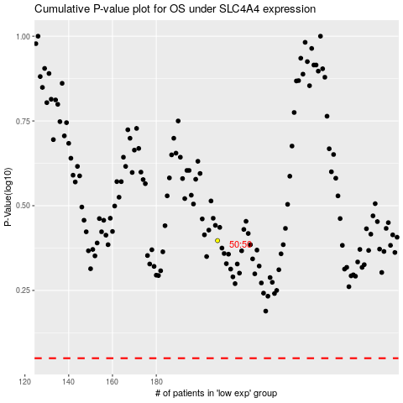

 |  |  |  |  |  | cases_OS | p_OS | rank | exp
 |  |  |  |  |  |  | cases_RFS | p_RFS | rank | exp

