SLC4A5 _multivariate
Reported by Tex Li-Hsing Chi. tex@gate.sinica.edu.tw 2019-08-15

Table 2. The clinicopathological features of HNSCC cohort and SLC4A5 expression. (Chi square test)
Cutoff at -0.191 (50.0%)
 |  | SLC4A5 expression |  | SLC4A5 expression |  | (Optimised)
 | Features | Low | (%) | High | (%) | Case no | P-value | Remark | Matthews
Gender | Female | 147 | 35.4 | 159 | 38.3 | 415 | 0.2523 | 0 | 0
2 | Male | 60 | 14.5 | 49 | 11.8
Age at diagnosis | <=65y | 143 | 34.5 | 131 | 31.6 | 415 | 0.2269 | 0 | 0
4 | >65y | 64 | 15.4 | 77 | 18.6
Clinical T Status | T1+T2 | 74 | 17.8 | 75 | 18.1 | 415 | 1 | 0 | 0
6 | T3+T4 | 133 | 32 | 133 | 32
Clinical N Status | N0 | 105 | 25.3 | 111 | 26.7 | 415 | 0.6598 | 0 | 0
8 | N1-3 | 102 | 24.6 | 97 | 23.4
Clinical M Status | M0 | 207 | 49.9 | 205 | 49.4 | 415 | 0.2482 | 0 | 0
10 | M1 | 0 | 0 | 3 | 0.7
Clinical Stage | Stage I+II | 54 | 13 | 48 | 11.6 | 415 | 0.5498 | 0 | 0
12 | Stage III+IV | 153 | 36.9 | 160 | 38.6
Surgical Margin status | Negative | 167 | 40.2 | 151 | 36.4 | 415 | 0.0632 | 0 | 0
14 | Positive | 40 | 9.6 | 57 | 13.7
Tobacco Exposure | Low | 85 | 20.5 | 76 | 18.3 | 415 | 0.3655 | 0 | 0
16 | High | 122 | 29.4 | 132 | 31.8

Table 3. Univariate/Multivariate Cox's proportional hazards regression analyses on OS time of SLC4A5 gene expression in HNSCC

 |  | Univariate |  |  |  | Multivariate
 | Features | HR | CI95%(L) | CI95%(H) | P-value | HR | CI95%(L) | CI95%(H) | P-value
1 | Female | 1 |  |  |  | 1
Gender | Male | 1.157 | 0.843 | 1.587 | 0.367 | 1.208 | 0.864 | 1.689 | 0.27
11 | <=65y | 1 |  |  |  | 1
Age at diagnosis | >65y | 1.329 | 0.99 | 1.784 | 0.058 | 1.382 | 1.015 | 1.881 | 0.04
12 | T1+T2 | 1 |  |  |  | 1
Clinical T Status | T3+T4 | 1.409 | 1.028 | 1.931 | 0.033 | 2.22 | 1.173 | 4.202 | 0.014
13 | N0 | 1 |  |  |  | 1
Clinical N Status | N1-3 | 1.185 | 0.89 | 1.577 | 0.246 | 1.248 | 0.874 | 1.782 | 0.223
14 | M0 | 1 |  |  |  | 1
Clinical M Status | M1 | 4.097 | 1.009 | 16.644 | 0.049 | 9.111 | 1.977 | 41.986 | 0.005
15 | Stage I+II | 1 |  |  |  | 1
Clinical Stage | Stage III+IV | 1.245 | 0.882 | 1.759 | 0.213 | 0.498 | 0.232 | 1.072 | 0.075
16 | Negative | 1 |  |  |  | 1
Surgical Margin status | Positive | 1.591 | 1.155 | 2.191 | 0.004 | 1.659 | 1.199 | 2.296 | 0.002
17 | Low | 1 |  |  |  | 1
Tobacco Exposure | High | 1.364 | 1.008 | 1.844 | 0.044 | 1.442 | 1.045 | 1.991 | 0.026
18 | Low | 1 |  |  |  | 1
RNAseq(z-score) | High | 1.155 | 0.867 | 1.539 | 0.326 | 1.075 | 0.801 | 1.444 | 0.629

Table 4. Univariate/Multivariate Cox's proportional hazards regression analyses on RFS time of SLC4A5 gene expression in HNSCC

 |  | Univariate |  |  |  | Multivariate
 | Features | HR | CI95%(L) | CI95%(H) | P-value | HR | CI95%(L) | CI95%(H) | P-value
1 | Female | 1 |  |  |  | 1
Gender | Male | 1.157 | 0.843 | 1.587 | 0.367 | 1.208 | 0.864 | 1.689 | 0.27
11 | <=65y | 1 |  |  |  | 1
Age at diagnosis | >65y | 1.329 | 0.99 | 1.784 | 0.058 | 1.382 | 1.015 | 1.881 | 0.04
12 | T1+T2 | 1 |  |  |  | 1
Clinical T Status | T3+T4 | 1.409 | 1.028 | 1.931 | 0.033 | 2.22 | 1.173 | 4.202 | 0.014
13 | N0 | 1 |  |  |  | 1
Clinical N Status | N1-3 | 1.185 | 0.89 | 1.577 | 0.246 | 1.248 | 0.874 | 1.782 | 0.223
14 | M0 | 1 |  |  |  | 1
Clinical M Status | M1 | 4.097 | 1.009 | 16.644 | 0.049 | 9.111 | 1.977 | 41.986 | 0.005
15 | Stage I+II | 1 |  |  |  | 1
Clinical Stage | Stage III+IV | 1.245 | 0.882 | 1.759 | 0.213 | 0.498 | 0.232 | 1.072 | 0.075
16 | Negative | 1 |  |  |  | 1
Surgical Margin status | Positive | 1.591 | 1.155 | 2.191 | 0.004 | 1.659 | 1.199 | 2.296 | 0.002
17 | Low | 1 |  |  |  | 1
Tobacco Exposure | High | 1.364 | 1.008 | 1.844 | 0.044 | 1.442 | 1.045 | 1.991 | 0.026
18 | Low | 1 |  |  |  | 1
RNAseq(z-score) | High | 1.155 | 0.867 | 1.539 | 0.326 | 1.075 | 0.801 | 1.444 | 0.629

Kaplan-Meier survival estimate: Cutoff at -0.191 (50.0%)



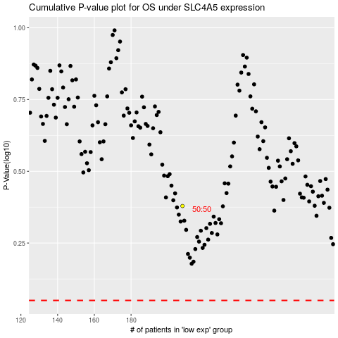

 |  |  |  |  |  | cases_OS | p_OS | rank | exp
 |  |  |  |  |  |  | cases_RFS | p_RFS | rank | exp

