SLC5A11 _multivariate
Reported by Tex Li-Hsing Chi. tex@gate.sinica.edu.tw 2019-08-15

Table 2. The clinicopathological features of HNSCC cohort and SLC5A11 expression. (Chi square test)
Cutoff at -0.253 (30.2%)
 |  | SLC5A11 expression |  | SLC5A11 expression |  | (Optimised)
 | Features | Low | (%) | High | (%) | Case no | P-value | Remark | Matthews
Gender | Female | 93 | 22.4 | 213 | 51.3 | 415 | 1 | 0 | 0
2 | Male | 33 | 8 | 76 | 18.3
Age at diagnosis | <=65y | 82 | 19.8 | 192 | 46.3 | 415 | 0.8763 | 0 | 0
4 | >65y | 44 | 10.6 | 97 | 23.4
Clinical T Status | T1+T2 | 45 | 10.8 | 104 | 25.1 | 415 | 1 | 0 | 0
6 | T3+T4 | 81 | 19.5 | 185 | 44.6
Clinical N Status | N0 | 63 | 15.2 | 153 | 36.9 | 415 | 0.6566 | 0 | 0
8 | N1-3 | 63 | 15.2 | 136 | 32.8
Clinical M Status | M0 | 126 | 30.4 | 286 | 68.9 | 415 | 0.5566 | 0 | 0
10 | M1 | 0 | 0 | 3 | 0.7
Clinical Stage | Stage I+II | 29 | 7 | 73 | 17.6 | 415 | 0.7157 | 0 | 0
12 | Stage III+IV | 97 | 23.4 | 216 | 52
Surgical Margin status | Negative | 96 | 23.1 | 222 | 53.5 | 415 | 0.9001 | 0 | 0
14 | Positive | 30 | 7.2 | 67 | 16.1
Tobacco Exposure | Low | 54 | 13 | 107 | 25.8 | 415 | 0.2747 | 0 | 0
16 | High | 72 | 17.3 | 182 | 43.9

Table 3. Univariate/Multivariate Cox's proportional hazards regression analyses on OS time of SLC5A11 gene expression in HNSCC

 |  | Univariate |  |  |  | Multivariate
 | Features | HR | CI95%(L) | CI95%(H) | P-value | HR | CI95%(L) | CI95%(H) | P-value
1 | Female | 1 |  |  |  | 1
Gender | Male | 1.157 | 0.843 | 1.587 | 0.367 | 1.198 | 0.857 | 1.675 | 0.29
11 | <=65y | 1 |  |  |  | 1
Age at diagnosis | >65y | 1.329 | 0.99 | 1.784 | 0.058 | 1.393 | 1.025 | 1.893 | 0.034
12 | T1+T2 | 1 |  |  |  | 1
Clinical T Status | T3+T4 | 1.409 | 1.028 | 1.931 | 0.033 | 2.211 | 1.169 | 4.182 | 0.015
13 | N0 | 1 |  |  |  | 1
Clinical N Status | N1-3 | 1.185 | 0.89 | 1.577 | 0.246 | 1.245 | 0.871 | 1.778 | 0.229
14 | M0 | 1 |  |  |  | 1
Clinical M Status | M1 | 4.097 | 1.009 | 16.644 | 0.049 | 8.542 | 1.859 | 39.262 | 0.006
15 | Stage I+II | 1 |  |  |  | 1
Clinical Stage | Stage III+IV | 1.245 | 0.882 | 1.759 | 0.213 | 0.505 | 0.235 | 1.084 | 0.08
16 | Negative | 1 |  |  |  | 1
Surgical Margin status | Positive | 1.591 | 1.155 | 2.191 | 0.004 | 1.657 | 1.199 | 2.29 | 0.002
17 | Low | 1 |  |  |  | 1
Tobacco Exposure | High | 1.364 | 1.008 | 1.844 | 0.044 | 1.409 | 1.022 | 1.945 | 0.037
18 | Low | 1 |  |  |  | 1
RNAseq(z-score) | High | 1.462 | 1.044 | 2.046 | 0.027 | 1.401 | 0.999 | 1.965 | 0.051

Table 4. Univariate/Multivariate Cox's proportional hazards regression analyses on RFS time of SLC5A11 gene expression in HNSCC

 |  | Univariate |  |  |  | Multivariate
 | Features | HR | CI95%(L) | CI95%(H) | P-value | HR | CI95%(L) | CI95%(H) | P-value
1 | Female | 1 |  |  |  | 1
Gender | Male | 1.157 | 0.843 | 1.587 | 0.367 | 1.198 | 0.857 | 1.675 | 0.29
11 | <=65y | 1 |  |  |  | 1
Age at diagnosis | >65y | 1.329 | 0.99 | 1.784 | 0.058 | 1.393 | 1.025 | 1.893 | 0.034
12 | T1+T2 | 1 |  |  |  | 1
Clinical T Status | T3+T4 | 1.409 | 1.028 | 1.931 | 0.033 | 2.211 | 1.169 | 4.182 | 0.015
13 | N0 | 1 |  |  |  | 1
Clinical N Status | N1-3 | 1.185 | 0.89 | 1.577 | 0.246 | 1.245 | 0.871 | 1.778 | 0.229
14 | M0 | 1 |  |  |  | 1
Clinical M Status | M1 | 4.097 | 1.009 | 16.644 | 0.049 | 8.542 | 1.859 | 39.262 | 0.006
15 | Stage I+II | 1 |  |  |  | 1
Clinical Stage | Stage III+IV | 1.245 | 0.882 | 1.759 | 0.213 | 0.505 | 0.235 | 1.084 | 0.08
16 | Negative | 1 |  |  |  | 1
Surgical Margin status | Positive | 1.591 | 1.155 | 2.191 | 0.004 | 1.657 | 1.199 | 2.29 | 0.002
17 | Low | 1 |  |  |  | 1
Tobacco Exposure | High | 1.364 | 1.008 | 1.844 | 0.044 | 1.409 | 1.022 | 1.945 | 0.037
18 | Low | 1 |  |  |  | 1
RNAseq(z-score) | High | 1.462 | 1.044 | 2.046 | 0.027 | 1.401 | 0.999 | 1.965 | 0.051

Kaplan-Meier survival estimate: Cutoff at -0.253 (30.2%)

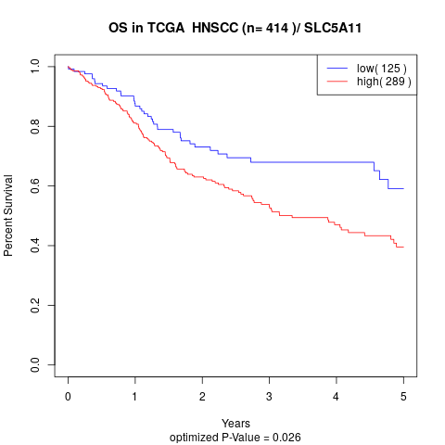

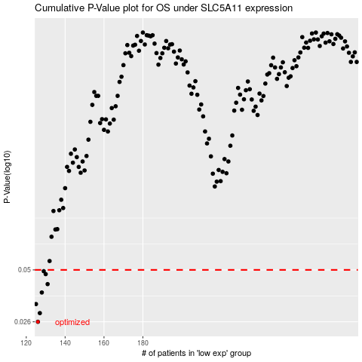

 |  |  |  |  |  | cases_OS | p_OS | rank | exp
 |  |  |  |  |  | 126 | 0.026 | 243 | -0.2528324502
 |  |  |  |  |  | 127 | 0.029 | 236 | -0.25245622108
 |  |  |  |  |  | 125 | 0.0325 | 42 | -0.25322749078
 |  |  |  |  |  | 128 | 0.0376 | 258 | -0.25227751225
 |  |  |  |  |  | 131 | 0.0418 | 58 | -0.25176960294
 |  |  |  |  |  | 130 | 0.0474 | 351 | -0.25181663158
 |  |  |  |  |  | 129 | 0.0492 | 145 | -0.25188717453
 |  |  |  |  |  |  | cases_RFS | p_RFS | rank | exp
 |  |  |  |  |  |  | 125 | 0.026 | 42 | -0.25322749078
 |  |  |  |  |  |  | 126 | 0.029 | 243 | -0.2528324502
 |  |  |  |  |  |  |  | 0.0325 | 8 | -0.25324630223
 |  |  |  |  |  |  | 127 | 0.0376 | 236 | -0.25245622108
 |  |  |  |  |  |  | 130 | 0.0418 | 351 | -0.25181663158
 |  |  |  |  |  |  | 129 | 0.0474 | 145 | -0.25188717453
 |  |  |  |  |  |  | 128 | 0.0492 | 258 | -0.25227751225

