SLC5A3 _multivariate
Reported by Tex Li-Hsing Chi. tex@gate.sinica.edu.tw 2019-08-15

Table 2. The clinicopathological features of HNSCC cohort and SLC5A3 expression. (Chi square test)
Cutoff at -0.194 (49.8%)
 |  | SLC5A3 expression |  | SLC5A3 expression |  | (Optimised)
 | Features | Low | (%) | High | (%) | Case no | P-value | Remark | Matthews
Gender | Female | 152 | 36.6 | 154 | 37.1 | 415 | 0.9766 | 0 | 0
2 | Male | 55 | 13.3 | 54 | 13
Age at diagnosis | <=65y | 140 | 33.7 | 134 | 32.3 | 415 | 0.5574 | 0 | 0
4 | >65y | 67 | 16.1 | 74 | 17.8
Clinical T Status | T1+T2 | 80 | 19.3 | 69 | 16.6 | 415 | 0.2891 | 0 | 0
6 | T3+T4 | 127 | 30.6 | 139 | 33.5
Clinical N Status | N0 | 109 | 26.3 | 107 | 25.8 | 415 | 0.8812 | 0 | 0
8 | N1-3 | 98 | 23.6 | 101 | 24.3
Clinical M Status | M0 | 205 | 49.4 | 207 | 49.9 | 415 | 0.6232 | 0 | 0
10 | M1 | 2 | 0.5 | 1 | 0.2
Clinical Stage | Stage I+II | 56 | 13.5 | 46 | 11.1 | 415 | 0.2918 | 0 | 0
12 | Stage III+IV | 151 | 36.4 | 162 | 39
Surgical Margin status | Negative | 151 | 36.4 | 167 | 40.2 | 415 | 0.0828 | 0 | 0
14 | Positive | 56 | 13.5 | 41 | 9.9
Tobacco Exposure | Low | 81 | 19.5 | 80 | 19.3 | 415 | 0.9199 | 0 | 0
16 | High | 126 | 30.4 | 128 | 30.8

Table 3. Univariate/Multivariate Cox's proportional hazards regression analyses on OS time of SLC5A3 gene expression in HNSCC

 |  | Univariate |  |  |  | Multivariate
 | Features | HR | CI95%(L) | CI95%(H) | P-value | HR | CI95%(L) | CI95%(H) | P-value
1 | Female | 1 |  |  |  | 1
Gender | Male | 1.157 | 0.843 | 1.587 | 0.367 | 1.233 | 0.882 | 1.725 | 0.221
11 | <=65y | 1 |  |  |  | 1
Age at diagnosis | >65y | 1.329 | 0.99 | 1.784 | 0.058 | 1.384 | 1.018 | 1.883 | 0.038
12 | T1+T2 | 1 |  |  |  | 1
Clinical T Status | T3+T4 | 1.409 | 1.028 | 1.931 | 0.033 | 2.213 | 1.171 | 4.18 | 0.014
13 | N0 | 1 |  |  |  | 1
Clinical N Status | N1-3 | 1.185 | 0.89 | 1.577 | 0.246 | 1.247 | 0.874 | 1.779 | 0.223
14 | M0 | 1 |  |  |  | 1
Clinical M Status | M1 | 4.097 | 1.009 | 16.644 | 0.049 | 10.282 | 2.234 | 47.318 | 0.003
15 | Stage I+II | 1 |  |  |  | 1
Clinical Stage | Stage III+IV | 1.245 | 0.882 | 1.759 | 0.213 | 0.487 | 0.226 | 1.046 | 0.065
16 | Negative | 1 |  |  |  | 1
Surgical Margin status | Positive | 1.591 | 1.155 | 2.191 | 0.004 | 1.713 | 1.238 | 2.371 | 0.001
17 | Low | 1 |  |  |  | 1
Tobacco Exposure | High | 1.364 | 1.008 | 1.844 | 0.044 | 1.464 | 1.063 | 2.017 | 0.02
18 | Low | 1 |  |  |  | 1
RNAseq(z-score) | High | 1.185 | 0.886 | 1.586 | 0.253 | 1.266 | 0.94 | 1.704 | 0.12

Table 4. Univariate/Multivariate Cox's proportional hazards regression analyses on RFS time of SLC5A3 gene expression in HNSCC

 |  | Univariate |  |  |  | Multivariate
 | Features | HR | CI95%(L) | CI95%(H) | P-value | HR | CI95%(L) | CI95%(H) | P-value
1 | Female | 1 |  |  |  | 1
Gender | Male | 1.157 | 0.843 | 1.587 | 0.367 | 1.233 | 0.882 | 1.725 | 0.221
11 | <=65y | 1 |  |  |  | 1
Age at diagnosis | >65y | 1.329 | 0.99 | 1.784 | 0.058 | 1.384 | 1.018 | 1.883 | 0.038
12 | T1+T2 | 1 |  |  |  | 1
Clinical T Status | T3+T4 | 1.409 | 1.028 | 1.931 | 0.033 | 2.213 | 1.171 | 4.18 | 0.014
13 | N0 | 1 |  |  |  | 1
Clinical N Status | N1-3 | 1.185 | 0.89 | 1.577 | 0.246 | 1.247 | 0.874 | 1.779 | 0.223
14 | M0 | 1 |  |  |  | 1
Clinical M Status | M1 | 4.097 | 1.009 | 16.644 | 0.049 | 10.282 | 2.234 | 47.318 | 0.003
15 | Stage I+II | 1 |  |  |  | 1
Clinical Stage | Stage III+IV | 1.245 | 0.882 | 1.759 | 0.213 | 0.487 | 0.226 | 1.046 | 0.065
16 | Negative | 1 |  |  |  | 1
Surgical Margin status | Positive | 1.591 | 1.155 | 2.191 | 0.004 | 1.713 | 1.238 | 2.371 | 0.001
17 | Low | 1 |  |  |  | 1
Tobacco Exposure | High | 1.364 | 1.008 | 1.844 | 0.044 | 1.464 | 1.063 | 2.017 | 0.02
18 | Low | 1 |  |  |  | 1
RNAseq(z-score) | High | 1.185 | 0.886 | 1.586 | 0.253 | 1.266 | 0.94 | 1.704 | 0.12

Kaplan-Meier survival estimate: Cutoff at -0.194 (49.8%)



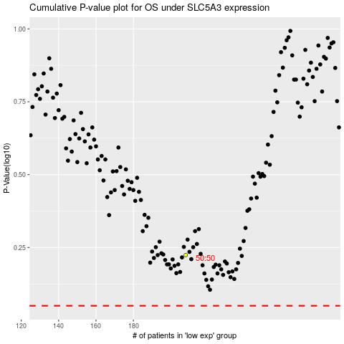

 |  |  |  |  |  | cases_OS | p_OS | rank | exp
 |  |  |  |  |  |  | cases_RFS | p_RFS | rank | exp

