SLC5A5 _multivariate
Reported by Tex Li-Hsing Chi. tex@gate.sinica.edu.tw 2019-08-15

Table 2. The clinicopathological features of HNSCC cohort and SLC5A5 expression. (Chi square test)
Cutoff at -0.105 (62.6%)
 |  | SLC5A5 expression |  | SLC5A5 expression |  | (Optimised)
 | Features | Low | (%) | High | (%) | Case no | P-value | Remark | Matthews
Gender | Female | 186 | 44.8 | 120 | 28.9 | 415 | 0.2295 | 0 | 0
2 | Male | 74 | 17.8 | 35 | 8.4
Age at diagnosis | <=65y | 174 | 41.9 | 100 | 24.1 | 415 | 0.6938 | 0 | 0
4 | >65y | 86 | 20.7 | 55 | 13.3
Clinical T Status | T1+T2 | 105 | 25.3 | 44 | 10.6 | 415 | 0.0183 | 1 | 0
6 | T3+T4 | 155 | 37.3 | 111 | 26.7
Clinical N Status | N0 | 134 | 32.3 | 82 | 19.8 | 415 | 0.8669 | 0 | 0
8 | N1-3 | 126 | 30.4 | 73 | 17.6
Clinical M Status | M0 | 257 | 61.9 | 155 | 37.3 | 415 | 0.2963 | 0 | 0
10 | M1 | 3 | 0.7 | 0 | 0
Clinical Stage | Stage I+II | 73 | 17.6 | 29 | 7 | 415 | 0.0428 | 1 | 0
12 | Stage III+IV | 187 | 45.1 | 126 | 30.4
Surgical Margin status | Negative | 201 | 48.4 | 117 | 28.2 | 415 | 0.7194 | 0 | 0
14 | Positive | 59 | 14.2 | 38 | 9.2
Tobacco Exposure | Low | 117 | 28.2 | 44 | 10.6 | 415 | 8e-04 | 1 | 0
16 | High | 143 | 34.5 | 111 | 26.7

Table 3. Univariate/Multivariate Cox's proportional hazards regression analyses on OS time of SLC5A5 gene expression in HNSCC

 |  | Univariate |  |  |  | Multivariate
 | Features | HR | CI95%(L) | CI95%(H) | P-value | HR | CI95%(L) | CI95%(H) | P-value
1 | Female | 1 |  |  |  | 1
Gender | Male | 1.157 | 0.843 | 1.587 | 0.367 | 1.168 | 0.835 | 1.634 | 0.365
11 | <=65y | 1 |  |  |  | 1
Age at diagnosis | >65y | 1.329 | 0.99 | 1.784 | 0.058 | 1.434 | 1.053 | 1.955 | 0.022
12 | T1+T2 | 1 |  |  |  | 1
Clinical T Status | T3+T4 | 1.409 | 1.028 | 1.931 | 0.033 | 2.273 | 1.2 | 4.307 | 0.012
13 | N0 | 1 |  |  |  | 1
Clinical N Status | N1-3 | 1.185 | 0.89 | 1.577 | 0.246 | 1.208 | 0.847 | 1.723 | 0.296
14 | M0 | 1 |  |  |  | 1
Clinical M Status | M1 | 4.097 | 1.009 | 16.644 | 0.049 | 8.207 | 1.787 | 37.69 | 0.007
15 | Stage I+II | 1 |  |  |  | 1
Clinical Stage | Stage III+IV | 1.245 | 0.882 | 1.759 | 0.213 | 0.518 | 0.241 | 1.112 | 0.091
16 | Negative | 1 |  |  |  | 1
Surgical Margin status | Positive | 1.591 | 1.155 | 2.191 | 0.004 | 1.78 | 1.284 | 2.468 | 0.001
17 | Low | 1 |  |  |  | 1
Tobacco Exposure | High | 1.364 | 1.008 | 1.844 | 0.044 | 1.602 | 1.154 | 2.225 | 0.005
18 | Low | 1 |  |  |  | 1
RNAseq(z-score) | High | 0.704 | 0.519 | 0.955 | 0.024 | 0.606 | 0.442 | 0.831 | 0.002

Table 4. Univariate/Multivariate Cox's proportional hazards regression analyses on RFS time of SLC5A5 gene expression in HNSCC

 |  | Univariate |  |  |  | Multivariate
 | Features | HR | CI95%(L) | CI95%(H) | P-value | HR | CI95%(L) | CI95%(H) | P-value
1 | Female | 1 |  |  |  | 1
Gender | Male | 1.157 | 0.843 | 1.587 | 0.367 | 1.168 | 0.835 | 1.634 | 0.365
11 | <=65y | 1 |  |  |  | 1
Age at diagnosis | >65y | 1.329 | 0.99 | 1.784 | 0.058 | 1.434 | 1.053 | 1.955 | 0.022
12 | T1+T2 | 1 |  |  |  | 1
Clinical T Status | T3+T4 | 1.409 | 1.028 | 1.931 | 0.033 | 2.273 | 1.2 | 4.307 | 0.012
13 | N0 | 1 |  |  |  | 1
Clinical N Status | N1-3 | 1.185 | 0.89 | 1.577 | 0.246 | 1.208 | 0.847 | 1.723 | 0.296
14 | M0 | 1 |  |  |  | 1
Clinical M Status | M1 | 4.097 | 1.009 | 16.644 | 0.049 | 8.207 | 1.787 | 37.69 | 0.007
15 | Stage I+II | 1 |  |  |  | 1
Clinical Stage | Stage III+IV | 1.245 | 0.882 | 1.759 | 0.213 | 0.518 | 0.241 | 1.112 | 0.091
16 | Negative | 1 |  |  |  | 1
Surgical Margin status | Positive | 1.591 | 1.155 | 2.191 | 0.004 | 1.78 | 1.284 | 2.468 | 0.001
17 | Low | 1 |  |  |  | 1
Tobacco Exposure | High | 1.364 | 1.008 | 1.844 | 0.044 | 1.602 | 1.154 | 2.225 | 0.005
18 | Low | 1 |  |  |  | 1
RNAseq(z-score) | High | 0.704 | 0.519 | 0.955 | 0.024 | 0.606 | 0.442 | 0.831 | 0.002

Kaplan-Meier survival estimate: Cutoff at -0.105 (62.6%)

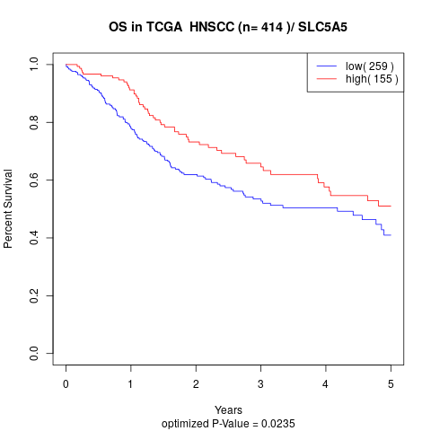

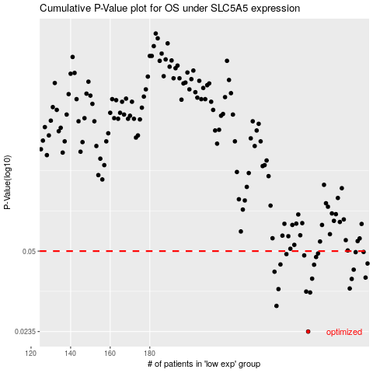

 |  |  |  |  |  | cases_OS | p_OS | rank | exp
 |  |  |  |  |  | 260 | 0.0235 | 272 | -0.10482193967
 |  |  |  |  |  | 244 | 0.0299 | 235 | -0.10681575382
 |  |  |  |  |  | 261 | 0.0339 | 383 | -0.1046760434
 |  |  |  |  |  | 259 | 0.0342 | 250 | -0.10524500839
 |  |  |  |  |  | 245 | 0.035 | 40 | -0.1067201141
 |  |  |  |  |  | 281 | 0.0352 | 348 | -0.097887145792
 |  |  |  |  |  | 282 | 0.0385 | 318 | -0.097729370703
 |  |  |  |  |  | 262 | 0.0386 | 9 | -0.104651372
 |  |  |  |  |  | 289 | 0.039 | 101 | -0.093749357019
 |  |  |  |  |  | 243 | 0.0412 | 223 | -0.10683859771
 |  |  |  |  |  | 283 | 0.042 | 93 | -0.097527430773
 |  |  |  |  |  | 263 | 0.044 | 380 | -0.1040559081
 |  |  |  |  |  | 246 | 0.0441 | 140 | -0.10671920034
 |  |  |  |  |  | 290 | 0.0445 | 80 | -0.093468529544
 |  |  |  |  |  | 264 | 0.0473 | 20 | -0.10366908501
 |  |  |  |  |  | 258 | 0.048 | 43 | -0.10534613065
 |  |  |  |  |  | 249 | 0.0486 | 158 | -0.10629917747
 |  |  |  |  |  | 265 | 0.0489 | 360 | -0.10353110795
 |  |  |  |  |  | 284 | 0.0495 | 388 | -0.096147051036
 |  |  |  |  |  | 288 | 0.0496 | 206 | -0.094233951935
 |  |  |  |  |  |  | cases_RFS | p_RFS | rank | exp
 |  |  |  |  |  |  | 259 | 0.0235 | 250 | -0.10524500839
 |  |  |  |  |  |  | 243 | 0.0299 | 223 | -0.10683859771
 |  |  |  |  |  |  | 260 | 0.0339 | 272 | -0.10482193967
 |  |  |  |  |  |  | 258 | 0.0342 | 43 | -0.10534613065
 |  |  |  |  |  |  | 244 | 0.035 | 235 | -0.10681575382
 |  |  |  |  |  |  | 280 | 0.0352 | 398 | -0.098153962352
 |  |  |  |  |  |  | 281 | 0.0385 | 348 | -0.097887145792
 |  |  |  |  |  |  | 261 | 0.0386 | 383 | -0.1046760434
 |  |  |  |  |  |  | 288 | 0.039 | 206 | -0.094233951935
 |  |  |  |  |  |  | 242 | 0.0412 | 389 | -0.10726075267
 |  |  |  |  |  |  | 282 | 0.042 | 318 | -0.097729370703
 |  |  |  |  |  |  | 262 | 0.044 | 9 | -0.104651372
 |  |  |  |  |  |  | 245 | 0.0441 | 40 | -0.1067201141
 |  |  |  |  |  |  | 289 | 0.0445 | 101 | -0.093749357019
 |  |  |  |  |  |  | 263 | 0.0473 | 380 | -0.1040559081
 |  |  |  |  |  |  | 257 | 0.048 | 61 | -0.10568635222
 |  |  |  |  |  |  | 248 | 0.0486 | 114 | -0.10633907812
 |  |  |  |  |  |  | 264 | 0.0489 | 20 | -0.10366908501
 |  |  |  |  |  |  | 283 | 0.0495 | 93 | -0.097527430773
 |  |  |  |  |  |  | 287 | 0.0496 | 125 | -0.094234561106

