SLC6A12 _multivariate
Reported by Tex Li-Hsing Chi. tex@gate.sinica.edu.tw 2019-08-15

Table 2. The clinicopathological features of HNSCC cohort and SLC6A12 expression. (Chi square test)
Cutoff at -0.195 (49.8%)
 |  | SLC6A12 expression |  | SLC6A12 expression |  | (Optimised)
 | Features | Low | (%) | High | (%) | Case no | P-value | Remark | Matthews
Gender | Female | 162 | 39 | 144 | 34.7 | 415 | 0.0479 | 1 | 0
2 | Male | 45 | 10.8 | 64 | 15.4
Age at diagnosis | <=65y | 146 | 35.2 | 128 | 30.8 | 415 | 0.0672 | 0 | 0
4 | >65y | 61 | 14.7 | 80 | 19.3
Clinical T Status | T1+T2 | 75 | 18.1 | 74 | 17.8 | 415 | 0.9707 | 0 | 0
6 | T3+T4 | 132 | 31.8 | 134 | 32.3
Clinical N Status | N0 | 116 | 28 | 100 | 24.1 | 415 | 0.1273 | 1 | 0
8 | N1-3 | 91 | 21.9 | 108 | 26
Clinical M Status | M0 | 206 | 49.6 | 206 | 49.6 | 415 | 1 | 0 | 0
10 | M1 | 1 | 0.2 | 2 | 0.5
Clinical Stage | Stage I+II | 52 | 12.5 | 50 | 12 | 415 | 0.8871 | 0 | 0
12 | Stage III+IV | 155 | 37.3 | 158 | 38.1
Surgical Margin status | Negative | 154 | 37.1 | 164 | 39.5 | 415 | 0.2984 | 0 | 0
14 | Positive | 53 | 12.8 | 44 | 10.6
Tobacco Exposure | Low | 74 | 17.8 | 87 | 21 | 415 | 0.227 | 0 | 0
16 | High | 133 | 32 | 121 | 29.2

Table 3. Univariate/Multivariate Cox's proportional hazards regression analyses on OS time of SLC6A12 gene expression in HNSCC

 |  | Univariate |  |  |  | Multivariate
 | Features | HR | CI95%(L) | CI95%(H) | P-value | HR | CI95%(L) | CI95%(H) | P-value
1 | Female | 1 |  |  |  | 1
Gender | Male | 1.157 | 0.843 | 1.587 | 0.367 | 1.212 | 0.867 | 1.696 | 0.261
11 | <=65y | 1 |  |  |  | 1
Age at diagnosis | >65y | 1.329 | 0.99 | 1.784 | 0.058 | 1.398 | 1.028 | 1.9 | 0.033
12 | T1+T2 | 1 |  |  |  | 1
Clinical T Status | T3+T4 | 1.409 | 1.028 | 1.931 | 0.033 | 2.23 | 1.178 | 4.222 | 0.014
13 | N0 | 1 |  |  |  | 1
Clinical N Status | N1-3 | 1.185 | 0.89 | 1.577 | 0.246 | 1.26 | 0.88 | 1.803 | 0.207
14 | M0 | 1 |  |  |  | 1
Clinical M Status | M1 | 4.097 | 1.009 | 16.644 | 0.049 | 9.549 | 2.081 | 43.82 | 0.004
15 | Stage I+II | 1 |  |  |  | 1
Clinical Stage | Stage III+IV | 1.245 | 0.882 | 1.759 | 0.213 | 0.495 | 0.23 | 1.065 | 0.072
16 | Negative | 1 |  |  |  | 1
Surgical Margin status | Positive | 1.591 | 1.155 | 2.191 | 0.004 | 1.672 | 1.21 | 2.311 | 0.002
17 | Low | 1 |  |  |  | 1
Tobacco Exposure | High | 1.364 | 1.008 | 1.844 | 0.044 | 1.448 | 1.05 | 1.995 | 0.024
18 | Low | 1 |  |  |  | 1
RNAseq(z-score) | High | 0.959 | 0.719 | 1.279 | 0.776 | 0.914 | 0.682 | 1.225 | 0.547

Table 4. Univariate/Multivariate Cox's proportional hazards regression analyses on RFS time of SLC6A12 gene expression in HNSCC

 |  | Univariate |  |  |  | Multivariate
 | Features | HR | CI95%(L) | CI95%(H) | P-value | HR | CI95%(L) | CI95%(H) | P-value
1 | Female | 1 |  |  |  | 1
Gender | Male | 1.157 | 0.843 | 1.587 | 0.367 | 1.212 | 0.867 | 1.696 | 0.261
11 | <=65y | 1 |  |  |  | 1
Age at diagnosis | >65y | 1.329 | 0.99 | 1.784 | 0.058 | 1.398 | 1.028 | 1.9 | 0.033
12 | T1+T2 | 1 |  |  |  | 1
Clinical T Status | T3+T4 | 1.409 | 1.028 | 1.931 | 0.033 | 2.23 | 1.178 | 4.222 | 0.014
13 | N0 | 1 |  |  |  | 1
Clinical N Status | N1-3 | 1.185 | 0.89 | 1.577 | 0.246 | 1.26 | 0.88 | 1.803 | 0.207
14 | M0 | 1 |  |  |  | 1
Clinical M Status | M1 | 4.097 | 1.009 | 16.644 | 0.049 | 9.549 | 2.081 | 43.82 | 0.004
15 | Stage I+II | 1 |  |  |  | 1
Clinical Stage | Stage III+IV | 1.245 | 0.882 | 1.759 | 0.213 | 0.495 | 0.23 | 1.065 | 0.072
16 | Negative | 1 |  |  |  | 1
Surgical Margin status | Positive | 1.591 | 1.155 | 2.191 | 0.004 | 1.672 | 1.21 | 2.311 | 0.002
17 | Low | 1 |  |  |  | 1
Tobacco Exposure | High | 1.364 | 1.008 | 1.844 | 0.044 | 1.448 | 1.05 | 1.995 | 0.024
18 | Low | 1 |  |  |  | 1
RNAseq(z-score) | High | 0.959 | 0.719 | 1.279 | 0.776 | 0.914 | 0.682 | 1.225 | 0.547

Kaplan-Meier survival estimate: Cutoff at -0.195 (49.8%)



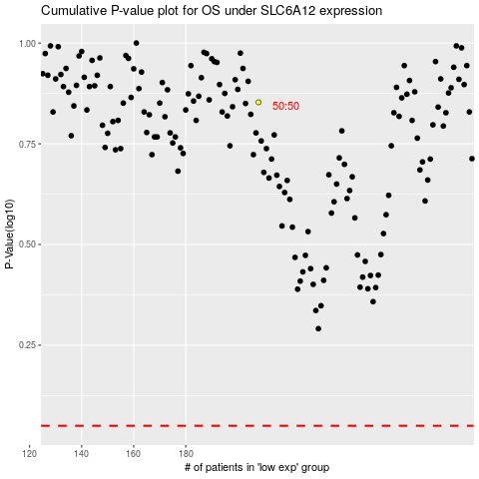

 |  |  |  |  |  | cases_OS | p_OS | rank | exp
 |  |  |  |  |  |  | cases_RFS | p_RFS | rank | exp

