SLC6A13 _multivariate
Reported by Tex Li-Hsing Chi. tex@gate.sinica.edu.tw 2019-08-15

Table 2. The clinicopathological features of HNSCC cohort and SLC6A13 expression. (Chi square test)
Cutoff at -0.169 (50.0%)
 |  | SLC6A13 expression |  | SLC6A13 expression |  | (Optimised)
 | Features | Low | (%) | High | (%) | Case no | P-value | Remark | Matthews
Gender | Female | 149 | 35.9 | 157 | 37.8 | 415 | 0.4848 | 0 | 0
2 | Male | 58 | 14 | 51 | 12.3
Age at diagnosis | <=65y | 143 | 34.5 | 131 | 31.6 | 415 | 0.2269 | 0 | 0
4 | >65y | 64 | 15.4 | 77 | 18.6
Clinical T Status | T1+T2 | 73 | 17.6 | 76 | 18.3 | 415 | 0.8666 | 0 | 0
6 | T3+T4 | 134 | 32.3 | 132 | 31.8
Clinical N Status | N0 | 113 | 27.2 | 103 | 24.8 | 415 | 0.3495 | 1 | 0
8 | N1-3 | 94 | 22.7 | 105 | 25.3
Clinical M Status | M0 | 206 | 49.6 | 206 | 49.6 | 415 | 1 | 0 | 0
10 | M1 | 1 | 0.2 | 2 | 0.5
Clinical Stage | Stage I+II | 50 | 12 | 52 | 12.5 | 415 | 0.9315 | 0 | 0
12 | Stage III+IV | 157 | 37.8 | 156 | 37.6
Surgical Margin status | Negative | 161 | 38.8 | 157 | 37.8 | 415 | 0.6429 | 0 | 0
14 | Positive | 46 | 11.1 | 51 | 12.3
Tobacco Exposure | Low | 79 | 19 | 82 | 19.8 | 415 | 0.8405 | 0 | 0
16 | High | 128 | 30.8 | 126 | 30.4

Table 3. Univariate/Multivariate Cox's proportional hazards regression analyses on OS time of SLC6A13 gene expression in HNSCC

 |  | Univariate |  |  |  | Multivariate
 | Features | HR | CI95%(L) | CI95%(H) | P-value | HR | CI95%(L) | CI95%(H) | P-value
1 | Female | 1 |  |  |  | 1
Gender | Male | 1.157 | 0.843 | 1.587 | 0.367 | 1.204 | 0.861 | 1.683 | 0.277
11 | <=65y | 1 |  |  |  | 1
Age at diagnosis | >65y | 1.329 | 0.99 | 1.784 | 0.058 | 1.385 | 1.017 | 1.886 | 0.039
12 | T1+T2 | 1 |  |  |  | 1
Clinical T Status | T3+T4 | 1.409 | 1.028 | 1.931 | 0.033 | 2.197 | 1.162 | 4.156 | 0.015
13 | N0 | 1 |  |  |  | 1
Clinical N Status | N1-3 | 1.185 | 0.89 | 1.577 | 0.246 | 1.234 | 0.863 | 1.764 | 0.249
14 | M0 | 1 |  |  |  | 1
Clinical M Status | M1 | 4.097 | 1.009 | 16.644 | 0.049 | 9.351 | 2.039 | 42.885 | 0.004
15 | Stage I+II | 1 |  |  |  | 1
Clinical Stage | Stage III+IV | 1.245 | 0.882 | 1.759 | 0.213 | 0.508 | 0.236 | 1.091 | 0.083
16 | Negative | 1 |  |  |  | 1
Surgical Margin status | Positive | 1.591 | 1.155 | 2.191 | 0.004 | 1.668 | 1.207 | 2.306 | 0.002
17 | Low | 1 |  |  |  | 1
Tobacco Exposure | High | 1.364 | 1.008 | 1.844 | 0.044 | 1.451 | 1.053 | 1.999 | 0.023
18 | Low | 1 |  |  |  | 1
RNAseq(z-score) | High | 1.102 | 0.827 | 1.469 | 0.508 | 1.042 | 0.779 | 1.393 | 0.781

Table 4. Univariate/Multivariate Cox's proportional hazards regression analyses on RFS time of SLC6A13 gene expression in HNSCC

 |  | Univariate |  |  |  | Multivariate
 | Features | HR | CI95%(L) | CI95%(H) | P-value | HR | CI95%(L) | CI95%(H) | P-value
1 | Female | 1 |  |  |  | 1
Gender | Male | 1.157 | 0.843 | 1.587 | 0.367 | 1.204 | 0.861 | 1.683 | 0.277
11 | <=65y | 1 |  |  |  | 1
Age at diagnosis | >65y | 1.329 | 0.99 | 1.784 | 0.058 | 1.385 | 1.017 | 1.886 | 0.039
12 | T1+T2 | 1 |  |  |  | 1
Clinical T Status | T3+T4 | 1.409 | 1.028 | 1.931 | 0.033 | 2.197 | 1.162 | 4.156 | 0.015
13 | N0 | 1 |  |  |  | 1
Clinical N Status | N1-3 | 1.185 | 0.89 | 1.577 | 0.246 | 1.234 | 0.863 | 1.764 | 0.249
14 | M0 | 1 |  |  |  | 1
Clinical M Status | M1 | 4.097 | 1.009 | 16.644 | 0.049 | 9.351 | 2.039 | 42.885 | 0.004
15 | Stage I+II | 1 |  |  |  | 1
Clinical Stage | Stage III+IV | 1.245 | 0.882 | 1.759 | 0.213 | 0.508 | 0.236 | 1.091 | 0.083
16 | Negative | 1 |  |  |  | 1
Surgical Margin status | Positive | 1.591 | 1.155 | 2.191 | 0.004 | 1.668 | 1.207 | 2.306 | 0.002
17 | Low | 1 |  |  |  | 1
Tobacco Exposure | High | 1.364 | 1.008 | 1.844 | 0.044 | 1.451 | 1.053 | 1.999 | 0.023
18 | Low | 1 |  |  |  | 1
RNAseq(z-score) | High | 1.102 | 0.827 | 1.469 | 0.508 | 1.042 | 0.779 | 1.393 | 0.781

Kaplan-Meier survival estimate: Cutoff at -0.169 (50.0%)



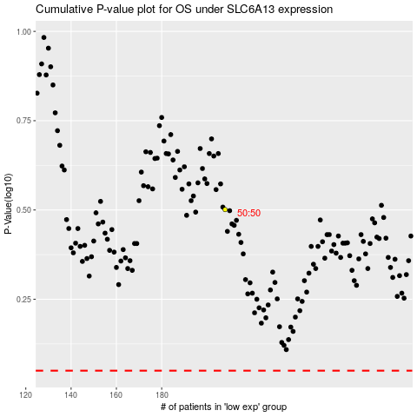

 |  |  |  |  |  | cases_OS | p_OS | rank | exp
 |  |  |  |  |  |  | cases_RFS | p_RFS | rank | exp

