SLC6A2 _multivariate
Reported by Tex Li-Hsing Chi. tex@gate.sinica.edu.tw 2019-08-15

Table 2. The clinicopathological features of HNSCC cohort and SLC6A2 expression. (Chi square test)
Cutoff at -0.355 (50.0%)
 |  | SLC6A2 expression |  | SLC6A2 expression |  | (Optimised)
 | Features | Low | (%) | High | (%) | Case no | P-value | Remark | Matthews
Gender | Female | 152 | 36.6 | 154 | 37.1 | 415 | 0.9766 | 0 | 0
2 | Male | 55 | 13.3 | 54 | 13
Age at diagnosis | <=65y | 132 | 31.8 | 142 | 34.2 | 415 | 0.3874 | 0 | 0
4 | >65y | 75 | 18.1 | 66 | 15.9
Clinical T Status | T1+T2 | 78 | 18.8 | 71 | 17.1 | 415 | 0.5152 | 0 | 0
6 | T3+T4 | 129 | 31.1 | 137 | 33
Clinical N Status | N0 | 105 | 25.3 | 111 | 26.7 | 415 | 0.6598 | 0 | 0
8 | N1-3 | 102 | 24.6 | 97 | 23.4
Clinical M Status | M0 | 206 | 49.6 | 206 | 49.6 | 415 | 1 | 0 | 0
10 | M1 | 1 | 0.2 | 2 | 0.5
Clinical Stage | Stage I+II | 47 | 11.3 | 55 | 13.3 | 415 | 0.4413 | 0 | 0
12 | Stage III+IV | 160 | 38.6 | 153 | 36.9
Surgical Margin status | Negative | 151 | 36.4 | 167 | 40.2 | 415 | 0.0828 | 0 | 0
14 | Positive | 56 | 13.5 | 41 | 9.9
Tobacco Exposure | Low | 76 | 18.3 | 85 | 20.5 | 415 | 0.4207 | 0 | 0
16 | High | 131 | 31.6 | 123 | 29.6

Table 3. Univariate/Multivariate Cox's proportional hazards regression analyses on OS time of SLC6A2 gene expression in HNSCC

 |  | Univariate |  |  |  | Multivariate
 | Features | HR | CI95%(L) | CI95%(H) | P-value | HR | CI95%(L) | CI95%(H) | P-value
1 | Female | 1 |  |  |  | 1
Gender | Male | 1.157 | 0.843 | 1.587 | 0.367 | 1.206 | 0.862 | 1.686 | 0.274
11 | <=65y | 1 |  |  |  | 1
Age at diagnosis | >65y | 1.329 | 0.99 | 1.784 | 0.058 | 1.396 | 1.026 | 1.899 | 0.034
12 | T1+T2 | 1 |  |  |  | 1
Clinical T Status | T3+T4 | 1.409 | 1.028 | 1.931 | 0.033 | 2.181 | 1.15 | 4.139 | 0.017
13 | N0 | 1 |  |  |  | 1
Clinical N Status | N1-3 | 1.185 | 0.89 | 1.577 | 0.246 | 1.237 | 0.867 | 1.766 | 0.241
14 | M0 | 1 |  |  |  | 1
Clinical M Status | M1 | 4.097 | 1.009 | 16.644 | 0.049 | 9.242 | 2.006 | 42.578 | 0.004
15 | Stage I+II | 1 |  |  |  | 1
Clinical Stage | Stage III+IV | 1.245 | 0.882 | 1.759 | 0.213 | 0.51 | 0.237 | 1.1 | 0.086
16 | Negative | 1 |  |  |  | 1
Surgical Margin status | Positive | 1.591 | 1.155 | 2.191 | 0.004 | 1.678 | 1.213 | 2.32 | 0.002
17 | Low | 1 |  |  |  | 1
Tobacco Exposure | High | 1.364 | 1.008 | 1.844 | 0.044 | 1.457 | 1.057 | 2.008 | 0.022
18 | Low | 1 |  |  |  | 1
RNAseq(z-score) | High | 1.011 | 0.759 | 1.347 | 0.941 | 1.042 | 0.778 | 1.396 | 0.781

Table 4. Univariate/Multivariate Cox's proportional hazards regression analyses on RFS time of SLC6A2 gene expression in HNSCC

 |  | Univariate |  |  |  | Multivariate
 | Features | HR | CI95%(L) | CI95%(H) | P-value | HR | CI95%(L) | CI95%(H) | P-value
1 | Female | 1 |  |  |  | 1
Gender | Male | 1.157 | 0.843 | 1.587 | 0.367 | 1.206 | 0.862 | 1.686 | 0.274
11 | <=65y | 1 |  |  |  | 1
Age at diagnosis | >65y | 1.329 | 0.99 | 1.784 | 0.058 | 1.396 | 1.026 | 1.899 | 0.034
12 | T1+T2 | 1 |  |  |  | 1
Clinical T Status | T3+T4 | 1.409 | 1.028 | 1.931 | 0.033 | 2.181 | 1.15 | 4.139 | 0.017
13 | N0 | 1 |  |  |  | 1
Clinical N Status | N1-3 | 1.185 | 0.89 | 1.577 | 0.246 | 1.237 | 0.867 | 1.766 | 0.241
14 | M0 | 1 |  |  |  | 1
Clinical M Status | M1 | 4.097 | 1.009 | 16.644 | 0.049 | 9.242 | 2.006 | 42.578 | 0.004
15 | Stage I+II | 1 |  |  |  | 1
Clinical Stage | Stage III+IV | 1.245 | 0.882 | 1.759 | 0.213 | 0.51 | 0.237 | 1.1 | 0.086
16 | Negative | 1 |  |  |  | 1
Surgical Margin status | Positive | 1.591 | 1.155 | 2.191 | 0.004 | 1.678 | 1.213 | 2.32 | 0.002
17 | Low | 1 |  |  |  | 1
Tobacco Exposure | High | 1.364 | 1.008 | 1.844 | 0.044 | 1.457 | 1.057 | 2.008 | 0.022
18 | Low | 1 |  |  |  | 1
RNAseq(z-score) | High | 1.011 | 0.759 | 1.347 | 0.941 | 1.042 | 0.778 | 1.396 | 0.781

Kaplan-Meier survival estimate: Cutoff at -0.355 (50.0%)



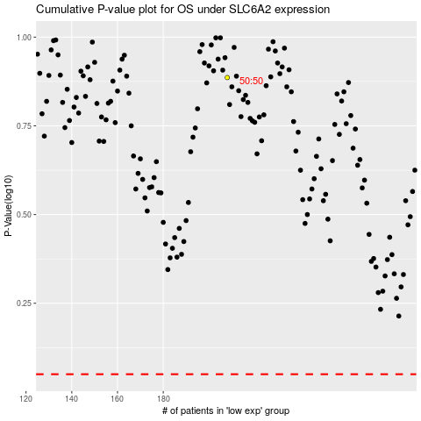

 |  |  |  |  |  | cases_OS | p_OS | rank | exp
 |  |  |  |  |  |  | cases_RFS | p_RFS | rank | exp

