SLC6A20 _multivariate
Reported by Tex Li-Hsing Chi. tex@gate.sinica.edu.tw 2019-08-15

Table 2. The clinicopathological features of HNSCC cohort and SLC6A20 expression. (Chi square test)
Cutoff at -0.173 (70.0%)
 |  | SLC6A20 expression |  | SLC6A20 expression |  | (Optimised)
 | Features | Low | (%) | High | (%) | Case no | P-value | Remark | Matthews
Gender | Female | 222 | 53.5 | 84 | 20.2 | 415 | 0.0623 | 0 | 0
2 | Male | 68 | 16.4 | 41 | 9.9
Age at diagnosis | <=65y | 186 | 44.8 | 88 | 21.2 | 415 | 0.2615 | 0 | 0
4 | >65y | 104 | 25.1 | 37 | 8.9
Clinical T Status | T1+T2 | 112 | 27 | 37 | 8.9 | 415 | 0.0998 | 0 | 0
6 | T3+T4 | 178 | 42.9 | 88 | 21.2
Clinical N Status | N0 | 153 | 36.9 | 63 | 15.2 | 415 | 0.7383 | 0 | 0
8 | N1-3 | 137 | 33 | 62 | 14.9
Clinical M Status | M0 | 288 | 69.4 | 124 | 29.9 | 415 | 1 | 0 | 0
10 | M1 | 2 | 0.5 | 1 | 0.2
Clinical Stage | Stage I+II | 76 | 18.3 | 26 | 6.3 | 415 | 0.294 | 0 | 0
12 | Stage III+IV | 214 | 51.6 | 99 | 23.9
Surgical Margin status | Negative | 219 | 52.8 | 99 | 23.9 | 415 | 0.4502 | 0 | 0
14 | Positive | 71 | 17.1 | 26 | 6.3
Tobacco Exposure | Low | 109 | 26.3 | 52 | 12.5 | 415 | 0.4445 | 0 | 0
16 | High | 181 | 43.6 | 73 | 17.6

Table 3. Univariate/Multivariate Cox's proportional hazards regression analyses on OS time of SLC6A20 gene expression in HNSCC

 |  | Univariate |  |  |  | Multivariate
 | Features | HR | CI95%(L) | CI95%(H) | P-value | HR | CI95%(L) | CI95%(H) | P-value
1 | Female | 1 |  |  |  | 1
Gender | Male | 1.157 | 0.843 | 1.587 | 0.367 | 1.182 | 0.845 | 1.654 | 0.328
11 | <=65y | 1 |  |  |  | 1
Age at diagnosis | >65y | 1.329 | 0.99 | 1.784 | 0.058 | 1.416 | 1.043 | 1.924 | 0.026
12 | T1+T2 | 1 |  |  |  | 1
Clinical T Status | T3+T4 | 1.409 | 1.028 | 1.931 | 0.033 | 2.106 | 1.111 | 3.99 | 0.022
13 | N0 | 1 |  |  |  | 1
Clinical N Status | N1-3 | 1.185 | 0.89 | 1.577 | 0.246 | 1.273 | 0.891 | 1.819 | 0.185
14 | M0 | 1 |  |  |  | 1
Clinical M Status | M1 | 4.097 | 1.009 | 16.644 | 0.049 | 8.628 | 1.877 | 39.654 | 0.006
15 | Stage I+II | 1 |  |  |  | 1
Clinical Stage | Stage III+IV | 1.245 | 0.882 | 1.759 | 0.213 | 0.508 | 0.236 | 1.091 | 0.082
16 | Negative | 1 |  |  |  | 1
Surgical Margin status | Positive | 1.591 | 1.155 | 2.191 | 0.004 | 1.692 | 1.224 | 2.339 | 0.001
17 | Low | 1 |  |  |  | 1
Tobacco Exposure | High | 1.364 | 1.008 | 1.844 | 0.044 | 1.456 | 1.058 | 2.005 | 0.021
18 | Low | 1 |  |  |  | 1
RNAseq(z-score) | High | 1.373 | 1.014 | 1.859 | 0.04 | 1.369 | 1.008 | 1.861 | 0.045

Table 4. Univariate/Multivariate Cox's proportional hazards regression analyses on RFS time of SLC6A20 gene expression in HNSCC

 |  | Univariate |  |  |  | Multivariate
 | Features | HR | CI95%(L) | CI95%(H) | P-value | HR | CI95%(L) | CI95%(H) | P-value
1 | Female | 1 |  |  |  | 1
Gender | Male | 1.157 | 0.843 | 1.587 | 0.367 | 1.182 | 0.845 | 1.654 | 0.328
11 | <=65y | 1 |  |  |  | 1
Age at diagnosis | >65y | 1.329 | 0.99 | 1.784 | 0.058 | 1.416 | 1.043 | 1.924 | 0.026
12 | T1+T2 | 1 |  |  |  | 1
Clinical T Status | T3+T4 | 1.409 | 1.028 | 1.931 | 0.033 | 2.106 | 1.111 | 3.99 | 0.022
13 | N0 | 1 |  |  |  | 1
Clinical N Status | N1-3 | 1.185 | 0.89 | 1.577 | 0.246 | 1.273 | 0.891 | 1.819 | 0.185
14 | M0 | 1 |  |  |  | 1
Clinical M Status | M1 | 4.097 | 1.009 | 16.644 | 0.049 | 8.628 | 1.877 | 39.654 | 0.006
15 | Stage I+II | 1 |  |  |  | 1
Clinical Stage | Stage III+IV | 1.245 | 0.882 | 1.759 | 0.213 | 0.508 | 0.236 | 1.091 | 0.082
16 | Negative | 1 |  |  |  | 1
Surgical Margin status | Positive | 1.591 | 1.155 | 2.191 | 0.004 | 1.692 | 1.224 | 2.339 | 0.001
17 | Low | 1 |  |  |  | 1
Tobacco Exposure | High | 1.364 | 1.008 | 1.844 | 0.044 | 1.456 | 1.058 | 2.005 | 0.021
18 | Low | 1 |  |  |  | 1
RNAseq(z-score) | High | 1.373 | 1.014 | 1.859 | 0.04 | 1.369 | 1.008 | 1.861 | 0.045

Kaplan-Meier survival estimate: Cutoff at -0.173 (70.0%)

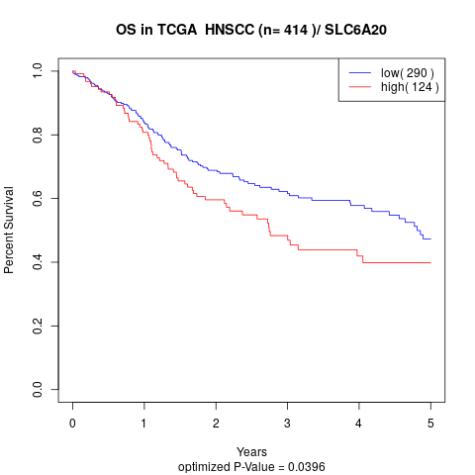

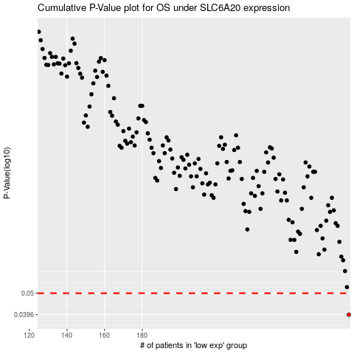

 |  |  |  |  |  | cases_OS | p_OS | rank | exp
 |  |  |  |  |  | 290 | 0.0396 | 305 | -0.17291391866
 |  |  |  |  |  |  | cases_RFS | p_RFS | rank | exp
 |  |  |  |  |  |  | 289 | 0.0396 | 406 | -0.17479936088

